4.6.1
PacifiCorp |  |  |  | Page | 4.6.1
Washington 2023 General Rate Case
Advertising
Re-allocate System Costs

1) Remove system allocated costs that should be situs assigned.

TYPE | FERC Acct | SAP Acct | SAP Acct description | Factor | Total Company
RES | 9090000 | 530022 | Informational Advertising Services | CN | 109,553
RES | 9090000 | 530019 | Legally Mandated Advertising Services | CN | 504
RES | 9301000 | 530020 | Advertising Services | SO | 8,984
 |  |  |  |  | 119,042

2) Reallocate system costs on a situs basis where possible.

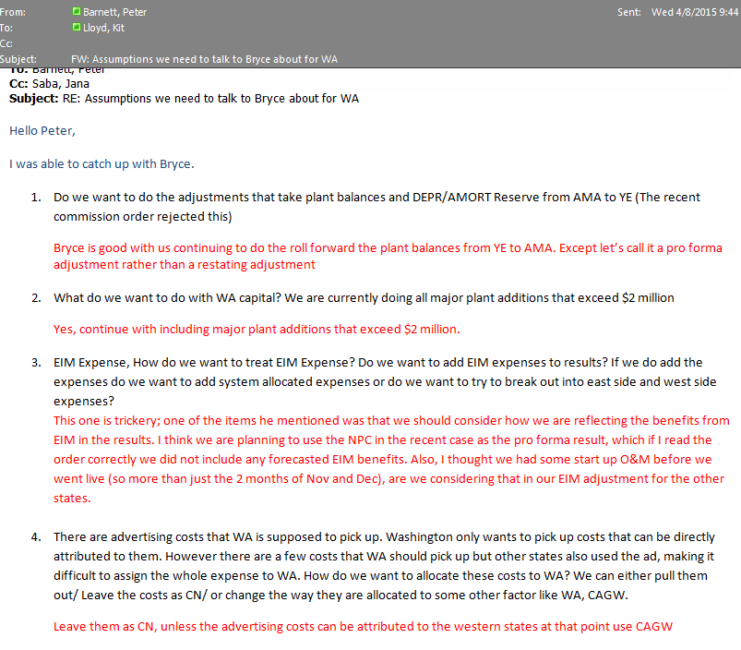
TYPE | FERC Acct | SAP Acct | SAP Acct description | Factor | Total Company
RES | 9090000 | 530019 | Legally Mandated Advertising Services | CA | 48
RES | 9090000 | 530019 | Legally Mandated Advertising Services | OR | 456
RES | 9090000 | 530022 | Informational Advertising Services | CA | (6,712)
RES | 9090000 | 530022 | Informational Advertising Services | CAGE | 825
RES | 9090000 | 530022 | Informational Advertising Services | CAGW | 731
RES | 9090000 | 530022 | Informational Advertising Services | ID | 46,874
RES | 9090000 | 530022 | Informational Advertising Services | OR | (16,895)
RES | 9090000 | 530022 | Informational Advertising Services | UT | 58,330
RES | 9090000 | 530022 | Informational Advertising Services | WA | 24,803
RES | 9090000 | 530022 | Informational Advertising Services | WY-ALL | 1,597
RES | 9301000 | 530020 | Advertising Services | OR | 7,393
RES | 9301000 | 530020 | Advertising Services | UT | 756
RES | 9301000 | 530020 | Advertising Services | WY-ALL | 836
 |  |  |  |  | 119,042

