COVID-19
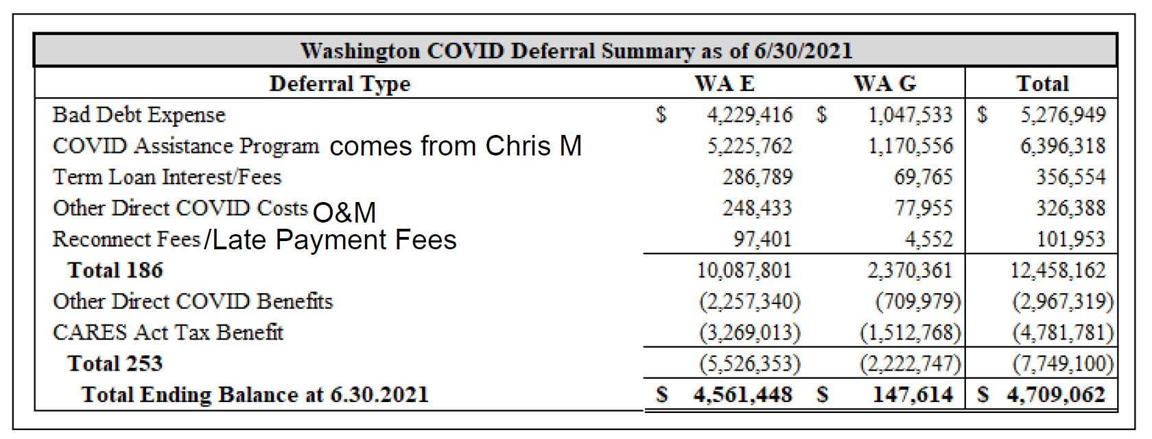
 | Washington - Covid-19 Costs & Savings
 |  | May-20
47WA.1860.20489 |  | Nov-20 | Dec-20 | Jan-21 | Feb-21 | Mar-21 | Apr-21 | May-21 | Jun-21 | Jul-21 | Aug-21 | Sep-21 | Oct-21 | Nov-21 | Dec-21 | Jan-22 | Feb-22 | Mar-22 | Apr-22 | May-22 | Jun-22 |  | Total
 | O&M Work Order - Costs | 64,076.89 | 3,023.96 | 1,120.47 | 1,596.99 | 1,889.89 | 793.26 | 732.38 | 20,735.18 | 1,611.76 | 15,855.71 | 2,330.24 | 4,638.77 | 1,058.11 | 771.89 | 15,519.05 | 458.45 | 1,061.92 | 545.06 | 560.71 | 545.06 |  | 138,925.75 |  | Washington COVID-19 Deferral Summary as of 6/30/2022
 | 4767000 - Credit & Collections |  |  |  |  |  |  |  | 25,049.67 | 29,351.72 | 25,225.04 | 25,408.93 | 25,999.73 | 24,940.06 | 25,829.45 | 25,810.20 | 23,362.34 | 27,041.01 | 22,570.25 | 22,498.70 | 20,985.38 |  | 324,072.48 |  |  | WA
 | O&M Work Order - Not Recoverable Mar-Apr-20 |  |  |  |  |  |  |  | (20,394.83) |  |  |  |  |  |  |  |  |  |  |  |  |  | (20,394.83) |  | Bad Debt Expense | (579,153)
 | 4767000 - Credit & Collections May-20-May-21 |  |  |  |  |  |  |  | 314,488.43 |  |  |  |  |  |  |  |  |  |  |  |  |  | 314,488.43 |  | Assistance Program | 3,709,875
 | Bad Debts - Costs | 95,087.75 | 215,508.29 | (4,356.18) | 55,165.84 | (41,970.52) | (76,832.52) | 32,913.49 | 206,292.17 | (89,920.36) | 7,792.44 | (83,970.18) | (86,758.71) | (171,853.01) | (158,238.84) | (2,421.84) | (61,922.69) | (420,442.57) | (46,712.73) | 132,894.85 | (46,361.66) |  | (546,106.98) |  | Past Due Interest | 195,885
 | Bad Debts - True-up Jan-21 |  |  |  |  | 7,357.82 |  |  |  |  |  |  |  |  |  |  |  |  |  |  |  |  | 7,357.82 |  | Other Direct Costs | 757,092
 | Bad Debts - True-up Dec-20 |  |  |  |  |  | 7,410.97 |  |  |  |  |  |  |  |  |  |  |  |  |  |  |  | 7,410.97 |  | Reconnect Fees/Late Payment Fees | 3,125,482
 | Bad Debts - Not Recoverable Mar-Apr-20 |  |  |  |  |  |  |  | (47,814.73) |  |  |  |  |  |  |  |  |  |  |  |  |  | (47,814.73) |  | Total 186 | 7,209,181
 | Interest - Past Due Bal |  |  |  |  |  |  |  | 7,261.85 | 6,846.45 | 6,066.44 | 5,547.32 | 4,674.89 | 4,860.26 | 6,047.54 | 8,820.54 | 11,531.84 | 8,462.48 | 14,265.63 | 13,665.94 | - |  | 98,051.18
 | Interest - Past Due Bal corrects Oct-21 |  |  |  |  |  |  |  |  |  |  |  |  |  | 301.66 |  |  |  |  |  |  |  | 301.66 |  | Cares Act Benefit | (158,488)
 | Interest - Past Due Bal Apr-20-May-21 |  |  |  |  |  |  |  | 97,531.98 |  |  |  |  |  |  |  |  |  |  |  |  |  | 97,531.98 | 47WA.1860.20489 | Other Direct Benefits | (958,186)
 | Total WA Costs | 159,164.64 | 218,532.25 | (3,235.71) | 56,762.83 | (32,722.81) | (68,628.29) | 33,645.87 | 603,149.72 | (52,110.43) | 54,939.63 | (50,683.69) | (51,445.32) | (140,994.58) | (125,288.30) | 47,727.95 | (26,570.06) | (383,877.16) | (9,331.79) | 169,620.20 | (24,831.22) | - | 373,823.73 | 373,823.73 | Total 253 | (1,116,674)
 |  |  |  |  |  |  |  |  |  |  |  |  |  |  |  |  |  |  |  |  |  |  |  | - | Total Ending Balance 6.30.2022 | 6,092,507
47WA.2530.01290
 | Savings - Care Act Credit |  |  |  |  | (60,630.47) |  |  |  | (36,075.24) |  |  |  | (51,300.91) | 957.71 |  |  | (11,438.86) |  |  |  |  | (158,487.77)
 | Savings | (589,798.68) | (45,280.94) | (54,563.80) | (54,213.71) | (53,307.50) | (52,164.36) | (55,635.52) | (59,690.81) | (50,992.19) | 459.77 | (94,037.94) | (48,130.39) | (18,648.64) | (17,212.32) | 5,775.18 | (14,927.01) | 2,194.59 | 45,687.87 | 6,698.71 | (10,059.38) |  | (1,157,847.07)
 | Savings - True-up Feb-21 |  |  |  |  |  | 5,272.16 |  |  |  |  |  |  |  |  |  |  |  |  |  |  |  | 5,272.16
 | Savings - True-up Jan-21 |  |  |  |  | (122.08) | 62,796.59 |  |  |  |  |  |  |  |  |  |  |  |  |  |  |  | 62,674.51
 | Savings - True-up Dec-20 |  |  |  |  |  | (29,154.41) |  |  |  |  |  |  |  |  |  |  |  |  |  |  |  | (29,154.41)
 | Savings - True-up May-Nov-20 |  |  |  |  |  |  |  | 78,885.58 |  |  |  |  |  |  |  |  |  |  |  |  |  | 78,885.58
 | Savings - Not Recoverable Mar-Apr-20 |  |  |  |  |  |  |  | 81,983.06 |  |  |  |  |  |  |  |  |  |  |  |  |  | 81,983.06 | 47WA.2530.01290
 | Total WA Savings | (589,798.68) | (45,280.94) | (54,563.80) | (54,213.71) | (114,060.05) | (13,250.02) | (55,635.52) | 101,177.83 | (87,067.43) | 459.77 | (94,037.94) | (48,130.39) | (69,949.55) | (16,254.61) | 5,775.18 | (14,927.01) | (9,244.27) | 45,687.87 | 6,698.71 | (10,059.38) | - | (1,116,673.94) | (1,116,673.94)
 |  |  |  |  |  |  |  |  |  |  |  |  |  |  |  |  |  |  |  |  |  |  |  | -

 | Total WA Booked | (430,634.04) | 173,251.31 | (57,799.51) | 2,549.12 | (146,782.86) | (81,878.31) | (21,989.65) | 704,327.55 | (139,177.86) | 55,399.40 | (144,721.63) | (99,575.71) | (210,944.13) | (141,542.91) | 53,503.13 | (41,497.07) | (393,121.43) | 36,356.08 | 176,318.91 | (34,890.60) |  | (742,850.21)

 | Waived LPC not booked | 274,704.59 | 85,717.04 | 110,279.50 | 173,644.32 | 169,823.35 | 176,527.62 | 173,084.35 | 168,228.91 | 169,463.26 | 166,165.07 | 164,080.90 | 163,118.52 | 136,848.84 | 124,345.49 | 127,726.62 | 145,980.93 | 159,985.37 | 148,690.31 | 142,940.93 | 144,126.24 |  | 3,125,482.16

