191
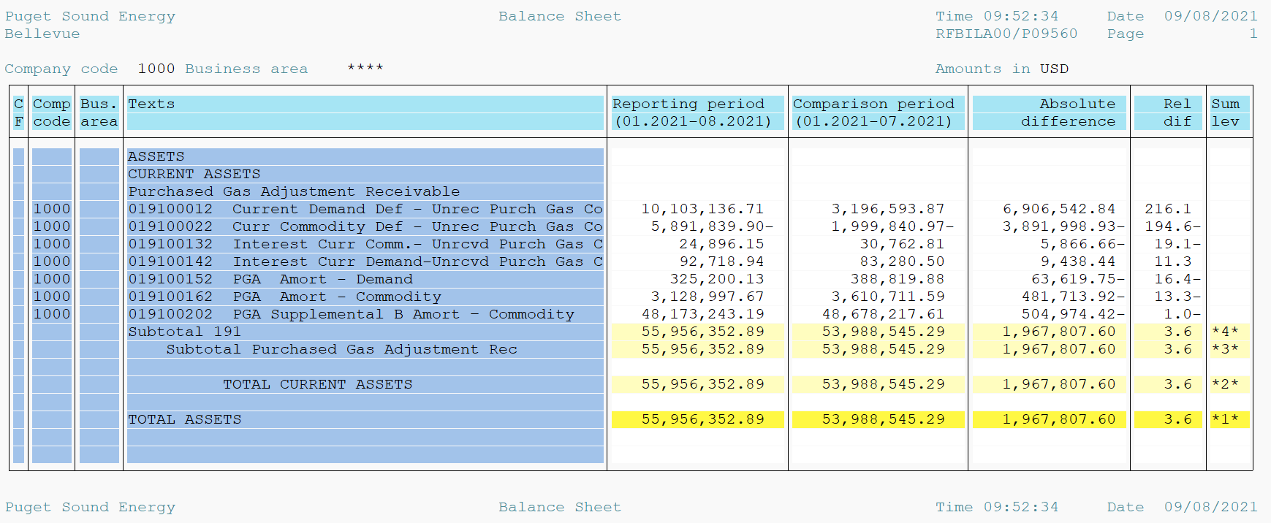
PUGET SOUND ENERGY
PGA 191 Account Balances
2021-08-31
2021

 |  | Acct No. | Aug-21

Surcharge/Refund Amortization Accounts:
PGA Refund/Surcharge Amortization (Demand) |  | 19100152
 | Beginning |  | $388,819.88
 | Transfer Deferral Amounts to Surcharge/Refund Account
 | Transfer to Commodity Amort Account
 | Surcharge/Refund Amortization |  | (61,654.00)
 | Migration Credit |  | 821.99
 | Interest |  | (2,787.74)
 | Total Month |  | (63,619.75)
 | Ending |  | $325,200.13

PGA Refund/Surcharge Amortization (Commodity) - 106 |  | 19100162
 | Beginning |  | $3,610,711.59
 | Transfer Deferral Amounts to Surcharge/Refund Account
 | Transfer to Commodity Amort Account
 | Surcharge/Refund Amortization |  | (516,194.00)
 | Migration Credit |  | 13,458.29
 | Interest |  | 21,021.79
 | Total Month |  | (481,713.92)
 | Ending |  | $3,128,997.67

PGA Supplemental Amortization (Commodity) - 106A |  | 19100192
 | Beginning |  | $-
 | Transfer to Commodity Amort Account |  | -
 | Surcharge/Refund Amortization |  | -
 | Migration Credit |  | -
 | Interest |  | -
 | Total Month |  | -
 | Ending |  | $-

PGA Supplemental Amortization (Commodity) - 106B |  | 19100202
 | Beginning |  | $48,678,217.61
 | Transfer to Commodity Amort Account
 | Surcharge/Refund Amortization |  | (624,783.00)
 | Migration Credit
 | Interest |  | 119,808.58
 | Total Month |  | (504,974.42)
 | Ending |  | $48,173,243.19

Current Demand Deferral |  | 19100012
 | Beginning |  | $3,196,593.87
 | Transfer to Commodity Amort Account
 | Refund of B&O Taxes on Off System Sales
 | PSE Deferral |  | 6,906,542.84
 | WNG-CAP Deferral
 | Total Month |  | 6,906,542.84
 | Ending |  | $10,103,136.71

Current Commodity Deferral |  | 19100022
 | Beginning |  | $(1,999,840.97)
 | Transfer Deferral Amounts to Surcharge/Refund Account
 | Refund of B&O Taxes on Off System Sales
 | Transfer to Commodity Amort Account
 | Transfer Deferral Amounts to PGA Tracking Account
 | PSE Deferral |  | (3,891,998.93)
 | PGA Incentive
 | Total Month |  | (3,891,998.93)
 | Ending |  | $(5,891,839.90)

Interest on Demand Deferral |  | 19100142
 | Beginning |  | $83,280.50
 | Transfer to Commodity Amort Account
 | Activity |  | 9,438.44
 | Total Month |  | 9,438.44
 | Ending |  | $92,718.94

Interest on Commodity Deferral |  | 19100132
 | Beginning |  | $30,762.81
 | Transfer to Commodity Amort Account
 | Activity |  | (5,866.66)
 | Total Month |  | (5,866.66)
 | Ending |  | $24,896.15

Total 191
 | Beginning |  | $53,988,545.29
 | Total Month |  | 1,967,807.60
 | Ending |  | $55,956,352.89
Less: Acct. being Amortized |  |  | 51,627,440.99
Current Period Under/(Over) Recovered |  |  | $4,328,911.90

