IC Disposal (2022)
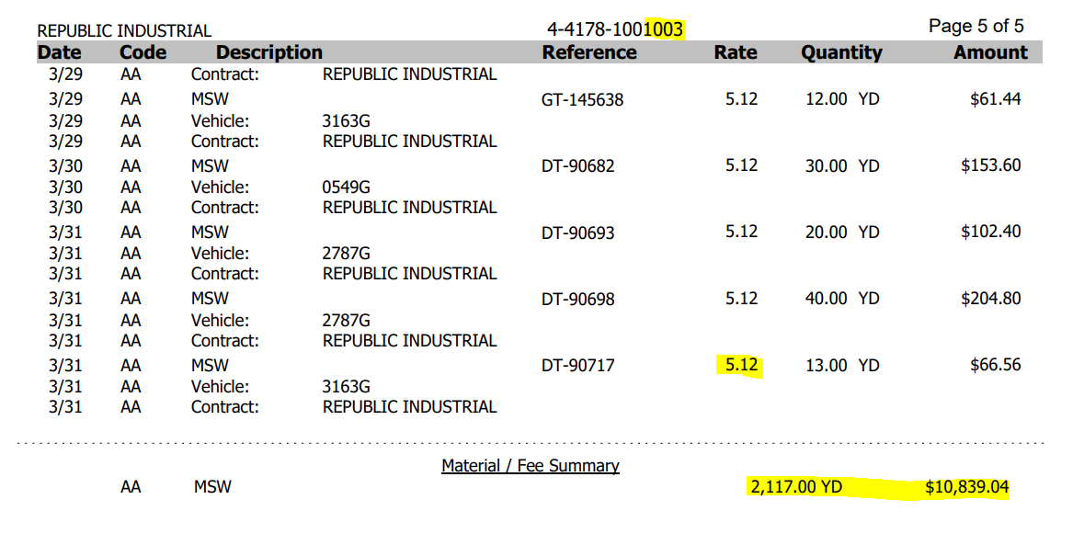
RESI
FY 2022 yards: | 22,120

COMM
FY 2022 yards: | 19,928

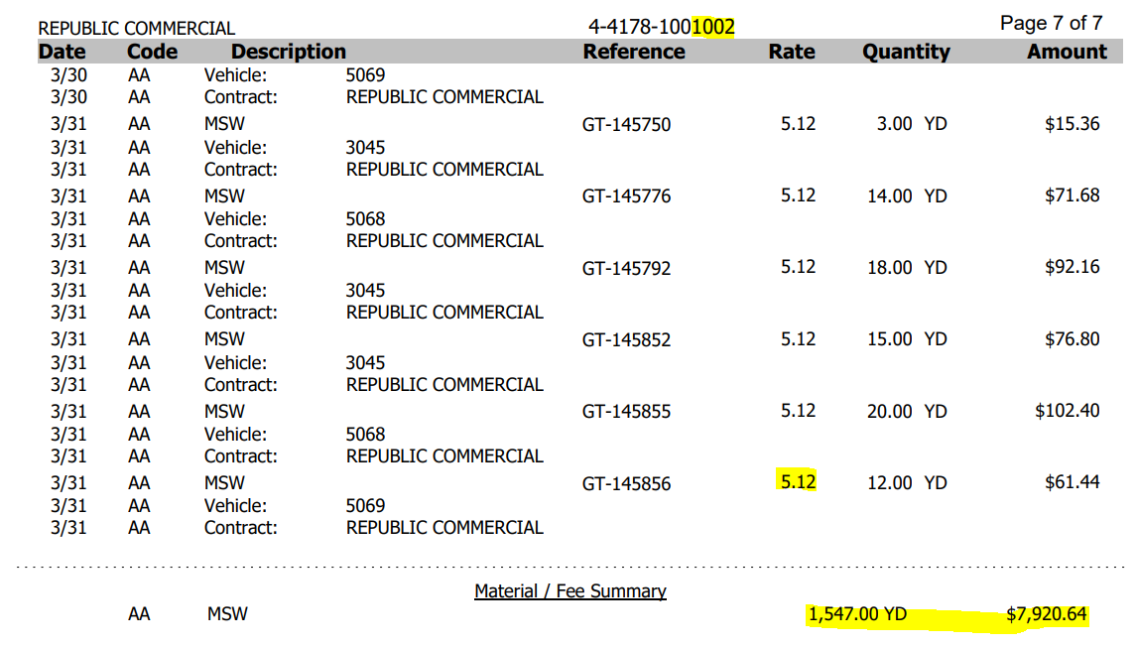

IND
FY 2022 yards: | 24,668

