Typical Res Customer Sch 140
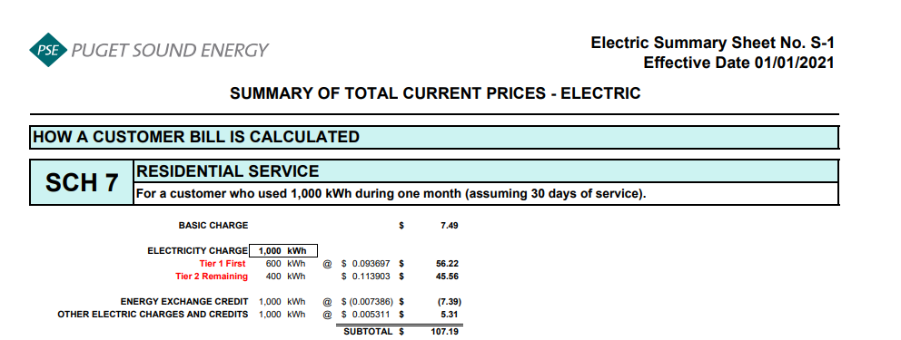
Puget Sound Energy
Residential Customer Impacts
Test Year Ended April 30, 2022

 |  | Current Customer Bill in Notice |  |  |  |  | Proposed Customer Bill in Notice
Month | kWh | Basic Charge | First 600 kWh | Over 600 kWh | Bill |  | Basic Charge | First 600 kWh | Over 600 kWh | Bill | $ Difference
January | 1,166 | $7.49 | $54.97 | $63.29 | $125.75 |  | $7.49 | $54.88 | $63.21 | $125.58 | $(0.17)
February | 952 | $7.49 | $54.97 | $39.36 | $101.82 |  | $7.49 | $54.88 | $39.31 | $101.68 | $(0.14)
March | 991 | $7.49 | $54.97 | $43.72 | $106.18 |  | $7.49 | $54.88 | $43.67 | $106.04 | $(0.14)
April | 796 | $7.49 | $54.97 | $21.92 | $84.38 |  | $7.49 | $54.88 | $21.89 | $84.26 | $(0.12)
May | 740 | $7.49 | $54.97 | $15.66 | $78.12 |  | $7.49 | $54.88 | $15.64 | $78.01 | $(0.11)
June | 670 | $7.49 | $54.97 | $7.83 | $70.29 |  | $7.49 | $54.88 | $7.82 | $70.19 | $(0.10)
July | 665 | $7.49 | $54.97 | $7.27 | $69.73 |  | $7.49 | $54.88 | $7.26 | $69.63 | $(0.10)
August | 678 | $7.49 | $54.97 | $8.72 | $71.18 |  | $7.49 | $54.88 | $8.71 | $71.08 | $(0.10)
September | 623 | $7.49 | $54.97 | $2.57 | $65.03 |  | $7.49 | $54.88 | $2.57 | $64.94 | $(0.09)
October | 805 | $7.49 | $54.97 | $22.92 | $85.38 |  | $7.49 | $54.88 | $22.89 | $85.26 | $(0.12)
November | 1,022 | $7.49 | $54.97 | $47.19 | $109.65 |  | $7.49 | $54.88 | $47.13 | $109.50 | $(0.15)
December | 1,163 | $7.49 | $54.97 | $62.96 | $125.42 |  | $7.49 | $54.88 | $62.88 | $125.25 | $(0.17)

Annual Total | 10,271 | $89.88 | $659.64 | $343.41 | $1,092.93 |  | $89.88 | $658.56 | $342.98 | $1,091.42 | $(1.51)

Typical Residential | 900 | $7.49 | $54.97 | $33.55 | $96.01 |  | $7.49 | $54.88 | $33.50 | $95.87 | $(0.14)
Typical Residential | 1,000 | $7.49 | $54.97 | $44.73 | $107.19 |  | $7.49 | $54.88 | $44.67 | $107.04 | $(0.15)

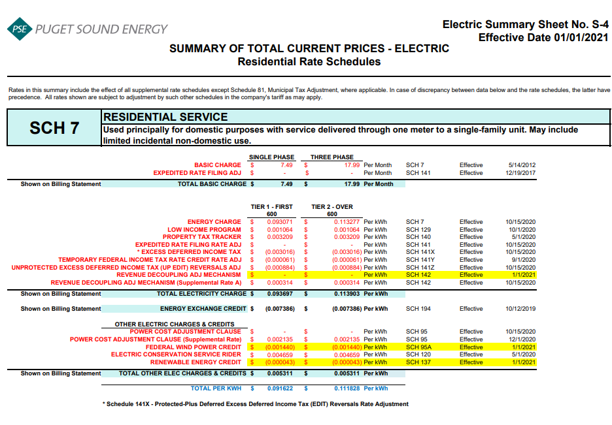
Residential Schedule 7 Rates |  |  |  | Present Rates Effective 01/01/2021 | Proposed Rates Effective 05/01/2021
Customer Monthly Charge:
One Phase Basic Charge |  |  |  | $7.490000 | $7.490000 | per Month
Subtotal Base Monthly Charge |  |  |  | $7.490000 | $7.490000
Energy Charge:
Schedule 7 first 600 kWh |  |  |  | $0.093071 | $0.093071 | $ / kWh
Schedule 129 - Low Income |  |  |  | $0.001064 | $0.001064 | $ / kWh
Schedule 140 - Property Tax Rider |  |  |  | $0.003209 | $0.003061 | $ / kWh
Schedule 141X EDIT Rider - First 600 kWh |  |  |  | $(0.003016) | $(0.003016) | $ / kWh
Schedule 141Y - Tax Over Collection Rider |  |  |  | $(0.000061) | $(0.000061) | $ / kWh
Schedule 141Z - EDIT Rider |  |  |  | $(0.000884) | $(0.000884) | $ / kWh
Schedule 142 - Decoupling Rider |  |  |  | $- | $- | $ / kWh
Schedule 142 - Decoupling Rider - Supplemental |  |  |  | $0.000314 | $0.000314 | $ / kWh
Subtotal Base First 600 kWh Charge |  |  |  | $0.093697 | $0.093549 | $ / kWh

Schedule 7 over 600 kWh |  |  |  | $0.113277 | $0.113277 | $ / kWh
Schedule 129 - Low Income |  |  |  | $0.001064 | $0.001064 | $ / kWh
Schedule 140 - Property Tax Rider |  |  |  | $0.003209 | $0.003061 | $ / kWh
Schedule 141X EDIT Rider - Over 600 kWh |  |  |  | $(0.003016) | $(0.003016) | $ / kWh
Schedule 141Y - Tax Over Collection Rider |  |  |  | $(0.000061) | $(0.000061) | $ / kWh
Schedule 141Z - EDIT Rider |  |  |  | $(0.000884) | $(0.000884) | $ / kWh
Schedule 142 - Decoupling Rider |  |  |  | $- | $- | $ / kWh
Schedule 142 - Decoupling Rider - Supplemental |  |  |  | $0.000314 | $0.000314 | $ / kWh
Subtotal Base Over 600 kWh Charge |  |  |  | $0.113903 | $0.113755 | $ / kWh

Schedule 194 - BPA Exchange Credit |  |  |  | $(0.007386) | $(0.007386) | $ / kWh

Other Electric Charges and Credits |  |  |  |  |  | $ / kWh
Schedule 95 - Power Cost Adjustment Clause |  |  |  | $0.002135 | $0.002135 | $ / kWh
Schedule 95A - Wind Power Production Credit |  |  |  | $(0.001440) | $(0.001440) | $ / kWh
Schedule 120 - Conservation Rider |  |  |  | $0.004659 | $0.004659 | $ / kWh
Schedule 137 - Renewable Energy Credit |  |  |  | $(0.000043) | $(0.000043) | $ / kWh
Subtotal Other Charges |  |  |  | $0.005311 | $0.005311 | $ / kWh

Total Block 1 Energy Charge |  |  |  | $0.091622 | $0.091474 | $ / kWh
Total Block 2 Energy Charge |  |  |  | $0.111828 | $0.111680 | $ / kWh

Average Residential Usage Test Year Ended April 30, 2022
Year | Month No. | Forecast kWh | Forecast Customer Count | Average Use per Customer
2022 | 1 | 1,233,208,796 | 1,057,399 | 1,166
2022 | 2 | 1,007,610,045 | 1,058,015 | 952
2022 | 3 | 1,048,700,217 | 1,058,630 | 991
2022 | 4 | 843,267,859 | 1,059,246 | 796
2021 | 5 | 777,238,186 | 1,049,677 | 740
2021 | 6 | 704,136,133 | 1,050,243 | 670
2021 | 7 | 699,175,112 | 1,050,809 | 665
2021 | 8 | 712,807,062 | 1,051,816 | 678
2021 | 9 | 655,958,094 | 1,052,823 | 623
2021 | 10 | 848,236,807 | 1,053,831 | 805
2021 | 11 | 1,078,151,323 | 1,055,020 | 1,022
2021 | 12 | 1,228,414,999 | 1,056,210 | 1,163
 | Total | 10,836,904,633 | 12,653,719 | 10,271

 | Average |  |  | 856

2020 Final Prop Tax Rate Design
Puget Sound Energy |  |  |  |  |  |  |  |  |  |  |  |  | jr
Calculation of Proposed Schedule 140 Property Tax Rider Rate
Effective May 1, 2020

Line No. | Voltage Level | Schedule | Adjusted Electric Cost of Service PTDGP.T Allocation Factor Docket No. UE-180282 | Percent of Total | Revenue Requirement Property Tax - Current | Revenue Requirement Property Tax - Deferral | Revenue Requirement Property Tax - Total | F2019 kWh May 2020 to April 2021 | Proposed Schedule 140 Property Tax Rider - Current Effective 5-1-20 | Proposed Schedule 140 Property Tax Rider - Deferred Effective 5-1-20 | Proposed Schedule 140 Property Tax Rider Effective 5-1-20 | Check Difference due to Rounding
 |  |  | (a) | (b)= (a) / ∑ (a) | (c) = (b) * A | (d) = (b) * B | (e) = (c + d) | (f) | (g) = (c) / (f) | (h) = (d) / (f) | (i) = (g) + (h) | (j) = (i * f) - (e)
1 | Residential
2 | Residential | 7 | $5,545,457,489 | 58.34% | $26,247,481 | $8,374,274 | $34,621,754 | 10,790,076,000 | $0.002433 | $0.000776 | $0.003209 | $3,600
3 | Total Residential |  | $5,545,457,489 | 58.34% | $26,247,481 | $8,374,274 | $34,621,754 | 10,790,076,000 | $0.002433 | $0.000776 | $0.003209 | $3,600
4
Schedule 140
Rate Design
Eff. 5-1-2020
5 | Secondary Voltage
6 | Demand <= 50 kW | 8 & 24 | $1,207,741,046 | 12.71% | $5,716,419 | $1,823,827 | $7,540,246 | 2,853,340,000 | $0.002003 | $0.000639 | $0.002642 | $(1,722)
7 | Demand > 50 kW but <= 350 kW | 7A, 11, 25 & 29 | $1,116,587,568 | 11.75% | $5,284,976 | $1,686,175 | $6,971,151 | 3,040,335,000 | $0.001738 | $0.000555 | $0.002293 | $337
8 | Demand > 350 kW | 12 & 26 | $645,442,293 | 6.79% | $3,054,975 | $974,692 | $4,029,667 | 1,779,828,000 | $0.001716 | $0.000548 | $0.002264 | $(136)
9 | Total Secondary Voltage |  | $2,969,770,908 | 31.24% | $14,056,370 | $4,484,693 | $18,541,063 | 7,673,503,000 | $0.001832 | $0.000584 | $0.002416 | $(1,520)
10
11 | Primary Voltage
12 | General Service | 10, 31 & 35 | $446,875,030 | 4.70% | $2,115,126 | $674,832 | $2,789,959 | 1,316,962,000 | $0.001606 | $0.000512 | $0.002118 | $(633)
13 | Interruptible Total Electric Schools | 43 | $56,760,979 | 0.60% | $268,658 | $85,716 | $354,374 | 117,556,000 | $0.002285 | $0.000729 | $0.003014 | $(60)
14 | Total Primary Voltage |  | $503,636,009 | 5.30% | $2,383,785 | $760,548 | $3,144,332 | 1,434,518,000 | $0.001662 | $0.000530 | $0.002192 | $(693)
15
16 | Campus Rate & Special Contract | 40 / MSSC | $203,194,458 | 2.14% | $961,750 | $306,847 | $1,268,597 | 609,719,000 | $0.001577 | $0.000503 | $0.002080 | $(381)
17
18 | High Voltage | 46 & 49 | $168,505,771 | 1.77% | $797,563 | $254,463 | $1,052,026 | 626,957,000 | $0.001272 | $0.000406 | $0.001678 | $8
19
20 | Lighting | 50-59 | $103,623,580 | 1.09% | $490,466 | $156,483 | $646,949 | 67,926,000 | $0.007221 | $0.002304 | $0.009525 | $46
21
22 | Total Choice /Retail Wheeling | 449 & 459 | $8,251,262 | 0.09% | $39,054 | $12,460 | $51,515 | 2,036,910,000 | $0.000019 | $0.000006 | $0.000025 | $(592)
23
24 | Total Jurisdictional Retail Sales |  | $9,502,439,476 | 99.97% | $44,976,469 | $14,349,768 | $59,326,237 | 23,239,609,000 | $0.001935 | $0.000617 | $0.002552 | $467
25
26 | Total Firm Resale / Special Contract |  | $3,262,238 | 0.03% | $15,441 | $4,926 | $20,367 | 7,409,000
27
28 | Total Sales to Customers |  | $9,505,701,714 | 100.00% | $44,991,909 | $14,354,694 | $59,346,604 | 23,247,018,000 | $0.001935 | $0.000617 | $0.002552 | $467
29
30 | Property Tax Revenue Requirement |  |  |  | $44,991,909 | $14,354,694 | $59,346,604
 |  |  |  |  | A | B

