LvlFCR Land
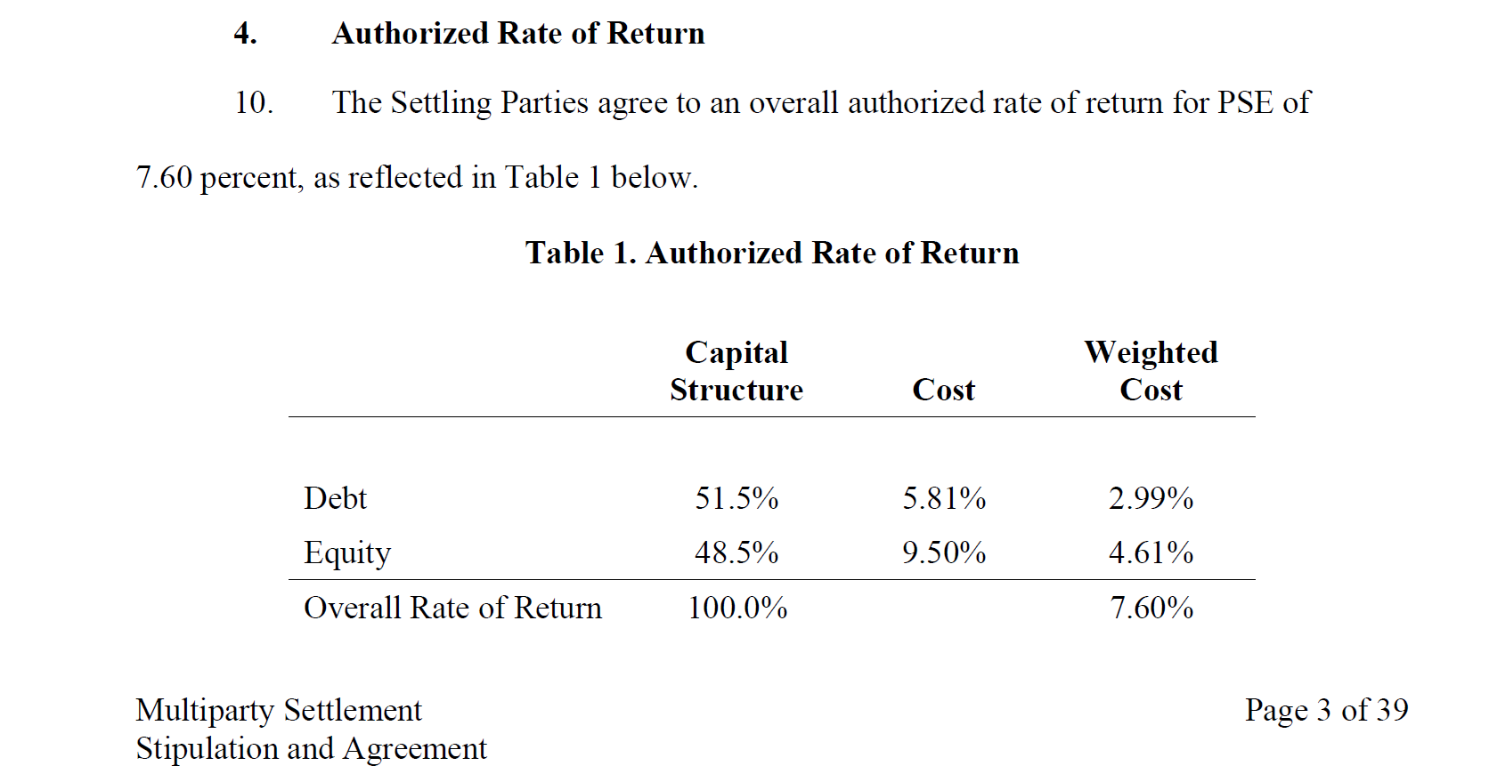
Schedule 40 Analysis |  |  |  |  |  |  |  | CAPITAL STRUCTURE |  |  |  | ‚
For Substations and Feeder Lines at Primary Service Voltage |  |  |  |  |  |  |  | DEBT (LT) | 51.5% | 5.81% | 2.99% | ‚
 |  |  |  |  |  |  |  | DEBT (ST) |  |  | 0.00% | ‚
 |  |  |  |  |  |  |  | ALL DEBT | 51.5% |  | 2.99% | ‚
 |  | NPV Revenue Req. |  | $116,884 |  |  |  | PREFERRED | 0.0% | 0.00% | 0.00% | ‚
 |  | Annual Equivalent |  | $9,135 |  |  |  | COMMON | 48.5% | 9.50% | 4.61% | ‚
 |  | FCR |  | 9.1355 |  | 0.091355 |  |  |  |  | ----------- | ‚
 |  |  |  |  |  |  |  | COST OF CAPITAL |  |  | 7.60% | ‚
 |  | 1st YR MOS. |  | 12 |  |  |  |  |  |  |  | ‚
 |  | BOOK VALUE |  | $100,000 |  |  |  | 49 | Book Life |  |  | ‚
 |  | TAX BASIS |  | $100,000 |  |  |  | 24.76% | Income Tax Rate + Revenue Sensitive Items |  |  | ‚
 |  | DEPREC BASE |  | $100,000 |  |  |  | 21.00% | Income Tax Rate

Year | Net Book Value | 20 Year MACRS | Net Investment | Tax Depreciation | Deferred Taxes | Debt Return | Equity Return | Book Depreciation | Income Taxes | Revenue Requirement
1 | $100,000 | 0 | $100,000 | $0 | $0 | $2,990 | $4,610 | $0 | $1,517 | $9,117
2 | $100,000 | 0 | $100,000 | $0 | $0 | $2,990 | $4,610 | $0 | $1,517 | $9,117
3 | $100,000 | 0 | $100,000 | $0 | $0 | $2,990 | $4,610 | $0 | $1,517 | $9,117
4 | $100,000 | 0 | $100,000 | $0 | $0 | $2,990 | $4,610 | $0 | $1,517 | $9,117
5 | $100,000 | 0 | $100,000 | $0 | $0 | $2,990 | $4,610 | $0 | $1,517 | $9,117
6 | $100,000 | 0 | $100,000 | $0 | $0 | $2,990 | $4,610 | $0 | $1,517 | $9,117
7 | $100,000 | 0 | $100,000 | $0 | $0 | $2,990 | $4,610 | $0 | $1,517 | $9,117
8 | $100,000 | 0 | $100,000 | $0 | $0 | $2,990 | $4,610 | $0 | $1,517 | $9,117
9 | $100,000 | 0 | $100,000 | $0 | $0 | $2,990 | $4,610 | $0 | $1,517 | $9,117
10 | $100,000 | 0 | $100,000 | $0 | $0 | $2,990 | $4,610 | $0 | $1,517 | $9,117
11 | $100,000 | 0 | $100,000 | $0 | $0 | $2,990 | $4,610 | $0 | $1,517 | $9,117
12 | $100,000 | 0 | $100,000 | $0 | $0 | $2,990 | $4,610 | $0 | $1,517 | $9,117
13 | $100,000 | 0 | $100,000 | $0 | $0 | $2,990 | $4,610 | $0 | $1,517 | $9,117
14 | $100,000 | 0 | $100,000 | $0 | $0 | $2,990 | $4,610 | $0 | $1,517 | $9,117
15 | $100,000 | 0 | $100,000 | $0 | $0 | $2,990 | $4,610 | $0 | $1,517 | $9,117
16 | $100,000 | 0 | $100,000 | $0 | $0 | $2,990 | $4,610 | $0 | $1,517 | $9,117
17 | $100,000 | 0 | $100,000 | $0 | $0 | $2,990 | $4,610 | $0 | $1,517 | $9,117
18 | $100,000 | 0 | $100,000 | $0 | $0 | $2,990 | $4,610 | $0 | $1,517 | $9,117
19 | $100,000 | 0 | $100,000 | $0 | $0 | $2,990 | $4,610 | $0 | $1,517 | $9,117
20 | $100,000 | 0 | $100,000 | $0 | $0 | $2,990 | $4,610 | $0 | $1,517 | $9,117
21 | $100,000 | 0 | $100,000 | $0 | $0 | $2,990 | $4,610 | $0 | $1,517 | $9,117
22 | $100,000 | 0 | $100,000 | $0 | $0 | $2,990 | $4,610 | $0 | $1,517 | $9,117
23 | $100,000 | 0 | $100,000 | $0 | $0 | $2,990 | $4,610 | $0 | $1,517 | $9,117
24 | $100,000 | 0 | $100,000 | $0 | $0 | $2,990 | $4,610 | $0 | $1,517 | $9,117
25 | $100,000 | 0 | $100,000 | $0 | $0 | $2,990 | $4,610 | $0 | $1,517 | $9,117
26 | $100,000 | 0 | $100,000 | $0 | $0 | $2,990 | $4,610 | $0 | $1,517 | $9,117
27 | $100,000 | 0 | $100,000 | $0 | $0 | $2,990 | $4,610 | $0 | $1,517 | $9,117
28 | $100,000 | 0 | $100,000 | $0 | $0 | $2,990 | $4,610 | $0 | $1,517 | $9,117
29 | $100,000 | 0 | $100,000 | $0 | $0 | $2,990 | $4,610 | $0 | $1,517 | $9,117
30 | $100,000 | 0 | $100,000 | $0 | $0 | $2,990 | $4,610 | $0 | $1,517 | $9,117
31 | $100,000 | 0 | $100,000 | $0 | $0 | $2,990 | $4,610 | $0 | $1,517 | $9,117
32 | $100,000 | 0 | $100,000 | $0 | $0 | $2,990 | $4,610 | $0 | $1,517 | $9,117
33 | $100,000 | 0 | $100,000 | $0 | $0 | $2,990 | $4,610 | $0 | $1,517 | $9,117
34 | $100,000 | 0 | $100,000 | $0 | $0 | $2,990 | $4,610 | $0 | $1,517 | $9,117
35 | $100,000 | 0 | $100,000 | $0 | $0 | $2,990 | $4,610 | $0 | $1,517 | $9,117
36 | $100,000 | 0 | $100,000 | $0 | $0 | $2,990 | $4,610 | $0 | $1,517 | $9,117
37 | $100,000 | 0 | $100,000 | $0 | $0 | $2,990 | $4,610 | $0 | $1,517 | $9,117
38 | $100,000 | 0 | $100,000 | $0 | $0 | $2,990 | $4,610 | $0 | $1,517 | $9,117
39 | $100,000 | 0 | $100,000 | $0 | $0 | $2,990 | $4,610 | $0 | $1,517 | $9,117
40 | $100,000 | 0 | $100,000 | $0 | $0 | $2,990 | $4,610 | $0 | $1,517 | $9,117
41 | $100,000 | 0 | $100,000 | $0 | $0 | $2,990 | $4,610 | $0 | $1,517 | $9,117
42 | $100,000 | 0 | $100,000 | $0 | $0 | $2,990 | $4,610 | $0 | $1,517 | $9,117
43 | $100,000 | 0 | $100,000 | $0 | $0 | $2,990 | $4,610 | $0 | $1,517 | $9,117
44 | $100,000 | 0 | $100,000 | $0 | $0 | $2,990 | $4,610 | $0 | $1,517 | $9,117
45 | $100,000 | 0 | $100,000 | $0 | $0 | $2,990 | $4,610 | $0 | $1,517 | $9,117
46 | $100,000 | 0 | $100,000 | $0 | $0 | $2,990 | $4,610 | $0 | $1,517 | $9,117
47 | $100,000 | 0 | $100,000 | $0 | $0 | $2,990 | $4,610 | $0 | $1,517 | $9,117
48 | $100,000 | 0 | $100,000 | $0 | $0 | $2,990 | $4,610 | $0 | $1,517 | $9,117
49 | $100,000 | 0 | $100,000 | $0 | $0 | $2,990 | $4,610 | $0 | $1,517 | $9,117
50 | $100,000 | 0 | $100,000 | $0 | $0 | $2,990 | $4,610 | $0 | $1,517 | $9,117
----------- |  | ----------- | ----------- | ----------- | ----------- | ----------- | ----------- | ----------- | ----------- | -----------
TOTAL |  | 0.00% |  | $0 | $0 | $149,500 | $230,500 | $0 | $75,859 | $455,859

 |  | PRESENT WORTH |  | $0 | $0 | $38,332 | $59,101 | $0 | $19,451 | $116,884

