Typical Residential Notice
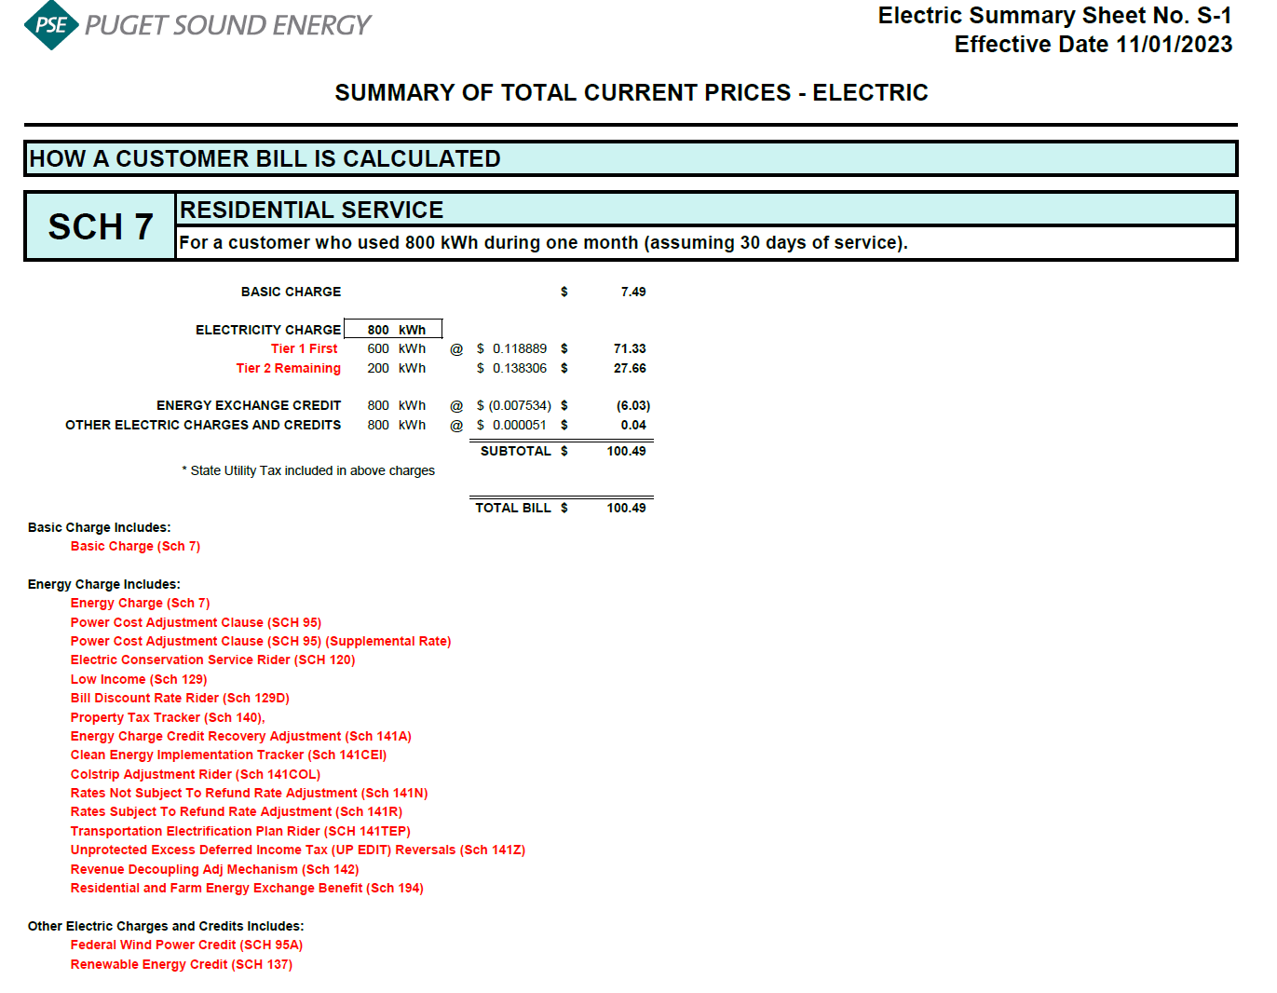
Puget Sound Energy
Residential Customer Impacts
Proposed Impacts of Rate Change Effective January 1, 2024

 |  | Current Customer Bill in Notice |  |  |  |  | Proposed Customer Bill in Notice
Month | kWh | Basic Charge | First 600 kWh | Over 600 kWh | Bill |  | Basic Charge | First 600 kWh | Over 600 kWh | Bill | $ Difference | % Difference
January | 1,100 | $7.49 | $67.77 | $66.18 | $141.44 |  | $7.49 | $72.49 | $70.12 | $150.10 | $8.66 | 6.12%
February | 992 | $7.49 | $67.77 | $51.89 | $127.15 |  | $7.49 | $72.49 | $54.97 | $134.95 | $7.80 | 6.13%
March | 959 | $7.49 | $67.77 | $47.52 | $122.78 |  | $7.49 | $72.49 | $50.34 | $130.32 | $7.54 | 6.14%
April | 803 | $7.49 | $67.77 | $26.87 | $102.13 |  | $7.49 | $72.49 | $28.47 | $108.45 | $6.32 | 6.19%
May | 700 | $7.49 | $67.77 | $13.24 | $88.50 |  | $7.49 | $72.49 | $14.02 | $94.00 | $5.50 | 6.21%
June | 669 | $7.49 | $67.77 | $9.13 | $84.39 |  | $7.49 | $72.49 | $9.68 | $89.66 | $5.27 | 6.24%
July | 745 | $7.49 | $67.77 | $19.19 | $94.45 |  | $7.49 | $72.49 | $20.33 | $100.31 | $5.86 | 6.20%
August | 750 | $7.49 | $67.77 | $19.86 | $95.12 |  | $7.49 | $72.49 | $21.03 | $101.01 | $5.89 | 6.19%
September | 685 | $7.49 | $67.77 | $11.25 | $86.51 |  | $7.49 | $72.49 | $11.92 | $91.90 | $5.39 | 6.23%
October | 800 | $7.49 | $67.77 | $26.47 | $101.73 |  | $7.49 | $72.49 | $28.05 | $108.03 | $6.30 | 6.19%
November | 964 | $7.49 | $67.77 | $48.18 | $123.44 |  | $7.49 | $72.49 | $51.04 | $131.02 | $7.58 | 6.14%
December | 1,157 | $7.49 | $67.77 | $73.73 | $148.99 |  | $7.49 | $72.49 | $78.11 | $158.09 | $9.10 | 6.11%

Annual Total | 10,324 | $89.88 | $813.24 | $413.51 | $1,316.63 |  | $89.88 | $869.88 | $438.08 | $1,397.84 | $81.21 | 6.17%

Typical Residential | 900 | $7.49 | $67.77 | $39.71 | $114.97 |  | $7.49 | $72.49 | $42.07 | $122.05 | $7.08 | 6.16%
Typical Residential | 800 | $7.49 | $67.77 | $26.47 | $101.73 |  | $7.49 | $72.49 | $28.05 | $108.03 | $6.30 | 6.19%

Residential Schedule 7 Rates |  |  |  | Present Rates Effective 11/01/2023 | Proposed Rates Effective 01/01/2024
Customer Monthly Charge:
One Phase Basic Charge |  |  |  | $7.490000 | $7.490000 | per Month
Subtotal Base Monthly Charge |  |  |  | $7.490000 | $7.490000
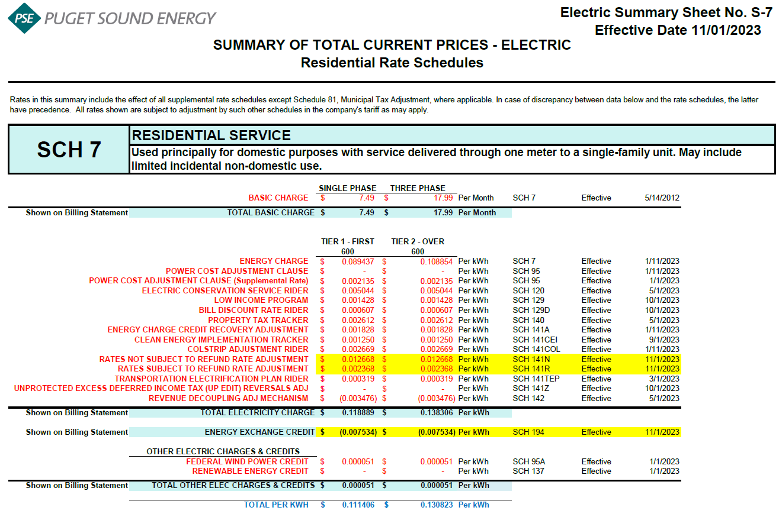
Energy Charge:
Schedule 7 first 600 kWh |  |  |  | $0.089437 | $0.089437 | $ / kWh
Schedule 95 - Power Cost Adjustment Clause |  |  |  | $- | $0.007863 | $ / kWh
Schedule 95 - Power Cost Adjustment Clause-Supplemental |  |  |  | $0.002135 | $0.002135 | $ / kWh
Schedule 120 - Conservation Rider |  |  |  | $0.005044 | $0.005044 | $ / kWh
Schedule 129 - Low Income |  |  |  | $0.001428 | $0.001428 | $ / kWh
Schedule 129D - Bill Discount Rate Rider |  |  |  | $0.000607 | $0.000607 | $ / kWh
Schedule 140 - Property Tax Rider |  |  |  | $0.002612 | $0.002612 | $ / kWh
Schedule 141A - Energy Charge Credit Recovery Adjustment |  |  |  | $0.001828 | $0.001828 | $ / kWh
Schedule 141CEI Clean Energy Implementation Plan |  |  |  | $0.001250 | $0.001250 | $ / kWh
Schedule 141COL - Colstrip Adjustment Rider |  |  |  | $0.002669 | $0.002669 | $ / kWh
Schedule 141N - Rates Not Subject to Refund Rate Adjustment |  |  |  | $0.008528 | $0.008528 | $ / kWh |  | effective Jan 1, 2024
Schedule 141R - Rates Subject to Refund Rate Adjustment |  |  |  | $0.008105 | $0.008105 | $ / kWh |  | effective Jan 1, 2024
Schedule 141TEP - TEP Rider |  |  |  | $0.000319 | $0.000319 | $ / kWh
Schedule 141Z - EDIT Rider |  |  |  | $- | $- | $ / kWh
Schedule 142 - Decoupling Rider |  |  |  | $(0.003476) | $(0.003476) | $ / kWh
Schedule 142 - Decoupling Rider - Supplemental |  |  |  | $- | $- | $ / kWh
Subtotal Base First 600 kWh Charge |  |  |  | $0.120486 | $0.128349 | $ / kWh

Schedule 7 over 600 kWh |  |  |  | $0.108854 | $0.108854 | $ / kWh
Schedule 95 - Power Cost Adjustment Clause |  |  |  | $- | $0.007863 | $ / kWh
Schedule 95 - Power Cost Adjustment Clause-Supplemental |  |  |  | $0.002135 | $0.002135 | $ / kWh
Schedule 120 - Conservation Rider |  |  |  | $0.005044 | $0.005044 | $ / kWh
Schedule 129 - Low Income |  |  |  | $0.001428 | $0.001428 | $ / kWh
Schedule 129D - Bill Discount Rate Rider |  |  |  | $0.000607 | $0.000607 | $ / kWh
Schedule 140 - Property Tax Rider |  |  |  | $0.002612 | $0.002612 | $ / kWh
Schedule 141A - Energy Charge Credit Recovery Adjustment |  |  |  | $0.001828 | $0.001828 | $ / kWh
Schedule 141CEI Clean Energy Implementation Plan |  |  |  | $0.001250 | $0.001250 | $ / kWh
Schedule 141COL - Colstrip Adjustment Rider |  |  |  | $0.002669 | $0.002669 | $ / kWh
Schedule 141N - Rates Not Subject to Refund Rate Adjustment |  |  |  | $0.008528 | $0.008528 | $ / kWh
Schedule 141R - Rates Subject to Refund Rate Adjustment |  |  |  | $0.008105 | $0.008105 | $ / kWh
Schedule 141TEP - TEP Rider |  |  |  | $0.000319 | $0.000319 | $ / kWh
Schedule 141Z - EDIT Rider |  |  |  | $- | $- | $ / kWh
Schedule 142 - Decoupling Rider |  |  |  | $(0.003476) | $(0.003476) | $ / kWh
Schedule 142 - Decoupling Rider - Supplemental |  |  |  | $- | $- | $ / kWh
Subtotal Base Over 600 kWh Charge |  |  |  | $0.139903 | $0.147766 | $ / kWh

Schedule 194 - BPA Exchange Credit |  |  |  | $(0.007534) | $(0.007534) | $ / kWh

Other Electric Charges and Credits |  |  |  |  |  | $ / kWh
Schedule 95A - Wind Power Production Credit |  |  |  | $- | $- | $ / kWh |  | effective Jan 1, 2024
Schedule 137 - Renewable Energy Credit |  |  |  | $- | $- | $ / kWh
Subtotal Other Charges |  |  |  | $- | $- | $ / kWh

Total Block 1 Energy Charge |  |  |  | $0.112952 | $0.120815 | $ / kWh
Total Block 2 Energy Charge |  |  |  | $0.132369 | $0.140232 | $ / kWh

Total Block 1 Energy Charge
Year | Month No. | Forecast kWh | Forecast Customer Count | Average Use per Customer
2024 | 1 | 1,192,691,743 | 1,083,811 | 1,100
2024 | 2 | 1,075,657,421 | 1,084,492 | 992
2024 | 3 | 1,040,534,574 | 1,085,188 | 959
2024 | 4 | 871,564,901 | 1,085,582 | 803
2024 | 5 | 760,468,028 | 1,086,150 | 700
2024 | 6 | 726,612,131 | 1,086,798 | 669
2024 | 7 | 810,211,529 | 1,087,219 | 745
2024 | 8 | 816,258,861 | 1,088,254 | 750
2024 | 9 | 745,804,122 | 1,089,539 | 685
2024 | 10 | 873,182,304 | 1,090,984 | 800
2024 | 11 | 1,052,963,380 | 1,092,516 | 964
2024 | 12 | 1,265,288,172 | 1,093,821 | 1,157
 | Total | 11,231,237,165 | 13,054,354 | 10,324

 | Average |  |  | 860

