Background
Energy Independence Act (I-937) Conservation Report Workbook
Published March 31, 2020

Deadline: June 1, 2020
Submission: Email this workbook and all supporting documentation to EIA@commerce.wa.gov
Questions: Glenn Blackmon, State Energy Office, (360) 339-5619, glenn.blackmon@commerce.wa.gov

Enter information in green-shaded fields.
Do not modify blue-shaded fields.

RCW 19.285.070
Reporting and public disclosure.
(1) On or before June 1, 2012, and annually thereafter, each qualifying utility shall report to the department on its progress in the preceding year in meeting the targets established in RCW 19.285.040, including expected electricity savings from the biennial conservation target, expenditures on conservation, actual electricity savings results, the utility's annual load for the prior two years, the amount of megawatt-hours needed to meet the annual renewable energy target, the amount of megawatt-hours of each type of eligible renewable resource acquired, the type and amount of renewable energy credits acquired, and the percent of its total annual retail revenue requirement invested in the incremental cost of eligible renewable resources and the cost of renewable energy credits. For each year that a qualifying utility elects to demonstrate alternative compliance under RCW 19.285.040(2) (d) or (i) or 19.285.050(1), it must include in its annual report relevant data to demonstrate that it met the criteria in that section. A qualifying utility may submit its report to the department in conjunction with its annual obligations in chapter 19.29A RCW.
(2) A qualifying utility that is an investor-owned utility shall also report all information required in subsection (1) of this section to the commission, and all other qualifying utilities shall also make all information required in subsection (1) of this section available to the auditor.
(3) A qualifying utility shall also make reports required in this section available to its customers.
WAC 194-37-060
Conservation reporting requirements.
Each utility shall submit an annual conservation report to the department by June 1st using a form provided by the department. The conservation report must show the utility's progress in the preceding year in meeting the conservation targets established in RCW 19.285.040 and must include the following:
(1) The total electricity savings and expenditures for conservation by the following sectors: Residential, commercial, industrial, agricultural, distribution system, and production system. A utility may report results achieved through nonutility programs, as identified in WAC 194-37-080(5), by program, if the results are not included in the reported results by customer sector. Reports submitted in odd-numbered years must include an estimate of savings and expenditures in the prior year. Reports submitted in even-numbered years must include the amount of savings and expenditures in the prior two years. All savings must be documented pursuant to WAC 194-37-080.
(2) A brief description of the methodology used to establish the utility's ten-year potential and biennial target to capture cost-effective conservation.
(3) In even-numbered years the report must include the utility's ten-year conservation potential and biennial targets established pursuant to WAC 194-37-070.
WAC 194-37-110
Renewable resource energy reporting.
<Separate worksheet used for renewable reporting.>

Conservation Report
Enter information in green-shaded fields.
Do not modify blue-shaded fields.
Energy Independence Act (I-937) Conservation Report 2020-2021
 |  |  |  |  |  |  |  | Potential and targets from 2020-2021 biennial conservation plan (revised 12/16/2019) | Potential and target from 2022-2023 biennial conservation plan
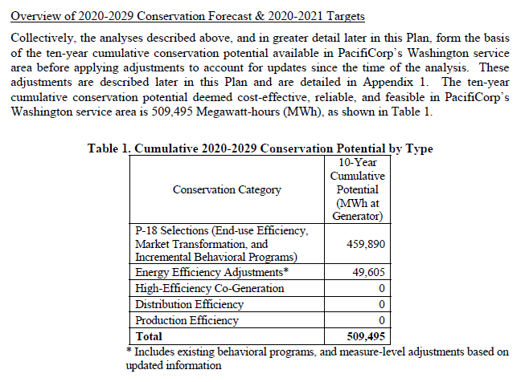
Utility | PacifiCorp |  |  | Summary of Achievement and Targets (MWh)
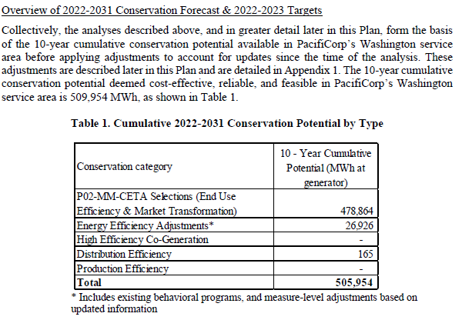
Report Date | 2022-06-23 |  |  |  | 2020-2021 |  | 2022-2023
Contact Name/Dept | Cory Scott/Customer Solutions |  |  |  | Biennial |  | Biennial
Phone | 503-813-6011 |  |  | Potential 2020-2029 | 509,495 | Potential 2022-2031 | 505,954
Email | Cory.Scott@pacificorp.com |  |  | Target 2020-2021 | 93,189 | Target 2022-2023 | 94,210
 |  |  |  | Achievement 2020-2021 | 69,341
 |  |  |  | Excess (Deficit) | (23,848)

Note: Expenditure amounts do not include any customer or other non-utility costs.
Achievement
 |  | 2020 Achievement |  | 2021 Achievement
 | Conservation by Sector | MWh | Utility Expenditures ($) | MWh | Utility Expenditures ($)
 | Residential | 10,539 | $3,278,905 | 2,427 | $4,690,443
 | Commercial | 21,182 | $4,190,443 | 13,668 | $4,049,997
 | Industrial | 6,865 | $1,327,512 | 4,295 | $1,602,222
 | Agriculture | 803 | $258,275 | 496 | $197,848
 | Distribution Efficiency
 | Production Efficiency
 | NEEA | 4,479 | $1,002,231 | 4,587 | $792,519

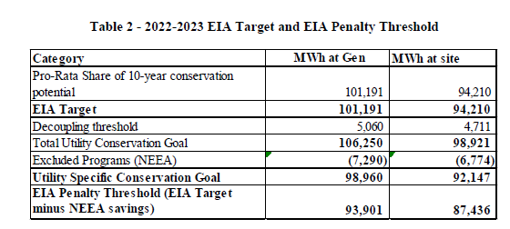
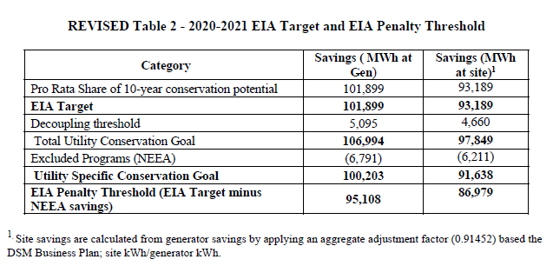
Conservation expenditures NOT included in sector expenditures
 | Evals, system support, EULR, education, outreach & communication |  | $783,125 |  | $701,422

 | Total | 43,868 | $10,840,492 | 25,473 | $12,034,452

Utility | PacifiCorp
Biennial Period | 2020-2021

Potential is MWh at the generator; Targets and Achievements are MWh at the customer meter (at site).
Excess conservation from 2016-2017 of 2,718 MWh (at generator) or 2,488 MWh (at customer meter) was applied to the Company achieved conservation results for 2020-2021 and is not included in the table above.
Excess conservation from 2018-2019 of 2,336 MWh (at generator) or 2,135 MWh (at customer meter) was applied to the Company achieved conservation results for 2020-2021 and is not included in the table above.
Company achieved conservation (excludes NEEA) of 64,897 MWh (at site) is short of the 86,979 MWh (at site) revised biennial target (or EIA penalty threshold) approved by WUTC and subject to penalty.
Total achieved conservation (includes NEEA) of 73,964 MWh (at site) is short of 93,189 MWh (at site) target tracked by the Washington Department of Commerce (or the EIA target). See statute RCW19.285.070.
The quantities submitted above include all areas of conservation effort and achievement, because the Commerce Conservation Report includes areas of conservation which are not included for target setting at the Washington Utilities and Transportation Commission (WUTC).
Based on the provisions of House Bill 1446, the Company is considered in compliance with its biennial acquisition target given the COVID-19 pandemic
1) Significantly impacted program services and performance and prevented the Company from meeting its conservation target,
2) Was beyond the reasonable control of the Company and could not have been reasonably anticipated in 2019 when the 2020-2021 biennial conservation target was established, and
3) Meets the criteria of “natural disasters resulting in the issuance of extended emergency declarations” given Governor Jay Inslee declared a State of Emergency on February 29, 2020, and the State of Emergency was still in place at the end of 2021.
On December 17, 2019, the Commission approved a target at the customer meter of 86,979 MWh (equivalent to 95,108 MWh at gen) for the 2020-2021 biennium in Order 01 in Docket UE-190908 in accordance with WAC 480-109-120. The Commission approved target does not include savings forecasted by NEEA. Table 1 in Order 01 displaying savings at both the generator and customer meter is the source of the target values listed in this report.
Brief description of the methodology used to establish the utility’s ten-year potential and biennial target to capture cost effective conservation:
PacifiCorp relied on 1) its “PacifiCorp Conservation Potential Assessment for 2019-2038" (June 30, 2019), 2) economic screening of the conservation potential identified through the 2019 Integrated Resource Plan (IRP), specifically price policy scenario P-18, and 3) other post IRP adjustments (all documented in Appendix 1 of the PacifiCorp’s ten-year conservation potential and 2020-2021 biennial conservation target report) to establish its ten-year conservation forecast and biennial conservation target.
The way in which the Company arrived at its 2020 -2021 biennial conservation target is explained on pages 14-26 of “PacifiCorp’s 2020-2021 Biennial Conservation Plan for its Washington Service Area” filed in Docket UE-190908 (revised 12/16/2019).
The Company’s engagement with the Washington DSM Advisory Group during the development of the 2020-2021 target is outlined in the on pages 9-13 of “PacifiCorp’s Biennial Conservation Plan for its Washington Service Area” filed in Docket UE-190908 (revised 12/16/2019).
The commission accepted the company’s forecast and target as meeting the requirements to consider all conservation resources that are cost-effective, reliable, and feasible by approval of the Company’s forecast and targets in Docket UE-190098 on December 17, 2019.
Information on Pacific Power's approved 2020 - 2021 target is available in Docket UE-190908.
Notes, including a brief description of the methodology used to establish the utility's ten-year potential and biennial target to capture cost-effective conservation:

