Exh. SEF-4 p 1 PPA Costs (R)
Shaded information is designated as confidential per WAC 480-07-160

REDACTED VERSION

 | Attachment A
 | Accounting Instructions for the Treatment of the Schedule 139, Voluntary Long Term Renewable Energy Purchase Rider (“Green Direct Program”)

 | 4 | Green Direct Monthly Assumed Actual Information |  |  |  |  |  |  |  |  |  |  |  |  |  |  |  |  | Period
 | 5 | Energy Costs |  |  | Dec-21 | Jan-22 | Feb-22 | Mar-22 | Apr-22 | May-22 | Jun-22 | Jul-22 | Aug-22 | Sep-22 | Oct-22 | Nov-22 | Dec-22 |  | to Date
 | 6 | PCA period Green Direct Customers delivered load usage (kWh) |  |  | 57,773,651 | 59,824,972 | 57,882,650 | 47,025,843 | 49,323,544 | 70,408,188 | 60,846,885 | 53,387,062 | 68,858,349 | 74,977,387 | 57,602,440 | 57,013,812 | 62,174,827 | C | 719,325,958
 | 7 | Renewable Energy PPAs net of losses (Generated kWhs) |  |  | 73,793,566 | 45,925,186 | 47,700,919 | 62,557,319 | 64,049,473 | 66,707,416 | 51,929,045 | 49,510,495 | 60,998,875 | 62,576,359 | 55,267,598 | 42,595,119 | 48,876,114 | G | 658,693,918
 | 8 | (Short)/Excess Renewable Energy Generated (kWh) |  |  |  | (13,899,786) | (10,181,731) | 15,531,476 | 14,725,929 | (3,700,772) | (8,917,840) | (3,876,566) | (7,859,474) | (12,401,028) | (2,334,842) | (14,418,693) | (13,298,713) |  | (60,632,040)
 | 9 |  |  |  | long | (short) | (short) | long | long | (short) | (short) | (short) | (short) | (short) | (short) | (short) | (short)
 | 10 | Cumulative (Short)/Excess Renewable Energy Generated (kWh) |  |  | - | (13,899,786) | (24,081,517) | (8,550,041) | 6,175,888 | 2,475,116 | (6,442,724) | (10,319,290) | (18,178,765) | (30,579,792) | (32,914,634) | (47,333,327) | (60,632,040)
 | 11 |  |  |  | long | (short) | (short) | (short) | long | long | (short) | (short) | (short) | (short) | (short) | (short) | (short)
 | 12 | RECs
 | 13 | PPA RECs per Generated MWhs |  |  |  | (13,900) | (10,182) | 15,531 | 14,726 | (3,701) | (8,918) | (3,877) | (7,859) | (12,401) | (2,335) | (14,419) | (13,299)
 | 14 | Less reconciling difference
 | 15 | PPA RECs for Green Direct Customers |  |  |  | (13,900) | (10,182) | 15,531 | 14,726 | (3,701) | (8,918) | (3,877) | (7,859) | (12,401) | (2,335) | (14,419) | (13,299)
 | 16 | RECs purchased for Green Direct Customers*
 | 17 | RECs banked for Green Direct Customers1 | (Cumulative) |  | 227,906 | 214,006 | 203,824 | 219,356 | 234,082 | 230,381 | 221,463 | 217,586 | 209,727 | 197,326 | 194,991 | 180,572 | 167,274
 | 18
 | 19 | Power Prices
 | 20 | PPA Rate per kWh |  |  |  | XXXXX | XXXXX | XXXXX | XXXXX | XXXXX | XXXXX | XXXXX | XXXXX | XXXXX | XXXXX | XXXXX | XXXXX | G
 | 21 | Market Rate per kWh (Average Day Ahead Index for the Month) |  |  |  | $0.03919 | $0.03726 | $0.03369 | $0.07230 | $0.05560 | $0.02259 | $0.05394 | $0.09167 | $0.15164 | $0.06808 | $0.08938 | $0.26268 | K
 | 22
 | 23 | Power Costs Originally Recorded | Mechanism | When
 | 24 | Initial Amount:
 | 25 | PPA Cost - Green Direct Customer Usage | GD | Always |  | $1,950,296 | $2,015,159 | $1,994,944 | $2,045,468 | $2,762,928 | $2,043,229 | $1,995,061 | $2,567,321 | $2,462,291 | $2,580,411 | $1,865,012 | $2,202,823 |  | $26,484,942
 | 26 | PPA Cost - Generation Above Green Direct Usage | GD | Long |  | $0 | $0 | $658,881 | $610,690 | $0 | $0 | $0 | $0 | $0 | $0 | $0 | $0 |  | $1,269,571
 | 27 | Sale of Excess PPA Generation | PCA | Long |  | $0 | $0 | ($523,255) | ($1,064,685) | $0 | $0 | $0 | $0 | $0 | $0 | $0 | $0 |  | ($1,587,940)
 | 28 | Mkt Purchases for Short | PCA | Short |  | $544,733 | $379,371 | $0 | $0 | $205,763 | $201,454 | $209,102 | $720,478 | $1,880,492 | $158,956 | $1,288,743 | $3,493,306 |  | $9,082,397
 | 29
 | 30 | Additional REC Costs Originally Recorded
 | 31 | Green Direct Unbundled REC Purchases | GD | Short
 | 32
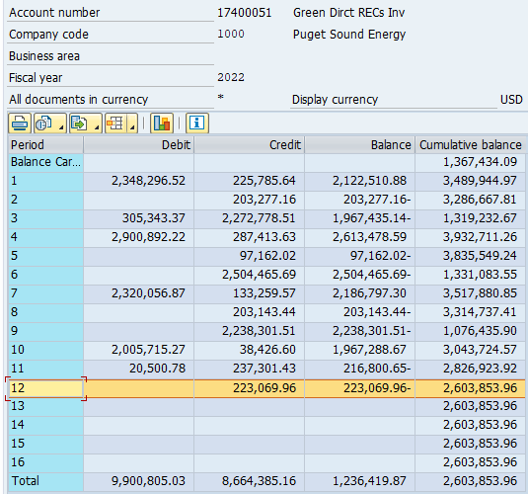
 | 33
 | 34 | *Measured on an annual basis
 | 35 | 1 Amounts measured quarterly
 | 36
 | 37 | Required Journal Entries based on Monthly Actual Information
 | 38 | Adjustment:
 | 39 | Reclassing Short Purchases or Long Sales Out of PCA to GD |  | PCA |  | ($544,733) | ($379,371) | $523,255 | $1,064,685 | ($205,763) | ($201,454) | ($209,102) | ($720,478) | ($1,880,492) | ($158,956) | ($1,288,743) | ($3,493,306) |  | ($7,494,457)
 | 40 | Green Direct Short Purchases |  | GD |  | $544,733 | $379,371 | $0 | $0 | $205,763 | $201,454 | $209,102 | $720,478 | $1,880,492 | $158,956 | $1,288,743 | $3,493,306 |  | $9,082,397
 | 41 | Green Direct Long Sales |  | GD |  | $0 | $0 | ($523,255) | ($1,064,685) | $0 | $0 | $0 | $0 | $0 | $0 | $0 | $0 |  | ($1,587,940)
 | 42
 | 43 | Power Cost Totals:
 | 44 | Net Green Direct Power Costs |  |  |  | $2,495,029 | $2,394,530 | $2,130,569 | $1,591,473 | $2,968,691 | $2,244,683 | $2,204,163 | $3,287,799 | $4,342,783 | $2,739,367 | $3,153,754 | $5,696,129 |  | $35,248,970
 | 45 | Net PCA Power Costs (this should be zero) |  |  |  | $0 | $0 | $0 | $0 | $0 | $0 | $0 | $0 | $0 | $0 | $0 | $0 |  | $0
 | 46
 | 47 | check: Should equal amount of REC transactions |  |  |  | $0 | $0 | $0 | $0 | $0 | $0 | $0 | $0 | $0 | $0 | $0 | $0 |  | $0
 | 48 | In Summary:
 | 49 | If generation is short for the month, move purchases out of PCA
 | 50 | If generation is long for the month, move sales of excess generation out of PCA
 | 51 | If generation is cumulatively long at a quarter end, bank recs; otherwise no recs to record
 | 52
 | 53 | GD REC Inventory:
 | 54 | GD Cumulative Excess REC Inventory Prelim (prior to true-up for Lundhill lag) |  |  |  | 214,006 | 203,824 | 219,356 | 234,082 | 230,381 | 221,463 | 217,586 | 209,727 | 197,326 | 194,991 | 180,572 | 167,274
 | 55 | GD Cumulative True-up for Lundhill month lag |  |  |  | (1,491) | 516 | 4,721 | 2,671 | 384 | (3,836) | (8,318) | (9,866) | (10,051) | (8,805) | (9,061) | (8,078)
 | 56 | GD Cumulative Excess REC Inventory Final |  |  | 228,747 | 212,515 | 204,341 | 224,077 | 236,753 | 230,765 | 217,627 | 209,268 | 199,861 | 187,275 | 186,186 | 171,512 | 159,196
 | 57 | Weighted Ave REC Purchase Price |  |  | $9.32 | $11.66 | $11.48 | $17.19 | $18.77 | $20.79 | $20.00 | $6.91 | $5.62 | $4.97 | $13.21 | $14.30 | $12.34
 | 58
 | 59 | GD Excess REC Inventory Value Per EDA Dept GD RECs | GD |  | 3,715,730.61 | $3,452,058 | $3,319,272 | $3,658,515 | $3,896,456 | $3,797,909 | $3,581,681 | $3,444,115 | $3,289,289 | $3,082,151 | $3,064,225 | $2,822,722 | $2,620,030 | => | $2,620,030 | <= Inventory Balance will not tie to G/L until true-up recorded in subsequent month.
 | 60 | Incremental RECs |  |  |  | - | - | 19,736 | 12,676 | - | - | - | - | - | - | - | - |  | (16,176) | less Dec True-up recorded Jan 2023
 | 61 | GD Excess REC Inventory Value SAP GL Acct 17400051 |  |  |  |  |  |  |  |  |  |  |  |  |  |  |  |  | $2,603,853 | <= equals G/L Balance

Exh. SEF-4 p 2 Fixed Costs
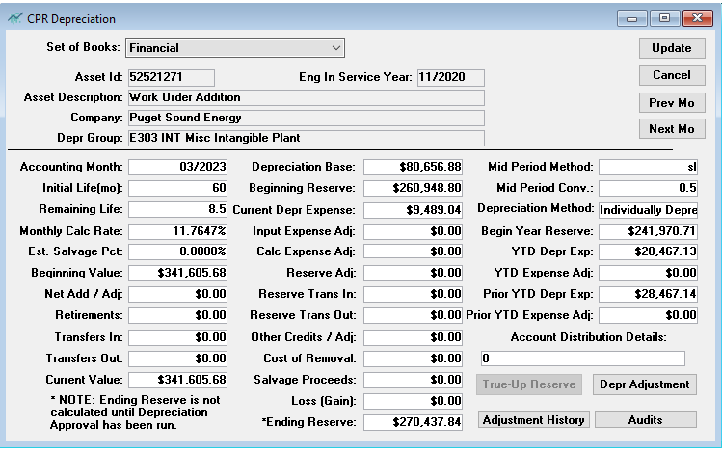
Reporting for the Treatment of the Schedule 139, Voluntary Long Term Renewable
Energy Purchase Rider (“Green Direct Program”)
2022 Fixed Costs

 | Employee Labor | $19,449.01
 | Depreciation | $113,868

 | Labor
 | Work Order | WBS | Description | Jan-21 | Feb-21 | Mar-21 | Apr-21 | May-21 | Jun-21 | Jul-21 | Aug-21 | Sep-21 | Oct-21 | Nov-21 | Dec-21 | Totals
 | 92001233 | C.99999.03.37.01 | Admin | $0.00 | $0.00 | $3,322.13 | $6,090.51 | $4,983.15 | $5,536.83 | $0.00 | -$8,443.61 | $0.00 | $0.00 | $0.00 | $0.00 | $11,489.01
 | 92301153 | C.99999.03.37.01 | Outside Services | $0.00 | $0.00 | $7,960.00 | $0.00 | $0.00 | $0.00 | $0.00 | $0.00 | $0.00 | $0.00 | $0.00 | $0.00 | $7,960.00
 |  |  |  |  |  |  |  |  |  |  |  |  |  |  |  | $19,449.01

 | Depreciation | $9,489 | $113,868

