DR 61 SmartBurn JE
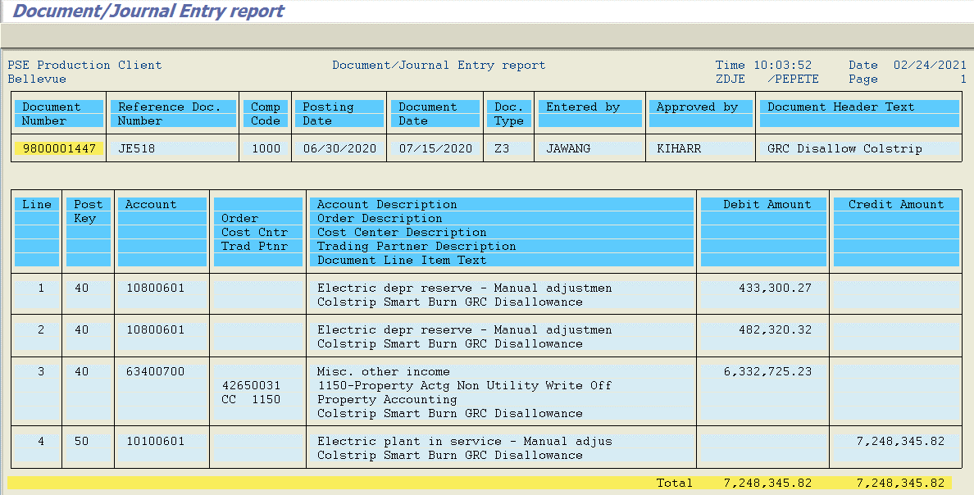

Total Gross Plant = | $7,248,345.82
Total Accum Depr = $433,300.27 + $482,320.32 = | $915,620.59
Net Plant Write Off = | $6,332,725.23

