Col Acq Adj
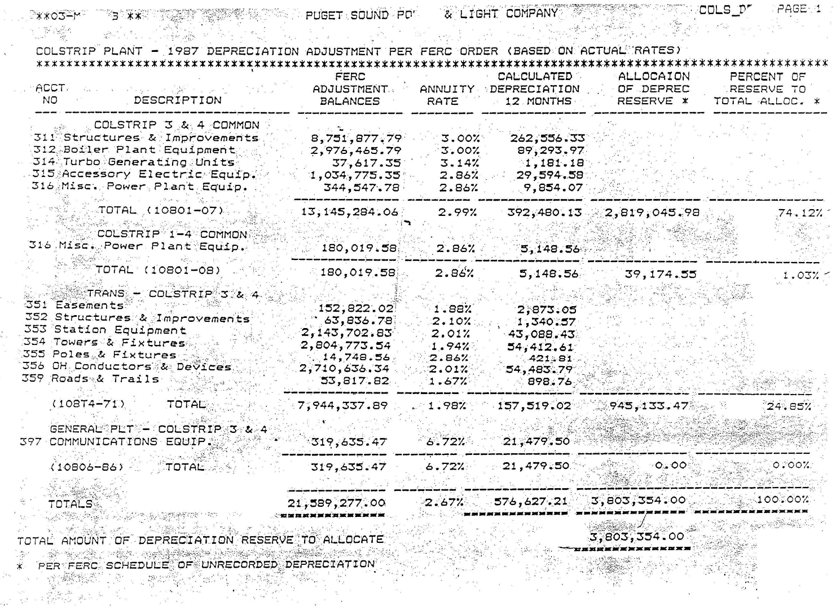
Account | 18230061 | Electric - Colstrip |  |  |  |  | 75.15% | 24.85%
 | Debit | Credit | Balance |  | Cum. balance
Jun-19 | 0.00 | 11,567 | (11,567) |  | 691,831
Period
Jul-19 | 0.00 | 11,567 | (11,567) |  | 680,264
Aug-19 | 0.00 | 11,567 | (11,567) |  | 668,697
Sep-19 | 0.00 | 11,567 | (11,567) |  | 657,130
Oct-19 | 0.00 | 11,567 | (11,567) |  | 645,563
Nov-19 | 0.00 | 11,567 | (11,567) |  | 633,996
Dec-19 | 0.00 | 11,567 | (11,567) |  | 622,429
Jan-20 | 0.00 | 11,567 | (11,567) |  | 610,862
Feb-20 | 0.00 | 11,567 | (11,567) |  | 599,295
Mar-20 | 0.00 | 11,567 | (11,567) |  | 587,728
Apr-20 | 0.00 | 11,567 | (11,567) |  | 576,161
May-20 | 0.00 | 11,567 | (11,567) |  | 564,594
Jun-20 | 0.00 | 11,567 | (11,567) |  | 553,027
AMA 6/2020 |  |  | (138,804) |  | 622,429

 |  |  |  |  | AMA | EOP
Production |  | 75.15% | (104,311) |  | 467,755 | 415,600
Transmission |  | 24.85% | (34,493) |  | 154,674 | 137,427
 |  |  | (138,804) | - | 622,429 | 553,027

