CEIP_210795
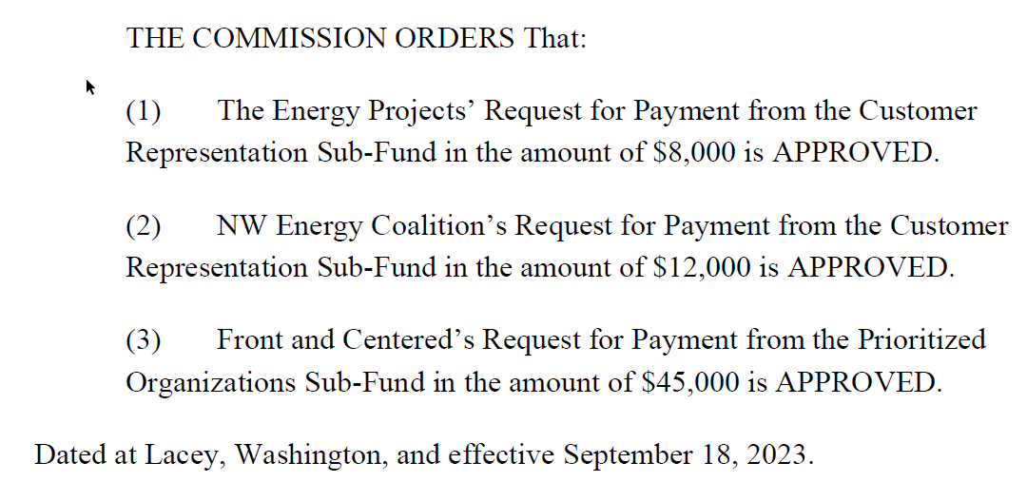
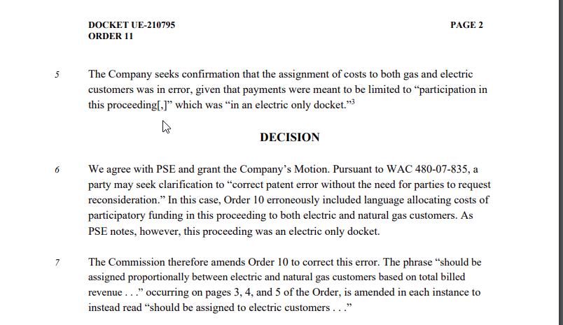
Payee/Intervenor | Amount | Utility | How split E/G | Customer Class
TEP | $8,000 | Electric and Gas | total billed revenue | Residential
NWEC | $12,000 | Electric and Gas | total billed revenue | All
Front and Centered | $45,000 | Electric and Gas | total billed revenue | All
 | $65,000 |  |  |  |  | UE-210795 - Order 10 Approving Payments - PSE CEIP.pdf

 |  |  | 92800003 | 92800302
 |  |  | Billed Revenue | Billed Revenue
 |  |  | Residential-E | Residential-G
 |  |  | $1,246,810,644 | $682,307,942
TEP |  |  | 100% | 0%
 | $8,000 |  | $8,000 | $- | $8,000

 |  |  | Billed Revenue | Billed Revenue
 |  |  | All Classes-E | All Classes-G
 |  |  | $2,203,916,901 | $967,110,577
NWEC |  |  | 100% | 0%
 | $12,000 |  | $12,000 | $- | $12,000

 |  |  | Billed Revenue | Billed Revenue
 |  |  | All Classes-E | All Classes-G
 |  |  | $2,203,916,901 | $967,110,577
Front and Centered |  |  | 100% | 0%
 | $45,000 |  | $45,000 | $- | $45,000

Billed E
 |  |  |  | FERC Amount
Receiving Regulatory |  | CO Order |  | $ |  | Billed | Unbilled | Total
4400 | Electric Residential Sales | 44000005 | Residential - Electric Service | -1,246,830,647.41 |  | (1,246,830,647) |  | (1,246,830,647)
 |  | 44000121 | EV Happy hour credit billing-Residential | 20,003.41 |  | 20,003 |  | 20,003
 |  | 44000301 | Residential Unbilled Revenue | -19,071,525.79 |  |  | (19,071,526) | (19,071,526)
 |  | Result |  | -1,265,882,169.79
4420 | Electric Commercial and Industrial Sales | 44200005 | Commercial - Electric Service | -825,535,377.61 |  | (825,535,378) |  | (825,535,378)
 |  | 44200193 | MSFT Customer Charge - Primary | -258,033.32 |  | (258,033) |  | (258,033)
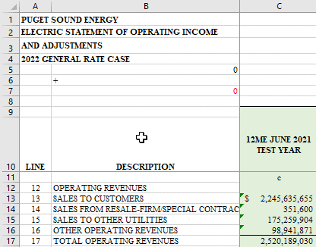
 |  | 44200194 | MSFT Customer Charge - Secondary | -769,652.44 |  | (769,652) |  | (769,652)
 |  | 44200195 | MSFT Distribution Charge | -2,770,313.53 |  | (2,770,314) |  | (2,770,314)
 |  | 44200196 | MSFT Consrv Prgrm Chrg - Custm Contracts | -1,118,376.10 |  | (1,118,376) |  | (1,118,376)
 |  | 44200197 | MSFT Low Income Program | -173,327.51 |  | (173,328) |  | (173,328)
 |  | 44200198 | MSFT Rider Surcharge | -1,820,228.65 |  | (1,820,229) |  | (1,820,229)
 |  | 44200199 | MSFT Franchise Fee - C&I | -442,395.65 |  | (442,396) |  | (442,396)
 |  | 44200205 | Commercial - Electric Transportation Svc | 7,700.37 |  | 7,700 |  | 7,700
 |  | 44200305 | Industrial - Electric Service | -103,780,229.70 |  | (103,780,230) |  | (103,780,230)
 |  | 44200385 | Industrial - Electric Transportation Svc | -2,489,239.13 |  | (2,489,239) |  | (2,489,239)
 |  | 44200551 | Commercial-Green Power Certificates | -51,594.32 |  | (51,594) |  | (51,594)
 |  | 44200552 | Commercial - Clear Green Power PSE Facil | 32,969.88 |  | 32,970 |  | 32,970
 |  | 44200621 | Commercial Unbilled Revenue | -20,142,933.26 |  |  | (20,142,933) | (20,142,933)
 |  | 44200631 | Commercial Transportation Unbilled Rev | 305,696.55 |  | 305,697 |  | 305,697
 |  | 44200641 | Industrial Unbilled Revenue | -1,969,638.42 |  |  | (1,969,638) | (1,969,638)
 |  | 44200651 | Industrial Transportation Unbilled Rev | -309,088.12 |  | (309,088) |  | (309,088)
 |  | Result |  | -961,284,060.96 |  |  |  | -
4440 | Public Street and Highway Lighting | 44400005 | Public Street and Highway Lighting | -17,934,767.84 |  | (17,934,768) |  | (17,934,768)
 |  | 44400301 | Lighting Unbilled Revenue | -534,656.31 |  |  | (534,656) | (534,656)
 |  | Result |  | -18,469,424.15 |  | (2,203,916,901) | (41,718,754) | (2,245,635,655) | Electric Sales
 |  |  |  | -2,245,635,654.90
 |  |  |  |  | Residential | (1,246,810,644)
 |  |  |  |  | Commercial | (832,592,932)
 |  |  |  |  | Industrial | (106,578,557)
 |  |  |  |  | Lighting | (17,934,768)
 |  |  |  |  |  | (2,203,916,901)

