Excise Tax
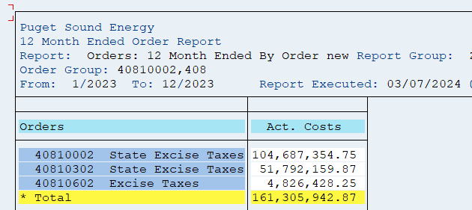
CO Order |  | Fiscal year/period | $ |  | Test Year |  | Restating Adjustments |  | Restated |  | Reason for
CO Order |  | Fiscal year/period | $ |  | Electric | Gas | Electric | Gas | Electric | Gas | Adjustment
40810002 | State Excise Taxes | K1/001/2023 | 10,718,751.88 | 10,718,751.88 | 10,718,751.88 | - | (0.01) | - | 10,718,751.87 | - | 1 | Allocation Factors:
40810002 | State Excise Taxes | K1/002/2023 | 10,395,642.43 | 10,395,642.43 | 10,395,642.43 | - | - | - | 10,395,642.43 | - |  | Electric | 65.56%
40810002 | State Excise Taxes | K1/003/2023 | 10,290,347.22 | 10,290,347.22 | 10,290,347.22 | - | - | - | 10,290,347.22 | - |  | Gas | 34.44%
40810002 | State Excise Taxes | K1/004/2023 | 9,230,646.40 | 9,230,646.40 | 9,230,646.40 | - | - | - | 9,230,646.40 | -
40810002 | State Excise Taxes | K1/005/2023 | 7,483,522.54 | 7,483,522.54 | 7,483,522.54 | - | - | - | 7,483,522.54 | -
40810002 | State Excise Taxes | K1/006/2023 | 6,965,779.28 | 6,965,779.28 | 6,965,779.28 | - | - | - | 6,965,779.28 | -
40810002 | State Excise Taxes | K1/007/2023 | 7,446,193.59 | 7,446,193.59 | 7,446,193.59 | - | - | - | 7,446,193.59 | -
40810002 | State Excise Taxes | K1/008/2023 | 8,054,633.95 | 8,054,633.95 | 8,054,633.95 | - | - | - | 8,054,633.95 | -
40810002 | State Excise Taxes | K1/009/2023 | 5,543,884.91 | 5,543,884.91 | 5,543,884.91 | - | - | - | 5,543,884.91 | -
40810002 | State Excise Taxes | K1/010/2023 | 8,417,341.70 | 8,417,341.70 | 8,417,341.70 | - | - | - | 8,417,341.70 | -
40810002 | State Excise Taxes | K1/011/2023 | 9,774,832.17 | 9,774,832.17 | 9,774,832.17 | - | - | - | 9,774,832.17 | -
40810002 | State Excise Taxes | K1/012/2023 | 10,365,778.68 | 10,365,778.68 | 10,365,778.68 | - | 591.08 | - | 10,366,369.76 | - | 2
40810002 | State Excise Taxes | Result
40810302 | State Excise Taxes | K1/001/2023 | 6,858,557.18 | 6,858,557.18 | - | 6,858,557.18 | - | 214.87 | - | 6,858,772.05 | 1
40810302 | State Excise Taxes | K1/002/2023 | 6,714,422.28 | 6,714,422.28 | - | 6,714,422.28 | - | - | - | 6,714,422.28
40810302 | State Excise Taxes | K1/003/2023 | 6,333,324.92 | 6,333,324.92 | - | 6,333,324.92 | - | - | - | 6,333,324.92
40810302 | State Excise Taxes | K1/004/2023 | 5,291,167.98 | 5,291,167.98 | - | 5,291,167.98 | - | - | - | 5,291,167.98
40810302 | State Excise Taxes | K1/005/2023 | 2,599,911.51 | 2,599,911.51 | - | 2,599,911.51 | - | - | - | 2,599,911.51
40810302 | State Excise Taxes | K1/006/2023 | 2,162,468.37 | 2,162,468.37 | - | 2,162,468.37 | - | - | - | 2,162,468.37
40810302 | State Excise Taxes | K1/007/2023 | 1,767,562.64 | 1,767,562.64 | - | 1,767,562.64 | - | - | - | 1,767,562.64
40810302 | State Excise Taxes | K1/008/2023 | 1,774,872.34 | 1,774,872.34 | - | 1,774,872.34 | - | - | - | 1,774,872.34
40810302 | State Excise Taxes | K1/009/2023 | 2,169,335.38 | 2,169,335.38 | - | 2,169,335.38 | - | - | - | 2,169,335.38
40810302 | State Excise Taxes | K1/010/2023 | 4,146,027.36 | 4,146,027.36 | - | 4,146,027.36 | - | - | - | 4,146,027.36
40810302 | State Excise Taxes | K1/011/2023 | 5,504,895.49 | 5,504,895.49 | - | 5,504,895.49 | - | - | - | 5,504,895.49
40810302 | State Excise Taxes | K1/012/2023 | 6,469,614.42 | 6,469,614.42 | - | 6,469,614.42 | - | (1,578,124.29) | - | 4,891,490.13 | 2
40810302 | State Excise Taxes | Result
40810602 | Excise Taxes | K1/001/2023 | 279,130.15 | 279,130.15 | 182,997.73 | 96,132.42 | (2,501.99) | (1,314.35) | 180,495.73 | 94,818.08 | 1
40810602 | Excise Taxes | K1/002/2023 | 160,675.20 | 160,675.20 | 105,338.66 | 55,336.54 | - | - | 105,338.66 | 55,336.54
40810602 | Excise Taxes | K1/003/2023 | 250,158.73 | 250,158.73 | 164,004.06 | 86,154.67 | - | - | 164,004.06 | 86,154.67
40810602 | Excise Taxes | K1/004/2023 | 182,002.57 | 182,002.57 | 119,320.88 | 62,681.69 | - | - | 119,320.88 | 62,681.69
40810602 | Excise Taxes | K1/005/2023 | 170,285.42 | 170,285.42 | 111,639.12 | 58,646.30 | - | - | 111,639.12 | 58,646.30
40810602 | Excise Taxes | K1/006/2023 | 366,620.98 | 366,620.98 | 240,356.71 | 126,264.27 | - | - | 240,356.71 | 126,264.27
40810602 | Excise Taxes | K1/007/2023 | 235,271.39 | 235,271.39 | 154,243.92 | 81,027.47 | - | - | 154,243.92 | 81,027.47
40810602 | Excise Taxes | K1/008/2023 | 169,351.26 | 169,351.26 | 111,026.69 | 58,324.57 | - | - | 111,026.69 | 58,324.57
40810602 | Excise Taxes | K1/009/2023 | 260,438.01 | 260,438.01 | 170,743.16 | 89,694.85 | - | - | 170,743.16 | 89,694.85
40810602 | Excise Taxes | K1/010/2023 | 403,078.23 | 403,078.23 | 264,258.09 | 138,820.14 | - | - | 264,258.09 | 138,820.14
40810602 | Excise Taxes | K1/011/2023 | 550,876.03 | 550,876.03 | 361,154.33 | 189,721.70 | - | - | 361,154.33 | 189,721.70
40810602 | Excise Taxes | K1/012/2023 | 1,798,540.28 | 1,798,540.28 | 1,179,123.01 | 619,417.27 | 916,863.88 | 481,647.22 | 2,095,986.88 | 1,101,064.50 | 2
40810602 | Excise Taxes | Result
Overall Result |  |  |  |  | - | - | - | - | - | -

Total Electric Only Excise Taxes |  |  | 40810002 |  | 104,687,354.75 | - | 591.07 | - | 104,687,945.82 | -
Total Gas Only Excise Taxes |  |  | 40810302 |  | - | 51,792,159.87 | - | (1,577,909.42) | - | 50,214,250.45
Total Common Allocated To Elec and Gas |  |  | 40810602 |  | 3,164,206.36 | 1,662,221.89 | 914,361.88 | 480,332.88 | 4,078,568.25 | 2,142,554.76
Grand Total Excise Tax |  |  |  |  | 107,851,561.11 | 53,454,381.76 | 914,952.95 | (1,097,576.54) | 108,766,514.07 | 52,356,805.21

1. Remove True-ups related to Dec 2022 (reported in Jan 2023)
2. Add True-ups related to December 2023 (reported in January 2024)

JE Backup
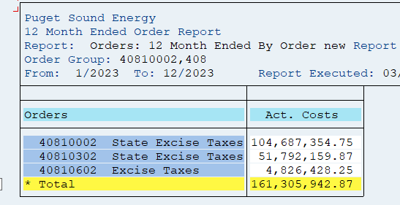

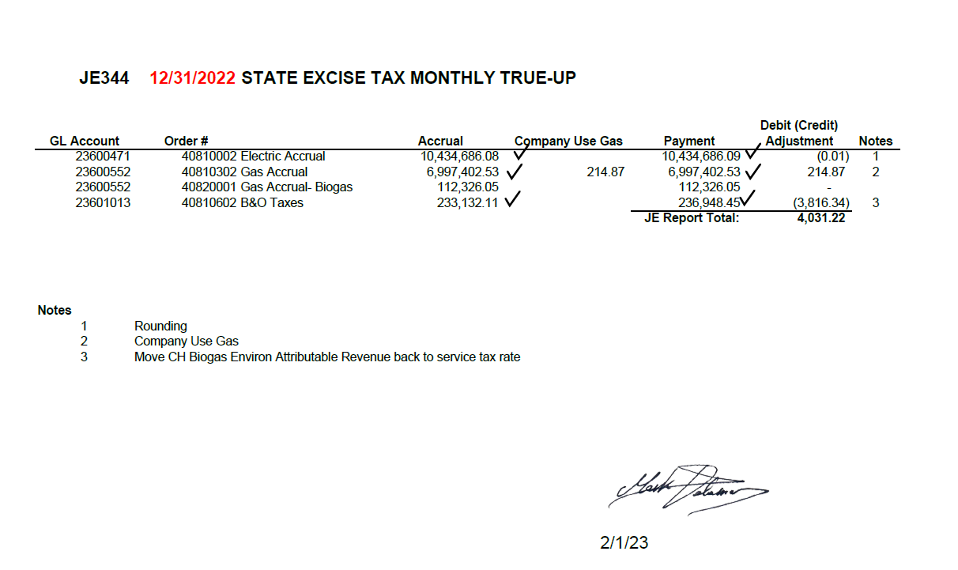
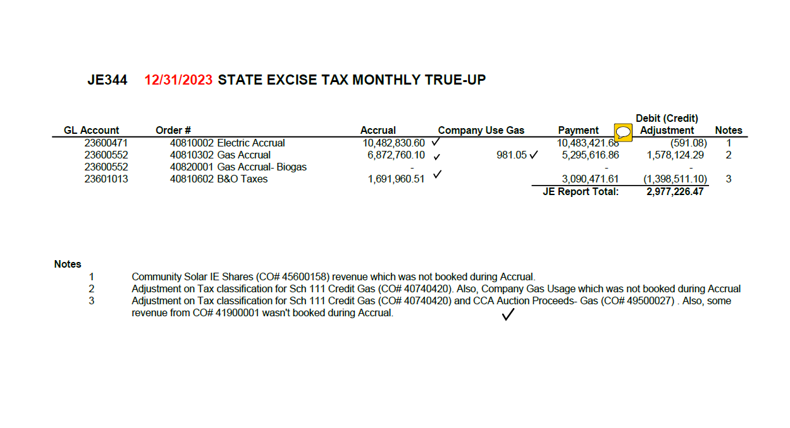

Filing Fees TY
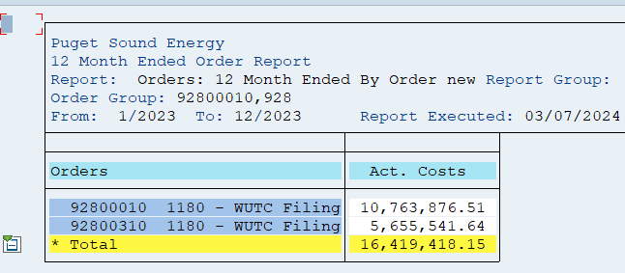
 |  |  | FERC Amount |  |  |  | Amount
CO Order |  | Fiscal year/period | $ | CO Order |  | Fiscal year/period | $
92800010 | 1180 - WUTC Filing Fees - Electric | K1/001/2023 | 1,295,089 | 92800010 | 1180 - WUTC Filing Fees - Electric | K1/001/2023 | 1,295,089
 |  | K1/002/2023 | 1,214,341 | 92800010 | 1180 - WUTC Filing Fees - Electric | K1/002/2023 | 1,214,341
 |  | K1/003/2023 | 1,063,305 | 92800010 | 1180 - WUTC Filing Fees - Electric | K1/003/2023 | 1,063,305
 |  | K1/004/2023 | -106,101 | 92800010 | 1180 - WUTC Filing Fees - Electric | K1/004/2023 | -106,101
 |  | K1/005/2023 | 798,487 | 92800010 | 1180 - WUTC Filing Fees - Electric | K1/005/2023 | 798,487
 |  | K1/006/2023 | 764,382 | 92800010 | 1180 - WUTC Filing Fees - Electric | K1/006/2023 | 764,382
 |  | K1/007/2023 | 865,158 | 92800010 | 1180 - WUTC Filing Fees - Electric | K1/007/2023 | 865,158
 |  | K1/008/2023 | 934,531 | 92800010 | 1180 - WUTC Filing Fees - Electric | K1/008/2023 | 934,531
 |  | K1/009/2023 | 823,620 | 92800010 | 1180 - WUTC Filing Fees - Electric | K1/009/2023 | 823,620
 |  | K1/010/2023 | 940,299 | 92800010 | 1180 - WUTC Filing Fees - Electric | K1/010/2023 | 940,299
 |  | K1/011/2023 | 1,029,514 | 92800010 | 1180 - WUTC Filing Fees - Electric | K1/011/2023 | 1,029,514
 |  | K1/012/2023 | 1,141,252 | 92800010 | 1180 - WUTC Filing Fees - Electric | K1/012/2023 | 1,141,252
 |  | Result | 10,763,876.51 | 92800010 | 1180 - WUTC Filing Fees - Electric | Result | 10,763,877
92800310 | 1180 - WUTC Filing Fees - Gas | K1/001/2023 | 738,216 | 92800310 | 1180 - WUTC Filing Fees - Gas | K1/001/2023 | 738,216
 |  | K1/002/2023 | 700,898 | 92800310 | 1180 - WUTC Filing Fees - Gas | K1/002/2023 | 700,898
 |  | K1/003/2023 | 643,692 | 92800310 | 1180 - WUTC Filing Fees - Gas | K1/003/2023 | 643,692
 |  | K1/004/2023 | 566,859 | 92800310 | 1180 - WUTC Filing Fees - Gas | K1/004/2023 | 566,859
 |  | K1/005/2023 | 274,259 | 92800310 | 1180 - WUTC Filing Fees - Gas | K1/005/2023 | 274,259
 |  | K1/006/2023 | 245,526 | 92800310 | 1180 - WUTC Filing Fees - Gas | K1/006/2023 | 245,526
 |  | K1/007/2023 | 197,159 | 92800310 | 1180 - WUTC Filing Fees - Gas | K1/007/2023 | 197,159
 |  | K1/008/2023 | 196,814 | 92800310 | 1180 - WUTC Filing Fees - Gas | K1/008/2023 | 196,814
 |  | K1/009/2023 | 225,876 | 92800310 | 1180 - WUTC Filing Fees - Gas | K1/009/2023 | 225,876
 |  | K1/010/2023 | 461,280 | 92800310 | 1180 - WUTC Filing Fees - Gas | K1/010/2023 | 461,280
 |  | K1/011/2023 | 665,865 | 92800310 | 1180 - WUTC Filing Fees - Gas | K1/011/2023 | 665,865
 |  | K1/012/2023 | 739,096 | 92800310 | 1180 - WUTC Filing Fees - Gas | K1/012/2023 | 739,096
 |  | Result | 5,655,541.64 | 92800310 | 1180 - WUTC Filing Fees - Gas | Result | 5,655,542
Overall Result |  |  | 16,419,418.15 |  |  |  | 16,419,418

