References
Murrey's Disposal Co., Inc. G-9
American Disposal Co., Inc. G-87 |  |  |  |  |  |  |  |  | INPUT CELLS
Dump Fee Calc References

Monthly Factor
Pickups: |  | 1 unit | 2 units | 3 units | 4 units | 5 units | 6 units | 7 unit | Container Each Addn'l Pick-Up
5 Times per Week |  | 21.67 | 43.33 | 65.00 | 86.67 | 108.33 | 130.00 | 151.67 | 20.67
4 Times per Week |  | 17.33 | 34.67 | 52.00 | 69.33 | 86.67 | 104.00 | 121.33 | 16.33
3 Times per Week |  | 13.00 | 26.00 | 39.00 | 52.00 | 65.00 | 78.00 | 91.00 | 12.00
2 Times per Week |  | 8.67 | 17.33 | 26.00 | 34.67 | 43.33 | 52.00 | 60.67 | 7.67
Weekly Pickup (WG) |  | 4.33 | 8.67 | 13.00 | 17.33 | 21.67 | 26.00 | 30.33 | 3.33
Every Other Week (EOWG) |  | 2.17 | 4.33 | 6.50 | 8.67 | 10.83 | 13.00 | 15.17
Monthly (MG) |  | 1.00 | 2.00 | 3.00 | 4.00 | 5.00 | 6.00 | 7.00
Extra Units |  | 1.00
Meeks Weights
Res'l |  | Pounds per Pickup
20 gal minican |  | 20
1 can |  | 34
2 cans |  | 51
3 cans |  | 77 |  |  |  | Lbs. per ton | 2,000
4 cans |  | 97 |  |  |  | Yds. Per ton | n/a
5 cans |  | 117
6 cans |  | 137 |  |  |  | Annual | 12
40 gallon Can |  | 40 | *
Supercan 60 |  | 47
Supercan 90 |  | 68
Once a month |  | 34
Extras |  | 34
Com'l
Cans |  | 29
Yards |  | 125
1 yd container |  | 175
1.5 yd container |  | 250
2 yd container |  | 324
3 yd container |  | 473
4 yd container |  | 613
6 yd container |  | 840
8 yd container |  | 980
Compaction Ratio: 2:25 | 2.25
2 yd packer/compactor |  | 729 | *
4 yd packer/compactor |  | 1,379 | *
6 yd packer/compactor |  | 1,890 | *
Compaction Ratio: 3:1 | 3
2 yd packer/compactor |  | 972 | *
3 yd packer/compactor |  | 1,419 | *
4 yd packer/compactor |  | 1,839 | *
6 yd packer/compactor |  | 2,520 | *
Compaction Ratio: 4:1 | 4
3 yd packer/compactor |  | 1,892 | *
4 yd packer/compactor |  | 2,452 | *
6 yd packer/compactor |  | 3,360 | *
Compaction Ratio: 5:1 | 5
4 yd packer/compactor |  | 3,065 | *
6 yd packer/compactor |  | 4,200 | *
 |  | * not on meeks - for compactors
 |  | calculated weight times compaction ratio

Pierce County |  | Per Ton | Per Pound |  |  | Gross Up Factors
Current Rate |  | $167.38 | $0.084 |  |  | B&O tax | 0.017500
New Rate per ton |  | $168.51 | $0.084 |  |  | WUTC fees | 0.005100
Increase |  | $1.13 | $0.000565 | 0.68% |  | Bad Debts
 |  |  | $0.000578 |  |  | Total | 2.2600%
 |  | RO
Increase per ton |  | $1.13 |  |  |  | Factor | 0.977400
Grossed Up Increase per ton |  | $1.16
Packer Tons Collected |  | 81,906
Disposal Fee Revenue Increase |  | $94,694

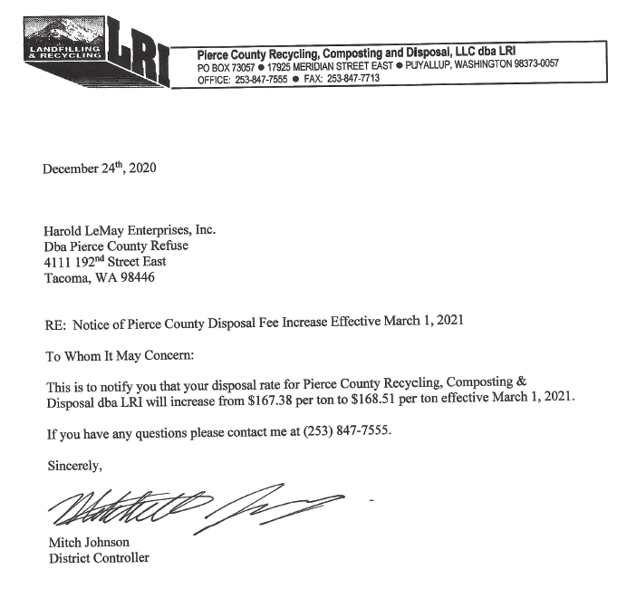
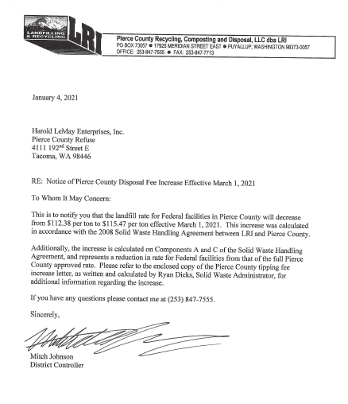
JBLM Housing - Federal Rate |  | Per Ton | Per Pound
Current Rate |  | $112.38 | $0.056
New Rate per ton |  | $115.47 | $0.058
Increase |  | $3.09 | $0.001545 | 2.75%
 |  |  | $0.001581
 |  | RO
Increase per ton |  | $3.09
Grossed Up Increase per ton |  | $3.16
Packer Tons Collected |  | 5,255
Disposal Fee Revenue Increase |  | $16,614

Company Proposed Rates |  | Res'l & Com'l
Revenue Inc from Co Proposed Rates |  | $111,280
Collected Revenue Excess/(Deficiency) |  | $28 | Immaterial

