ZO12 SCh142
ZO12 Orders: Actual 12 Month Ended 12-2019
Date: 03/03/2020
Electric Decoupling Amorts (Confirm w Revenue Acctng 3/03/2020)
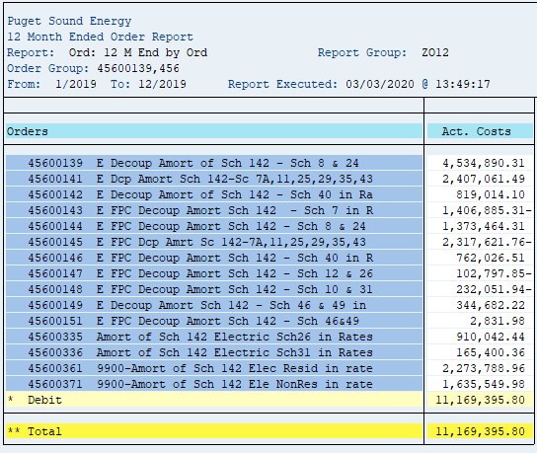

Orders | Act. Costs
45600335 Amort of Sch 142 Electric Sch26 in Rates | 910,042.44
45600336 Amort of Sch 142 Electric Sch31 in Rates | 165,400.36
45600361 9900-Amort of Sch 142 Elec Resid in rate | 2,273,788.96
45600371 9900-Amort of Sch 142 Ele NonRes in rate | 1,635,549.98
45600139 E Decoup Amort of Sch 142 - Sch 8 & 24 | 4,534,890.31
45600141 E Dcp Amort Sch 142-Sc 7A,11,25,29,35,43 | 2,407,061.49
45600142 E Decoup Amort of Sch 142 - Sch 40 in Ra | 819,014.10
45600143 E FPC Decoup Amort Sch 142 - Sch 7 in R | (1,406,885.31)
45600144 E FPC Decoup Amort Sch 142 - Sch 8 & 24 | 1,373,464.31
45600145 E FPC Dcp Amrt Sc 142-7A,11,25,29,35,43 | (2,317,621.76)
45600146 E FPC Decoup Amort Sch 142 - Sch 40 in R | 762,026.51
45600147 E FPC Decoup Amort Sch 142 - Sch 12 & 26 | (102,797.85)
45600148 E FPC Decoup Amort Sch 142 - Sch 10 & 31 | (232,051.94)
45600149 E Decoup Amort Sch 142 - Sch 46 & 49 in | 344,682.22
45600151 E FPC Decoup Amort Sch 142 - Sch 46&49 | 2,831.98
Total | 11,169,395.80

CONVERSION FACTOR EXCLUDING FIT | 0.952009

Decoupling Revenue | (11,732,447.70)

SCH 140 Prop Tax
ZO12 Orders: Actual 12 Month Ended 12-2019
Date: 03/6/2020

 | 40810006 Property Taxes-Washington-Electric | 40810009 Prop Tax Sch140 Tracker Amort Defer-Elec | 40810012 Property Taxes - Oregon | 40810013 Property Taxes - Montana | Total Expense
 | 24,964,571 | 20,599,723 | 573,843 | 12,318,075
 | $24,964,571 | $20,599,723 | $573,843 | $12,318,075 | $58,456,212

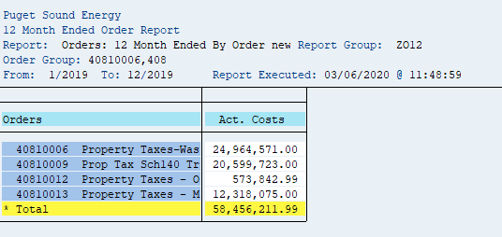

 |  | 0.00

ZO12 Exp Orders
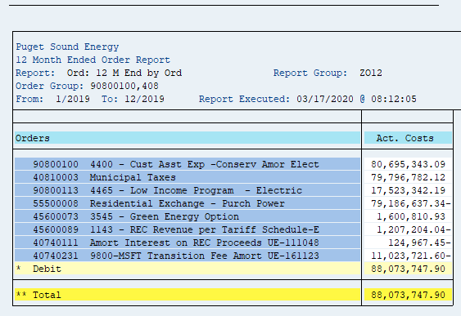
ZO12 Orders: Actual 12 Month Ended 12-2019
Date: 02/12/2020
Pages: 0

Orders | Act. Costs
90800100 4400 - Cust Asst Exp -Conserv Amor Elect | 80,695,343.09
40810003 Municipal Taxes | 79,796,782.12
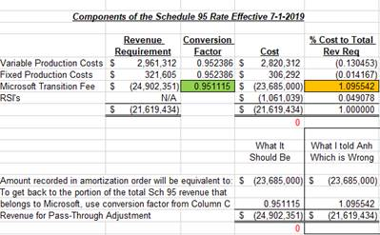
90800113 4465 - Low Income Program - Electric | 17,523,342.19
55500008 Residential Exchange - Purch Power | (79,186,637.34)
45600073 3545 - Green Energy Option | 1,600,810.93
45600089 1143 - REC Revenue per Tariff Schedule-E | (1,207,204.04)
40740111 Amort Interest on REC Proceeds UE-111048 | (124,967.45)
40740231 9800#MSFT Transition Fee Amort UE-161123 | (11,023,721.60)
Total | 88,073,747.90

conversion factor for MSFT | 0.951115
MSFT revenue | (11,590,314.11)

ZO12 Ord 55700200
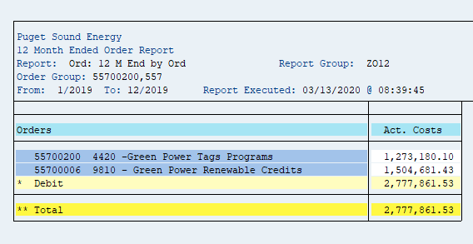
ZO12 Orders: Actual 12 Month Ended 12-2019
Date: 03/13/2020

Orders | Act. Costs
55700200 4420 -Green Power Tags Programs | 1,273,180.10
55700006 9810 -Green Power Renewable Credits | 1,504,681.00
Total | 2,777,861.10

