Distribution Subs 2017
Puget Sound Energy
Directly Assigned Distribution Plant
Schedule 40
2017 Substation Cost Calculation

Line | Description | Total | Customer 1 |  |  |  |  |  |  |  |  |  |  |  |  |  |  |  |  |  |  |  |  | Customer 2 |  |  |  |  |  |  |  |  |  | Customer 3 |  |  |  |  |  | Customer 4 |  |  |  |  | Customer 5 |  |  |  |  | Customer 6 |  |  |  | Customer 8 |  |  |  | Customer 9 |  |  |  |  |  | Customer 10 |  |  | Customer 11 |  |  | Customer 12 |  |  |  |  |  | Customer 7
1 | Substation |  | Sub 1 - Evergreen |  |  |  | Sub 2 - Kenilworth |  |  |  |  | Sub 3 - Spiritbrook |  |  |  |  |  | Sub 5 - Bridal Trails |  |  | Sub 15 - Ardmore |  |  | Sub 1 - Evergreen |  |  |  | Sub 5 - Bridal Trails |  |  | Sub 15 - Ardmore |  |  | Sub 3 - Spiritbrook |  |  |  |  |  | Sub 6 - Kent |  |  |  |  | Sub 7 - Victoria Park |  |  |  |  | Sub 8 - Airport |  |  |  | Sub 10 - North Bellevue |  |  |  | Sub 11 - Center |  |  | Sub 10 - North Bellevue |  |  | Sub 12 - M Street |  |  | Sub 13 - Goodes Corner |  |  | Sub 14 - Cedarhurst |  |  |  |  |  | Sub 9 - Falcon
2 | Allocations |  | Original | Retirements | Additions | Additions | Original | Retirements | Additions | Additions | Additions | Original | Retirements | Additions | Additions | Additions | Additions | Original | Retirements | Additions | Original | Retirements | Additions | Original | Retirements | Additions | Additions | Original | Retirements | Additions | Original | Retirements | Additions | Original | Retirements | Additions | Additions | Additions | Additions | Original | Retirements | Additions | Additions | Additions | Original | Retirements | Additions | Additions | Additions | Original | Transfer | Additions | Additions | Original | Retirements | Additions | Additions | Original | Retirements | Additions | Original | Retirements | Additions | Original | Retirements | Additions | Original | Retirements | Additions | Original | Retirements | Additions |  |  |  | Original | Retirements | Additions | Additions | Additions
3 | % Alloc to Customer |  | 56.2% | 56.2% | 56.2% | 56.2% | 50.0% | 50.0% | 50.0% | 50.0% | 50.0% | 25.7% | 25.7% | 25.7% | 25.7% | 25.7% | 25.7% | 0.0% | 0.0% | 0.0% | 32.2% |  |  | 18.9% | 18.9% | 18.9% | 18.9% | 47.4% | 47.4% | 47.4% | 17.9% |  |  | 23.7% | 23.7% | 23.7% | 23.7% | 23.7% | 23.7% | 11.5% | 11.5% | 11.5% | 11.5% | 11.5% | 27.0% | 27.0% | 27.0% | 27.0% | 27.0% | 32.2% | 32.2% | 32.2% | 32.2% | 12.8% | 12.8% | 12.8% | 12.8% | 15.3% | 15.3% | 15.3% | 4.7% | 4.7% | 4.7% | 23.2% | 23.2% | 23.2% | 26.0% | 26.0% | 26.0% | 11.8% | 11.8% | 11.8% | 11.8% | 11.8% | 11.8% | 8.1% | 8.1% | 8.1% | 8.1% | 8.1%
4 | % Alloc to Area |  | 100.0% | 100.0% | 100.0% | 100.0% | 100.0% | 100.0% | 100.0% | 100.0% | 100.0% | 100.0% | 100.0% | 100.0% | 100.0% | 100.0% | 100.0% | 100.0% | 100.0% | 100.0% | 100.0% |  |  | 100.0% | 100.0% | 100.0% | 100.0% | 100.0% | 100.0% | 100.0% | 100.0% |  |  | 100.0% | 100.0% | 100.0% | 100.0% | 100.0% | 100.0% | 100.0% | 100.0% | 100.0% | 100.0% | 100.0% | 100.0% | 100.0% | 100.0% | 100.0% | 100.0% | 100.0% | 100.0% | 100.0% | 100.0% | 100.0% | 100.0% | 100.0% | 100.0% | 100.0% | 100.0% | 100.0% | 100.0% | 100.0% | 100.0% | 100.0% | 100.0% | 100.0% | 100.0% | 100.0% | 100.0% | 100.0% | 100.0% | 100.0% | 100.0% | 100.0% | 100.0% | 100.0% | 100.0% | 100.0% | 100.0% | 100.0%
5 | Year Added to Rate |  | 2004 | 2004 | 2007 | 2016 | 2004 | 2004 | 2007 | 2010 | 2016 | 2004 | 2004 | 2007 | 2008 | 2010 | 2016 | 2004 | 2004 | 2010 | 2016 |  |  | 2004 | 2004 | 2007 | 2016 | 2004 | 2004 | 2010 | 2016 |  |  | 2004 | 2004 | 2007 | 2008 | 2010 | 2016 | 2004 | 2004 | 2007 | 2010 | 2016 | 2006 | 2004 | 2007 | 2010 | 2016 | 2006 | 2006 | 2008 | 2016 | 2008 | 2008 | 2009 | 2016 | 2011 | 2011 | 2016 | 2016 |  |  | 2011 | 2011 | 2016 | 2011 | 2011 | 2016 | 2004 | 2004 | 2006 | 2007 | 2009 | 2016 | 2007 | 2007 | 2008 | 2010 | 2016
6 | Plant Age |  | 10 | 10 | 0 | 0 | 20 | 20 | 0 | 0 | 0 | 17 | 17 | 0 | 0 | 0 | 0 | 5 | 5 | 0 | 5 |  |  | 10 | 10 | 0 | 0 | 5 | 5 | 0 | 5 |  |  | 17 | 17 | 0 | 0 | 0 | 0 | 18 | 18 | 0 | 0 | 0 | 16 | 16 | 0 | 0 | 0 | 22 | 22 | 0 | 0 | 15 | 15 | 0 | 0 | 9 | 9 | 0 | 20 |  |  | 29 | 29 | 0 | 19 | 19 | 0 | 23 | 23 | 0 | 0 | 0 | 0 | 13 | 13 | 0 | 0 | 0
7 | Base Substation Costs Acnt 360 | 10,216,547 | 60,571 | - | - | - | 18,145 | - | - | - | - | 29,774 | - | - | - | - | - | 892,651 | - | - | 7,628,559 |  |  | 60,571 | - | - | - | 892,651 | - | - | 7,628,559 |  |  | 29,774 | - | - | - | - | - | 495 | - | - | - | - | $122,540 | - | - | - | - | $9,399 | - | - | - | $159,056 | - | - | - | $866,869 | - | - | $159,056 |  |  | $6,076 | - | - | $144,495 | - | - | $7,653 | - | - | - | - | - | $270,265 | - | - | - | -
8 | Base Substation Costs Acnt 361 | 711,894 | 11,487 | - | - | - | 22,218 | - | - | - | - | 21,385 | - | - | - | - | - | 10,576 | - | - | 413,494 |  |  | 11,487 | - | - | - | 10,576 | - | - | 413,494 |  |  | 21,385 | - | - | - | - | - | - | - | - | - | - | $35,438 | - | - | - | - | $4,085 | - | - | - | $65,943 | - | - | - | $68,611 | - | - | $52,191 |  |  | $14,774 | - | - | $14,468 | - | - | $- | - | - | - | - | - | $29,414 | - | - | - | -
9 | Base Substation Costs Acnt 362 | 26,809,574 | 1,403,836 | (465,410) | 6,869 | 363,289 | 301,777 | 794,405 | 63,080 | 133,496 | 77,246 | 584,437 | (411,985) | 10,462 | 742,365 | 113,758 | 25,136 | 2,982,377 | 612,820 | 64,238 | 9,292,581 |  |  | 1,403,836 | (465,410) | 6,869 | 363,289 | 2,982,377 | 612,820 | 64,238 | 9,292,581 |  |  | 584,437 | (411,985) | 10,462 | 742,365 | 113,758 | 25,136 | 454,726 | (442,436) | 30,230 | 393,607 | 235,121 | $586,040 | (551,930) | 92,575 | 479,614 | 10,526 | $173,247 | 12,418 | 6,264 | 14,123 | $1,896,923 | (1,154,092) | 1,019,333 | 466,205 | $4,621,092 | (655,286) | 100,643 | $2,242,120 |  |  | $123,961 | (832,883) | 1,253,632 | $735,249 | (85,078) | 15,500 | $304,965 | (112,533) | 59,021 | 84,990 | 709 | 24,208 | $995,224 | (241,130) | 16,908 | 191,164 | (208,051)
10
11 | Land FCR |  | 9.1355% | 9.1355% | 9.1355% | 9.1355% | 9.1355% | 9.1355% | 9.1355% | 9.1355% | 9.1355% | 9.1355% | 9.1355% | 9.1355% | 9.1355% | 9.1355% | 9.1355% | 9.1355% | 9.1355% | 9.1355% | 9.1355% |  |  | 9.1355% | 9.1355% | 9.1355% | 9.1355% | 9.1355% | 9.1355% | 9.1355% | 9.1355% |  |  | 9.1355% | 9.1355% | 9.1355% | 9.1355% | 9.1355% | 9.1355% | 9.1355% | 9.1355% | 9.1355% | 9.1355% | 9.1355% | 9.1355% | 9.1355% | 9.1355% | 9.1355% | 9.1355% | 9.1355% | 9.1355% | 9.1355% | 9.1355% | 9.1355% | 9.1355% | 9.1355% | 9.1355% | 9.1355% | 9.1355% | 9.1355% | 9.1355% |  |  | 9.1355% | 9.1355% | 9.1355% | 9.1355% | 9.1355% | 9.1355% | 9.1355% | 9.1355% | 9.1355% | 9.1355% | 9.1355% | 9.1355% | 9.1355% | 9.1355% | 9.1355% | 9.1355% | 9.1355%
...
13 | O&M % |  | 7.6000% | 7.6000% | 7.6000% | 7.6000% | 7.6000% | 7.6000% | 7.6000% | 7.6000% | 7.6000% | 7.6000% | 7.6000% | 7.6000% | 7.6000%
14 | A&G % to O&M |  | 44% | 44% | 44% | 44% | 44% | 44% | 44% | 44% | 44% | 44% | 44% | 44% | 44%
15 | A&G % (resulting) |  | 3.3440% | 3.3440% | 3.3440% | 3.3440% | 3.3440% | 3.3440% | 3.3440% | 3.3440% | 3.3440% | 3.3440% | 3.3440% | 3.3440% | 3.3440%
16
17 | Annual Plant Cost |  | $142,150 | $(44,924) | $691 | $36,530 | $33,733 | $78,645 | $6,343 | $13,423 | $7,767 | $61,158 | $(39,740) | $1,052 | $74,647
18 | O&M |  | $112,168 | $(35,371) | $522 | $27,610 | $26,003 | $60,375 | $4,794 | $10,146 | $5,871 | $48,305 | $(31,311) | $795 | $56,420
19 | A&G |  | $49,354 | $(15,563) | $230 | $12,148 | $11,441 | $26,565 | $2,109 | $4,464 | $2,583 | $21,254 | $(13,777) | $350 | $24,825
20 | Total Annual Net Cost |  | 303,672 | (95,859) | 1,443 | 76,288 | 71,176 | 165,584 | 13,246 | 28,033 | 16,221 | 130,718 | (84,828) | 2,197 | 155,891
21 | Annual Sub Costs | $3,118,291 | $170,814 | $(53,920) | $811 | $42,912 | $35,563 | $82,734 | $6,619 | $14,007 | $8,105 | $33,580 | $(21,791) | $564 | $40,047
22
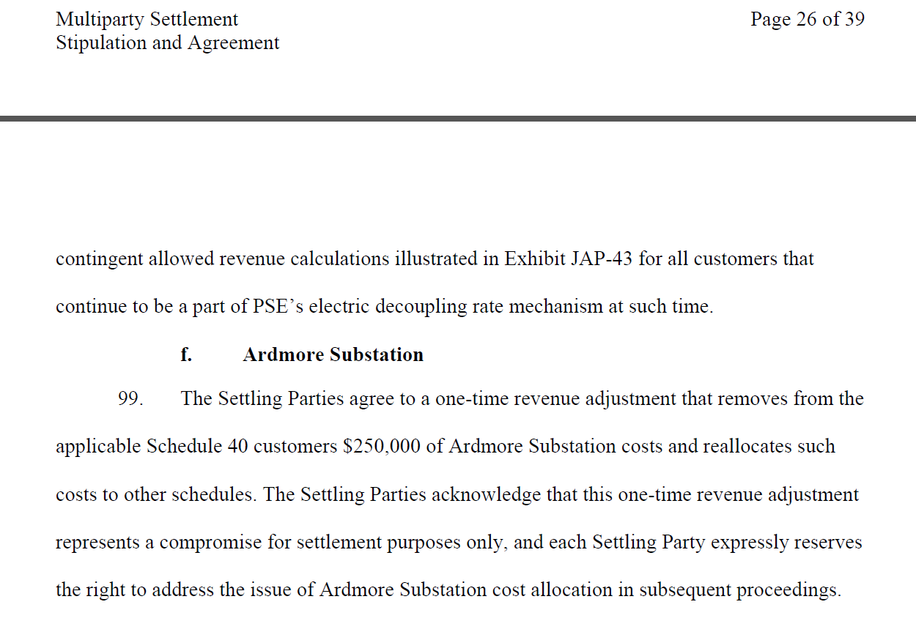
23 | Ardmore Substation Reduction | $(250,000)
24
25 | Annual Costs Less Ardmore Reduction | $2,868,291 | $1,349,474
26
27 | Sec Voltage Billed Demand |  | 273,811
28 | Primary Voltage Billed Demand |  | 264,056
29
30 | Total kW Demand | 1,297,937 | 537,867
31
32 | Coincidence Factor |  | 89%
33
34 | Sum of 12 months monthly coincident demands | 1,198,405 | 478,594
35
36 | Distribution Substation Charge / kW |  | $2.82
37
38
39 | Check Current Net Plant | $64,584,652 | $1,380,643 |  |  |  | $1,410,367 |  |  |  |  | $1,115,331
40 | Check | $64,584,652 | $1,380,643 |  |  |  | $1,410,367 |  |  |  |  | $1,115,331
41 | Check | $- | $- |  |  |  | $- |  |  |  |  | $-
42
43
44 | Net Plant Direct Assignment
45 | Total Substation | $64,584,652 | $1,475,894 | $(465,410) | $6,869 | $363,289 | $342,140 | $794,405 | $63,080 | $133,496 | $77,246 | $635,596 | $(411,985) | $10,462 | $742,365
46 | FERC 360 | $18,987,157 | $60,571 | $- | $- | $- | $18,145 | $- | $- | $- | $- | $29,774 | $- | $- | $-
...

