NCP Dist Plant (360-362)
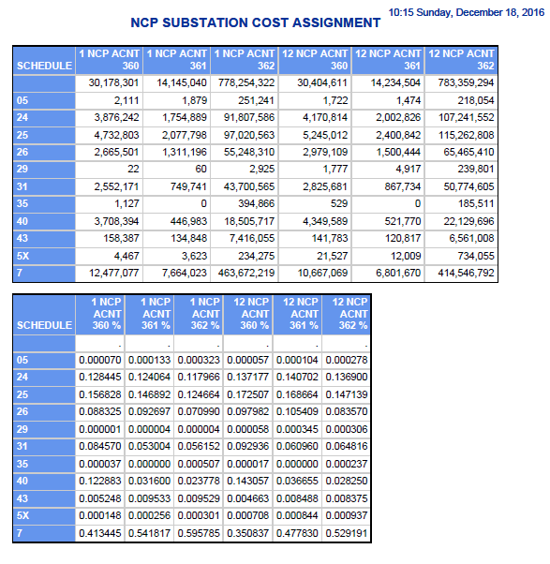
Puget Sound Energy
12NCP Cost Assignment
FERC Accounts 360, 361 & 362
Distribution Substation Costs
Twelve Months ended September 2016

 | 2017 GRC
 | 360 | 361 | 362
5 | $1,722 | $1,474 | $218,054
24 | $4,170,814 | $2,002,826 | $107,241,552
25 | $5,245,012 | $2,400,842 | $115,262,808
26 | $2,979,109 | $1,500,444 | $65,465,410
29 | $1,777 | $4,917 | $239,801
31 | $2,825,681 | $867,734 | $50,774,605
35 | $529 | $- | $185,511
40 | $4,349,589 | $521,770 | $22,129,696
43 | $141,783 | $120,817 | $6,561,008
5x | $21,527 | $12,009 | $734,055
7 | $10,667,069 | $6,801,670 | $414,546,792
 | $30,404,612 | $14,234,503 | $783,359,292

Exclude Sch 40 (Directly Assigned) | $26,055,023 | $13,712,733 | $761,229,596

NCP Dist OH-UG Plant (364-367)
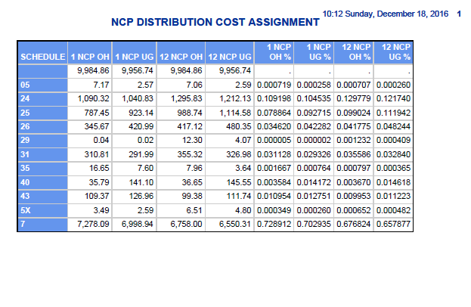
Puget Sound Energy
12NCP Cost Assignment
FERC Accounts 364, 365, 366, 367
OH & UG Line Miles
Twelve Months ended September 2016

 | 2017 GRC
 | OH | UG
5 | 7.06 | 2.59
24 | 1,295.83 | 1,212.13
25 | 988.74 | 1,114.58
26 | 417.12 | 480.35
29 | 12.30 | 4.07
31 | 355.32 | 326.98
35 | 7.96 | 3.64
40 | 36.65 | 145.55
43 | 99.38 | 111.74
5x | 6.51 | 4.80
7 | 6,758.00 | 6,550.31
 | 9,984.87 | 9,956.74

Exclude Sch 40 (Directly Assigned) | 9,948.22 | 9,811.19

