Detail
Account | Description | 2020-10-31

18220111 | Colstrip 1&2 Regulatory Asset | 110,897,621.83

10800731 | Monetized PTC's Colstrip 1-2 | (82,224,442.97)
 |  |  | 2019 Monetized PTC's | 54,058,456.00
10800731 | 2019 PTC's for Colstrip 1-2 Offset | (68,428,425.32) | Gross Up (Divide by 0.79) | 0.79
 |  |  |  | 68,428,425.32
 | Net Colstrip 1&2 Regulatory Asset | (39,755,246.46) |  | (68,428,425.32) | PTCs used
 |  |  |  | - | Remaining Grossed up PTCs on which interest will continue to be accrued after PCORC rates effective.

40300011 | Amortization of Colstrip Reg Asset | 9,250,000.02
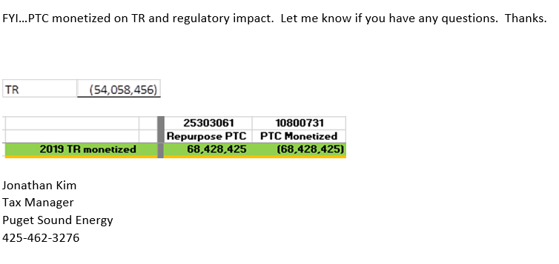
 | Remove Amortization for Rate Year | (9,250,000.02)

 | Net Colstrip Reg Asset Amort in Rev Req | -

 | DFIT Colstrip 1&2 Regulatory Asset | (23,288,500.58)

 | DFIT PTC Monetized | 17,267,133.02

 | DFIT 2019 PTC's for Colstrip 1-2 Offset | 14,369,969.32

 | Net DFIT on PTC's used for Colstrip Offset | 8,348,601.76

Colstrip Reg Asset AMA
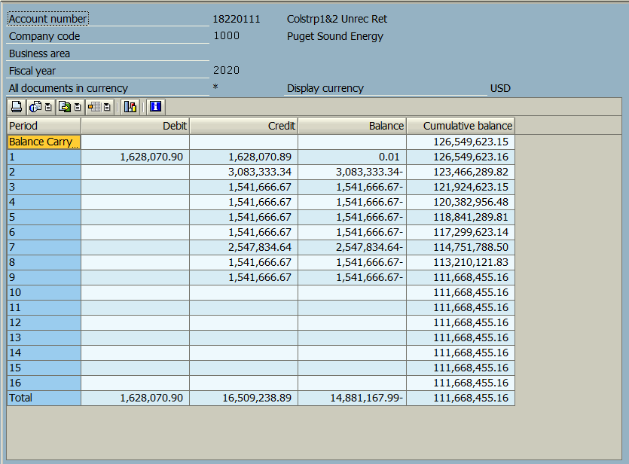
Account 18220111 Colstrip 1&2 Regulatory Asset

 | Jun-19 | -
 | Jul-19 | -
 | Aug-19 | -
 | Sep-19 | -
 | Oct-19 | -
 | Nov-19 | -
 | Dec-19 | 126,549,623.15
 | Jan-20 | 126,549,623.20
 | Feb-20 | 123,466,289.82
 | Mar-20 | 121,924,623.15
 | Apr-20 | 120,382,956.48
 | May-20 | 118,841,289.81
 | Jun-20 | 117,299,623.14
 | Jun-20 AMA | 24,694,365.93

 |  | 111,668,455.16 | Sep-20 EOP Balance
 |  | (770,833.34) | 1/2 month amortization
 |  | 110,897,621.83 | Balance at 10/15/2020

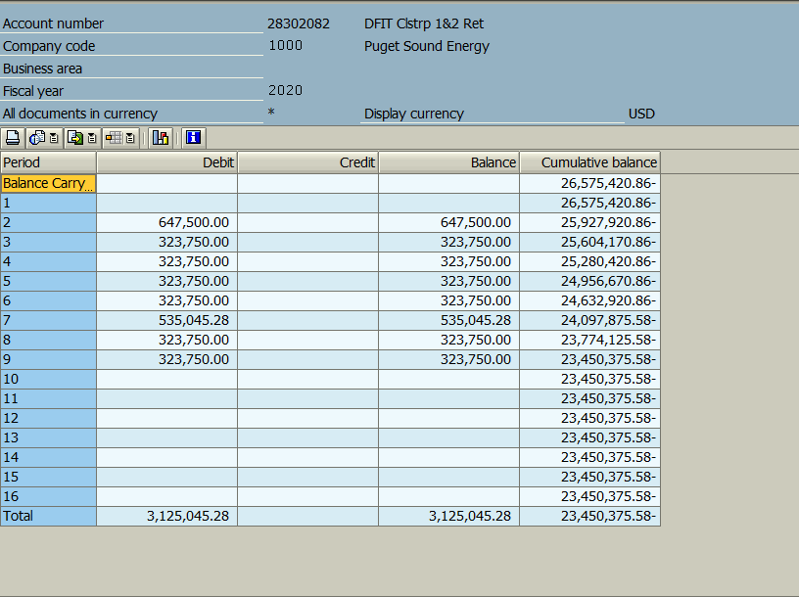
Account 28302082 DFIT Colstrip 1&2 Regulatory Asset

 | Jun-19 | -
 | Jul-19 | -
 | Aug-19 | -
 | Sep-19 | -
 | Oct-19 | -
 | Nov-19 | -
 | Dec-19 | (26,575,420.83)
 | Jan-20 | (26,575,420.83)
 | Feb-20 | (25,927,920.86)
 | Mar-20 | (25,604,170.86)
 | Apr-20 | (25,280,420.86)
 | May-20 | (24,956,670.86)
 | Jun-20 | (24,632,920.86)
 | Jun-20 AMA | (5,185,816.85)

