Green Direct
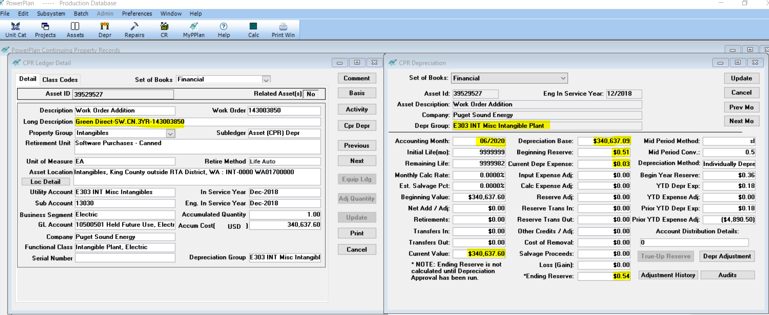

Plant Balance:
 | Jun-19 | Jul-19 | Aug-19 | Sep-19 | Oct-19 | Nov-19 | Dec-19 | Jan-20 | Feb-20 | Mar-20 | Apr-20 | May-20 | Jun-20 | AMA
 | 340,637.09 | 340,637.09 | 340,637.09 | 340,637.09 | 340,637.09 | 340,637.09 | 340,637.09 | 340,637.09 | 340,637.09 | 340,637.09 | 340,637.09 | 340,637.09 | 340,637.09 | 340,637.09
Accumulated Amortization:
 | Jun-19 | Jul-19 | Aug-19 | Sep-19 | Oct-19 | Nov-19 | Dec-19 | Jan-20 | Feb-20 | Mar-20 | Apr-20 | May-20 | Jun-20 | AMA
 | (0.18) | (0.21) | (0.24) | (0.27) | (0.30) | (0.33) | (0.36) | (0.39) | (0.42) | (0.45) | (0.48) | (0.51) | (0.54) | (0.36)
Amortization Expense:
 |  | Jul-19 | Aug-19 | Sep-19 | Oct-19 | Nov-19 | Dec-19 | Jan-20 | Feb-20 | Mar-20 | Apr-20 | May-20 | Jun-20 | Total Depr Expense
 |  | (0.03) | (0.03) | (0.03) | (0.03) | (0.03) | (0.03) | (0.03) | (0.03) | (0.03) | (0.03) | (0.03) | (0.03) | (0.36)

