Sch 139 Credit Calculation
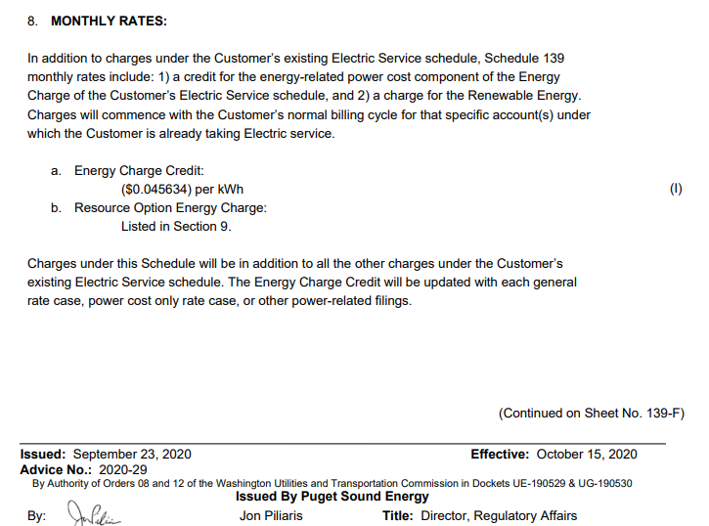
PUGET SOUND ENERGY
Schedule 139
Voluntary Long Term Renewable Energy Purchase Rider
Calculation of the Energy Charge Credit on Sheet No. 139-E
Compliance Filing Docket UE-200980, Rates Effective 7-1-2021
Line No. | Description | GRC Amount | Corrected GRC Amount | PCORC Amount (Variable Production Cost) | Source:
1 | Power Costs Embedded in Retail Rates (¢/kWh) | 60.8453 | 59.8440 | 39.6180 | Exhibit A-1
2 | Portion of Power Costs Related to Energy | 75% | 75% | 100% | Docket UE-190529 Order on Fixed Method
3 | Energy Charge Credit (¢/kWh) | 4.5634 | 4.4883 | 3.9618
4 | Energy Charge Credit ($/kWh) | $0.045634 | $0.044883 | $0.039618

