Summary
Vegetation Analysis Summary
The tables and charts below compare miles completed with number of distribution trees remedated (removed, trimmed, and other work).

Program Type | Work Type | Year | Value | Units
Routine | Removed | 2018 | 13761 | Trees | Work Type | (All)
Routine | Removed | 2019 | 16747 | Trees
Routine | Removed | 2020 | 15246 | Trees | Sum of Value | Column Labels
Routine | Removed | 2021 | 13915 | Trees |  | Risk |  | Risk Total | Routine |  | Routine Total | Grand Total
Routine | Removed | 2022 | 7270 | Trees | Row Labels | Miles | Trees |  | Miles | Trees
Routine | Trimmed | 2016 | 46459 | Trees | 2016 |  |  |  | 3402 | 46459 | 49861 | 49861
Routine | Trimmed | 2017 | 52425 | Trees | 2017 |  |  |  | 4041 | 52425 | 56466 | 56466
Routine | Trimmed | 2018 | 40503 | Trees | 2018 |  |  |  | 1538 | 54264 | 55802 | 55802
Routine | Trimmed | 2019 | 16607 | Trees | 2019 | 1649 | 13064 | 14713 | 1516 | 38212 | 39728 | 54441
Routine | Trimmed | 2020 | 23035 | Trees | 2020 | 2815 | 17308 | 20123 | 555 | 51324 | 51879 | 72002
Routine | Trimmed | 2021 | 24385 | Trees | 2021 | 883 | 11587 | 12470 | 981 | 47562 | 48543 | 61013
Routine | Trimmed | 2022 | 10146 | Trees | 2022 |  |  |  | 504 | 22682 | 23186 | 23186
Routine | Miles Completed | 2016 | 3402 | Miles | Grand Total | 5347 | 41959 | 47306 | 12537 | 312928 | 325465 | 372771
Routine | Miles Completed | 2017 | 4041 | Miles
 | Risk - Trees | Routine - Trees | Risk - Miles | Routine - Miles
2016 |  | 46459 |  | 3402
2017 |  | 52425 |  | 4041
2018 |  | 54264 |  | 1538
2019 | 13064 | 38212 | 1649 | 1516
2020 | 17308 | 51324 | 2815 | 555
2021 | 11587 | 47562 | 883 | 981
2022 |  | 22682 |  | 504
Routine | Miles Completed | 2018 | 1538 | Miles
Routine | Miles Completed | 2019 | 1516 | Miles
Routine | Miles Completed | 2020 | 555 | Miles
Routine | Miles Completed | 2021 | 981 | Miles
Routine | Miles Completed | 2022 | 504 | Miles
Routine | Other work | 2019 | 4858 | Trees
Routine | Other work | 2020 | 13043 | Trees
Routine | Other work | 2021 | 9262 | Trees
Routine | Other work | 2022 | 5266 | Trees
Risk | Removed | 2019 | 9943 | Trees
Risk | Removed | 2020 | 12897 | Trees
Risk | Removed | 2021 | 6294 | Trees
Risk | Trimmed | 2019 | 2731 | Trees
Risk | Trimmed | 2020 | 3686 | Trees
Risk | Trimmed | 2021 | 4910 | Trees
Risk | Miles Completed | 2019 | 1649 | Miles
Risk | Miles Completed | 2020 | 2815 | Miles
Risk | Miles Completed | 2021 | 883 | Miles
Risk | Other work | 2019 | 390 | Trees
Risk | Other work | 2020 | 725 | Trees
Risk | Other work | 2021 | 383 | Trees

Source: PC DR 261

Miles Planned and Completed
Distribution Vegetation Work Plans
The table below synthesizes miles of distribution vegetation work completed in the past 12 years as shown in PC DR 182, Attachment A.

 | 2011 | 2012 | 2013 | 2014 | 2015 | 2016 | 2017 | 2018 | 2019 | 2020 | 2021 | 5-yr avg | 10-yr avg
Maintenance and ROW Statistics
Current year planned miles | 1663 | 1471 | 1712 | 1593 | 1448 | 1973 | 967 | 716 | 331 | 516 | 1550 | 1009 | 1267
Current year herbicide planned miles | 1767 | 1364 | 1823 | 1190 | 1245
Current year HPGL planned miles | 34 | 115 | 7 | 219 | 264 | 44 | 13 | 125
Prior years planned miles | 102 | 167 | 142 | 695 | 775 | 744 | 841 | 458 | 739 | 382 | 699 | 644 | 522
Current year miles completed | 1645 | 1129 | 1244 | 1218 | 878 | 1441 | 1270 | 870 | 215 | 285 | 988 | 845 | 1017
Prior years miles completed | 102 | 167 | 142 | 437 | 545 | 545 | 623 | 241 | 343 | 255 | 507 | 419 | 355
Current year herbicide completed miles | 1403 | 1213 | 1823 | 1190 | 514
Current year HPGL completed miles | 32 | 30 | 7 | 219 | 94 | 44 | 11 | 106
Total miles planned | 3566 | 3117 | 3684 | 3696 | 3732 | 2761 | 1821 | 1299 | 1070 | 898 | 2248 | 1653 | 1789
Total miles completed | 3182 | 2539 | 3215 | 3064 | 2031 | 2030 | 1904 | 1218 | 558 | 540 | 1495 | 1264 | 1372
Total planned miles uncompleted | 384 | 578 | 468 | 632 | 1701 | 731 | -82 | 82 | 513 | 358 | 753 | 392 | 556
% planned miles completed | 89% | 81% | 87% | 83% | 54% | 74% | 105% | 94% | 52% | 60% | 67% | 76% | 77%

Risk Tree Mitigation Statistics
Current year planned miles | 605 | 1355 | 1210 | 979 | 2316 | 1688 | 481 | 322 | 807 | 2503 | 4075 | 1646 | 1486
Prior years planned miles | 0 | 9 | 5 | 204 | 0 | 138 | 846 | 221 | 752 | 879 | 1171 | 668 | 384
Post-storm risk tree mile additions |  |  |  | 799 |  |  |  | 292 |  |  |  | 292 | 545
Current year miles completed | 286 | 846 | 929 | 646 | 1952 | 1021 | 80 | 49 | 644 | 1520 | 2190 | 918 | 924
Prior years miles completed |  | 9 | 5 | 204 |  | 109 | 849 | 73 | 314 | 578 | 627 | 425 | 307
Total miles planned | 605 | 1364 | 1215 | 1183 | 2316 | 1826 | 1327 | 543 | 1559 | 3382 | 5245 | 2314 | 1870
Total miles completed | 286 | 855 | 934 | 1649 | 1952 | 1130 | 929 | 414 | 959 | 2098 | 2817 | 1391 | 1275
Total planned miles uncompleted | 319 | 509 | 281 | -466 | 364 | 696 | 398 | 129 | 600 | 1285 | 2429 | 923 | 595
% planned miles completed | 47% | 63% | 77% | 139% | 84% | 62% | 70% | 76% | 61% | 62% | 54% | 60% | 68%

Total Vegetation Management Statistics
Total miles planned | 4171 | 4481 | 4898 | 4879 | 6048 | 4587 | 3148 | 1843 | 2629 | 4280 | 7494 | 3997 | 4405
Total miles completed | 3468 | 3394 | 4149 | 4713 | 3983 | 3160 | 2833 | 1632 | 1516 | 2638 | 4312 | 2682 | 3254
Total planned miles uncompleted | 704 | 1087 | 749 | 166 | 2065 | 1427 | 315 | 211 | 1113 | 1642 | 3181 | 1315 | 1151
% planned miles completed | 83% | 76% | 85% | 97% | 66% | 69% | 90% | 89% | 58% | 62% | 58% | 67% | 74%
% 2022 PIM Targets | 54% | 58% | 64% | 64% | 79% | 60% | 41% | 24% | 34% | 56% | 98%

Risk Tree Mitigation Statistics
Total Vegetation Management Statistics
Routine Maintenance Statistics

Source: PC DR 182, Attachment A

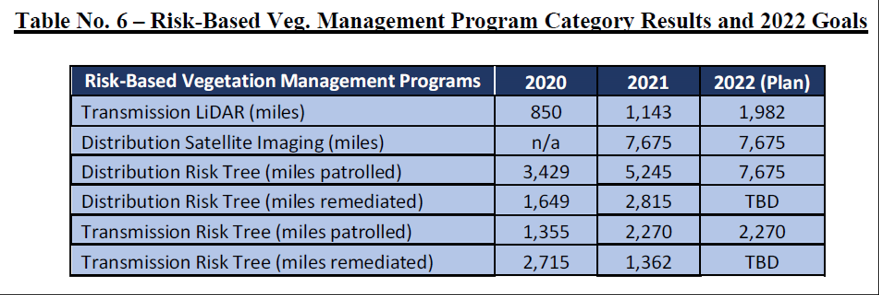

 |  |  |  |  |  |  |  |  | Miles planned = distribution miles patrolled
 |  |  |  |  |  |  |  |  | Miles completed = distribution miles remediated

 |  |  |  |  |  |  |  |  | Measure 11 PIM: "96% inspection would result in incentive of $500k, 94-95% would result in no incentive or penalty, anything less than 94%-would result in $500k penalty."

 |  |  |  |  |  |  |  |  | 2022 PIM Targets
 |  |  |  |  |  |  |  |  | Distribution Risk Tree (miles patrolled) | 7675
 |  |  |  |  |  |  |  |  | Transmission Risk Tree (miles patrolled) | 2270

Source: Howell Exh. DRH-1T

