Report 2023
Puget Sound Energy
2023 Incentive Pay Overhead Analysis

 | (a) | (b) | ( c ) | (d) | (e) | (f) |  | (g) | (h) | (i) | (j) | (k) | (k)
 |  |  |  |  |  | (b+c+d+e) |  |  |  | [1] |  | [1]
 |  |  |  |  |  |  |  |  | Manual Clearing O&M: | Incentive | Manual CNS | Incentive
 | Monthly | Accrued | Monthly | Monthly | Prior Year | Total |  | Cumulative | 546 - 56000140 | Split to | to Acct | Split to
 | Incentive | Costs - JR 142 | Incentive OH | Incentive | Accrued, Payout | Monthly |  | Incentive Pay | 580 - 88000140 | O&M | 60230010 | CNS
 | Overhead | Jackson Prairie | Credit Order | True Up | & True Up | Activity |  | Liability | 92006494 ; 41710062 | Approx | 1150 | Approx
 | Rate | Ord 151920100 | 23290040 | GL 23200483 | Order 23200483 | GL 23200483 |  | 23200483 | Acct 60230010 | Rate | 10790090 | Rate

2022-12-01 |  |  |  |  | (17,168,639.38) |  |  | (17,168,639.38)
2023-01-01 | 9.9% | (4,552.00) | (2,562,344.04) | - | - | (2,566,896.04) |  | (19,735,535.42) | - | #DIV/0! | - | #DIV/0!
2023-02-01 | 9.9% | (4,552.00) | (2,484,018.95) | - | 839.58 | (2,487,731.37) |  | (33,609,801.94) | - | #DIV/0! | - | #DIV/0!
2023-03-01 | 9.9% | (19,472.00) | (3,228,935.61) | 1,163,346.67 | 27,397,016.36 | 25,311,955.42 |  | (8,297,846.52) | (574,402.39) | 49.37% | (588,944.28) | 50.63%
2023-04-01 | 9.9% | (5,343.00) | (2,719,737.84) | (445,800.30) | - | (3,170,881.14) |  | (11,468,727.66) | 215,551.60 | 48.35% | 230,248.70 | 51.65%
2023-05-01 | 9.9% | (5,343.00) | (2,960,570.09) | (358,450.45) | - | (3,324,363.54) |  | (14,793,091.20) | 170,500.01 | 47.57% | 187,950.44 | 52.43%
2023-06-01 | 9.9% | (5,343.00) | (2,959,217.06) | 1,432,020.26 | 100,000.00 | (1,432,539.80) |  | (16,225,631.00) | (677,729.58) | 47.33% | (754,290.68) | 52.67%
2023-07-01 | 9.9% | (5,343.00) | (2,637,905.75) | (2,253,853.75) | 1,555,000.00 | (3,342,102.50) |  | (19,567,733.50) | 1,063,274.56 | 47.18% | 1,190,579.19 | 52.82%
2023-08-01 | 9.9% | (5,343.00) | (2,964,397.25) | 440,892.22 | 150,000.00 | (2,378,848.03) |  | (21,946,581.53) | (206,355.76) | 46.80% | (234,536.46) | 53.20%
2023-09-01 | 9.9% | (5,343.00) | (2,761,727.18) | 2,022,802.77 | 54,162.60 | (690,104.81) |  | (22,636,686.34) | (945,803.22) | 46.76% | (1,076,999.55) | 53.24%
2023-10-01 | 9.9% | (5,343.00) | (3,056,408.22) | (1,233,813.30) | - | (4,295,564.52) |  | (26,932,250.86) | 576,251.60 | 46.70% | 657,561.70 | 53.30%
2023-11-01 | 9.9% | (5,343.00) | (2,658,790.38) | (2,628,442.38) | - | (5,292,575.76) |  | (32,224,826.62) | 1,226,486.02 | 46.66% | 1,401,956.36 | 53.34%
2023-12-01 | 9.9% | (5,343.00) | (2,596,825.98) | 2,226,276.82 | - | (375,892.16) |  | (32,600,718.78) | (1,654,882.19) | 58.27% | (1,185,337.79) | 41.73%
Topside Adjustment |  | - | - | (3,001,216.92) | - | (3,001,216.92) | - | (35,601,935.70) | 1,403,298.65 | 46.76% | 1,597,918.27 | 53.24% |  | $(516,443.71) | 132021.88
2023 Total |  | $(76,663.00) | $(33,590,878.35) | $364,978.56 | $29,257,018.54 | $(4,045,544.25) |  |  | $596,189.30 |  | $1,426,105.90

A1(A) B1 (A) C1 (A) D1(D) D1(E) D1 (A) D1 (C) E1(A) E1(B)
 |  | [1] |  | Incentive true up split between O&M and CNS; the rate calculations are based on the net sum of adjustments during the month.

 |  |  | 33,941,680.97 | <= 2023 Actual Incentive

Manual Clearing
ZO12 Orders: Actual 12 Month Ended
Date: 02/13/2023 |  |  |  |  |  |  |  |  |  |  |  |  |  |  | 41710062 | 1412 - Incentive Clearing - Common
 | Total Test Year Incentive Manual Clearing |  |  |  |  |  |  |  |  |  |  |  |  |  | 54600140 | 9800 - Incentive Clearing - Electric
 |  |  |  |  |  |  |  |  |  |  |  |  |  |  | 56000140 | 9800 - Incentive Clearing - Electric
 |  |  |  |  |  |  |  |  |  |  |  |  |  |  | 58000140 | 9800 - Incentive Clearing - Electric
 | New Orders Beginning Jan 2017 |  |  |  |  |  |  |  |  |  |  |  |  |  | 88000140 | 9800 - Incentive Clearing - Gas
 | Orders | 12 Months | Dec-23 | Nov-23 | Oct-23 | Sep-23 | Aug-23 | Jul-23 | Jun-23 | May-23 | Apr-23 | Mar-23 | Feb-23 | Jan-23 | 92006494 | 9800 - Incentive Clearing - Common
 | 41710062 1412 - Incentive Clearing - Common | 8,069 | (22,033) | 16,480 | 7,820 | (12,817) | (2,807) | 14,333 | (9,162) | 2,304 | 2,903 | (7,636) | - | -
 | 54600140 9800 - Incentive Clearing - Electric | 102,164 | (264,048) | 196,734 | 92,556 | (151,882) | (33,267) | 170,795 | (108,791) | 27,371 | 33,876 | (85,080) | - | -
 | 56000140 9800 - Incentive Clearing - Electric | 30,044 | (98,025) | 72,789 | 33,947 | (56,558) | (12,401) | 63,649 | (40,381) | 10,227 | 12,947 | (39,271) | - | -
 | 58000140 9800 - Incentive Clearing - Electric | 103,442 | (317,063) | 234,640 | 109,011 | (179,578) | (39,345) | 201,348 | (128,706) | 32,338 | 43,232 | (121,292) | - | -
 | 88000140 9800 - Incentive Clearing - Gas | 95,399 | (279,423) | 207,540 | 96,800 | (160,406) | (35,297) | 181,541 | (115,880) | 29,297 | 36,632 | (102,344) | - | -
 | 92006494 9800 - Incentive Clearing - Common | 257,071 | (674,290) | 498,304 | 236,117 | (384,562) | (83,239) | 431,608 | (274,810) | 68,963 | 85,961 | (218,778) | - | -
 | Debit | 596,189.30 | (1,654,882.19) | 1,226,486.02 | 576,251.60 | (945,803.22) | (206,355.76) | 1,063,274.56 | (677,729.58) | 170,500.01 | 215,551.60 | (574,402.39) | - | -

 | Total 12ME Dec 2021 | 596,189.30 | (1,654,882.19) | 1,226,486.02 | 576,251.60 | (945,803.22) | (206,355.76) | 1,063,274.56 | (677,729.58) | 170,500.01 | 215,551.60 | (574,402.39) | - | -

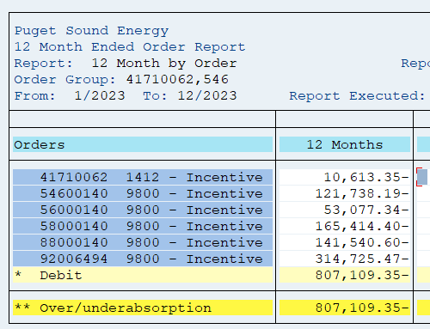
 |  | Test Year Utilities Incentives Manual Clearing
 |  |  |  |  | Allocation of Common
 |  | Total | Less | Use in | Electric | Gas | Total
 |  |  | Non-Utility | Adjustment | 72.50% | 27.50%
 | Electric | 235,650 |  | 235,650 | 186,376 |  | 422,026
 | Gas | 95,399 |  | 95,399 |  | 70,694 | 166,094
 | Common | 257,071 |  | 257,071 | (186,376) | (70,694) | -
 | Total Utility | 588,120 | - | 588,120 | - | - | 588,120
 | Add Non-Utility, 41710062 - Common | 8,069 | (8,069) | - |  |  | -
 | Total Utility plus non Utility | 596,189 | (8,069) | 588,120 | - | - | 588,120

 | From the Incentive Pay Overhead Analysis report | 596,189 | (1,654,882.19)
 | The difference | (0) | -

 |  |  |  |  |  | Topside Enrty
 |  | 2024-01-19 | 54600140 | (97,957.14) |  | 223,902.02
 |  | 2024-01-19 | 56000140 | (36,365.66) |  | 83,121.51
 |  | 2024-01-19 | 58000140 | (117,624.73) |  | 268,856.53
 |  | 2024-01-19 | 88000140 | (103,661.15) |  | 236,939.78
 |  | 2024-01-19 | 92006494 | -250,160.76 |  | 571,796.02
 |  | 2024-01-19 | 41710062 | -8,173.72 |  | 18,682.79
 |  |  |  | (613,943.16) |  | 1,403,298.65

PR Taxes
 |  |  |  |  |  | https://www.irs.gov/taxtopics/tc751 | checked 3/6/2024

PUGET SOUND ENERGY
SUMMARY OF IMPACT OF INCENTIVE ADJUSTMENT ON PAYROLL TAXES |  |  |  |  | 6.20%
FOR THE TWELVE MONTHS ENDED DECEMBER 31, 2023 |  |  |  |  | 1.450%
 |  |  |  |  | 7.650%
 | Electric |  | Gas
 |  |  |  |  |  | https://www.irs.gov/taxtopics/tc759 | checked 3/6/2024
 | Test |  | Test
Description | Year | Restated | Year | Restated
 |  |  |  |  | 0.60%

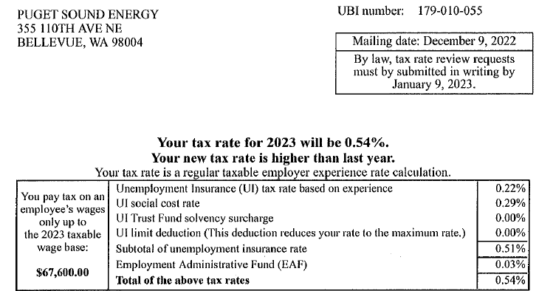
 | E |  | G |  |  | NEXT YEAR IT WILL CHANGE!!! See email in the support folder
Incentive O&M | $11,622,425 | $7,771,902 | $4,414,521 | $2,972,979
Payroll Tax Rate | 8.79% | 8.79% | 8.79% | 8.79%
Payroll Taxes | 1,021,611 | 683,150 | 388,036 | 261,325

FICA | 7.65% |  |  |  | 0.54%
FUTA | 0.60%
SUTA (PSE) | 0.54%
Subtotal | 8.79%

