DF Schedule
Columbia River Disposal, Inc. G-48 & G-51 |  |  | Disposal Schedule taken from TG-180155.
Dump Fee Schedule
 |  |  |  |  |  |  |  |  |  |  |  |  |  |  | Yards to Tons Conversion
 |  |  |  |  |  |  |  |  |  |  |  |  |  |  | Average Yards/Truck | 20
Skamania |  |  |  |  |  |  |  |  |  |  |  |  |  |  | Average Tons per Truck | 4.5
 |  |  |  |  |  |  |  |  |  |  |  |  |  |  | Average Tons per Yard | 0.225
 | Jan-17 | Feb-17 | Mar-17 | Apr-17 | May-17 | Jun-17 | Jul-17 | Aug-17 | Sep-17 | Oct-17 | Nov-17 | Dec-17 | TOTALS |  | Yards per Ton | 4.44
Roll Off Tons | 93.12 | 225.11 | 268.05 | 208.85 | 271.64 | 329.41 | 166.58 | 123.76 | 117.42 | 201.68 | 136.46 | 79.36 | 2,221.44 |  | Lbs/Yard | 450
Packer Tons | 155.80 | 88.54 | 159.78 | 368.94 | 128.82 | 224.34 | 322.61 | 269.42 | 303.74 | 223.82 | 234.33 | 207.57 | 2,687.71
 | 248.92 | 313.65 | 427.83 | 577.79 | 400.46 | 553.75 | 489.19 | 393.18 | 421.16 | 425.50 | 370.79 | 286.93 | 4,909.15
Check | - | - | - | - | - | - | - | - | - | - | - | -
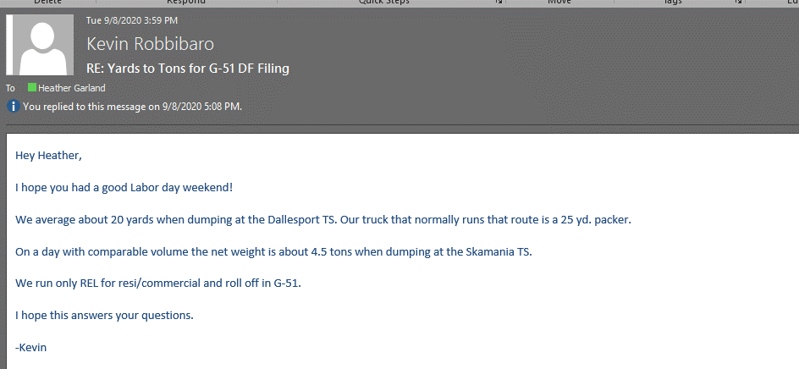
R/O PT | $6,518.40 | $15,757.70 | $18,763.50 | $14,619.50 | $19,330.00 | $23,440.66 | $11,853.73 | $8,806.74 | $8,355.64 | $14,351.35 | $9,710.57 | $5,647.56 | $157,155.35
Packer Disposal | $10,905.70 | $6,197.81 | $11,184.30 | $25,826.05 | $9,166.98 | $15,964.19 | $22,957.24 | $19,171.98 | $21,613.98 | $15,927.29 | $16,674.79 | $14,770.44 | $190,360.75
Total Disposal Expense | $17,424.10 | $21,955.51 | $29,947.80 | $40,445.55 | $28,496.98 | $39,404.85 | $34,810.97 | $27,978.72 | $29,969.62 | $30,278.64 | $26,385.36 | $20,418.00 | $347,516.10

Klickitat

 | Jan-17 | Feb-17 | Mar-17 | Apr-17 | May-17 | Jun-17 | Jul-17 | Aug-17 | Sep-17 | Oct-17 | Nov-17 | Dec-17 | TOTALS | Tons
Roll Off Yards | - | - | 20 | 20 | 88 | 288 | 67 | 159 | 100 | 135 | 130 | 100 | 1,107.74
Packer Yards | 121 | 174 | (40) | 90 | 48 | 8 | 95 | (47) | 41 | 108 | 75 | 86 | 758.70 | 170.71
 | 121 | 174 | (20) | 110 | 136 | 296 | 162 | 112 | 141 | 243 | 205 | 186 | 1,866.44
Check | - | - | - | - | - | - | - | - | - | - | - | -
R/O PT | $- | $- | $62 | $62 | $274 | $897 | $208 | $496 | $311 | $420 | $404 | $311 | $3,445.06
Packer Disposal | $376 | $542 | $(123) | $280 | $149 | $24 | $295 | $(146) | $126 | $336 | $233 | $267 | $2,359.57
Total Disposal Expense | $376 | $542 | $(61) | $342 | $423 | $921 | $504 | $350 | $437 | $756 | $637 | $578 | $5,804.63

Total

Total R/O PT | $6,518.40 | $15,757.70 | $18,825.70 | $14,681.70 | $19,603.68 | $24,337.27 | $12,062.10 | $9,302.59 | $8,666.64 | $14,771.20 | $10,114.87 | $5,958.56 | $160,600.41
Total Packer Disp | $11,281.30 | $6,739.48 | $11,061.45 | $26,105.95 | $9,316.26 | $15,988.14 | $23,252.69 | $19,025.71 | $21,740.23 | $16,263.62 | $16,907.59 | $15,037.90 | $192,720.32
Total Disposal Exp | $17,799.70 | $22,497.18 | $29,887.15 | $40,787.65 | $28,919.94 | $40,325.41 | $35,314.79 | $28,328.30 | $30,406.87 | $31,034.82 | $27,022.46 | $20,996.46 | $353,320.73 | -

Total Disposal Exp per GL | $17,800 | $22,497 | $29,887 | $40,788 | $28,920 | $40,325 | $35,315 | $28,328 | $30,407 | $31,035 | $27,022 | $20,996 | $353,320.73
PT Per GL | $6,518 | $15,758 | $18,826 | $14,682 | $19,604 | $24,337 | $12,062 | $9,303 | $8,667 | $14,771 | $10,115 | $5,959 | $160,600.41
Packer per GL | $11,281 | $6,739 | $11,061 | $26,106 | $9,316 | $15,988 | $23,253 | $19,026 | $21,740 | $16,264 | $16,908 | $15,038 | $192,720.32

PT Difference | $- | $- | $- | $- | $- | $- | $- | $- | $- | $- | $- | $- | $-
Total Difference | $- | $- | $- | $- | $- | $- | $- | $- | $- | $- | $- | $- | $-

