A - Support
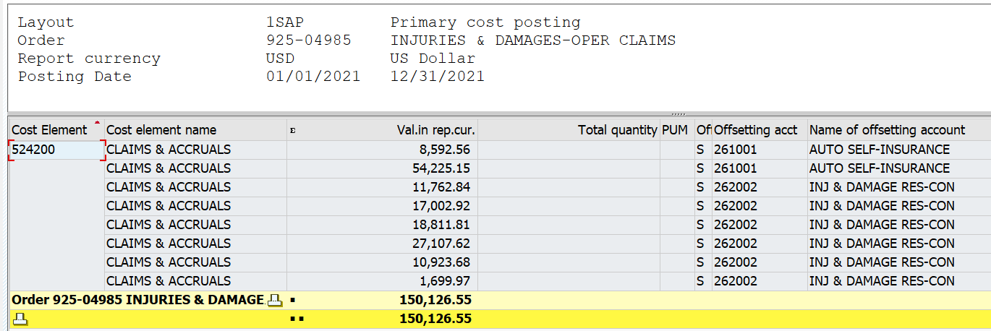
FAGB03
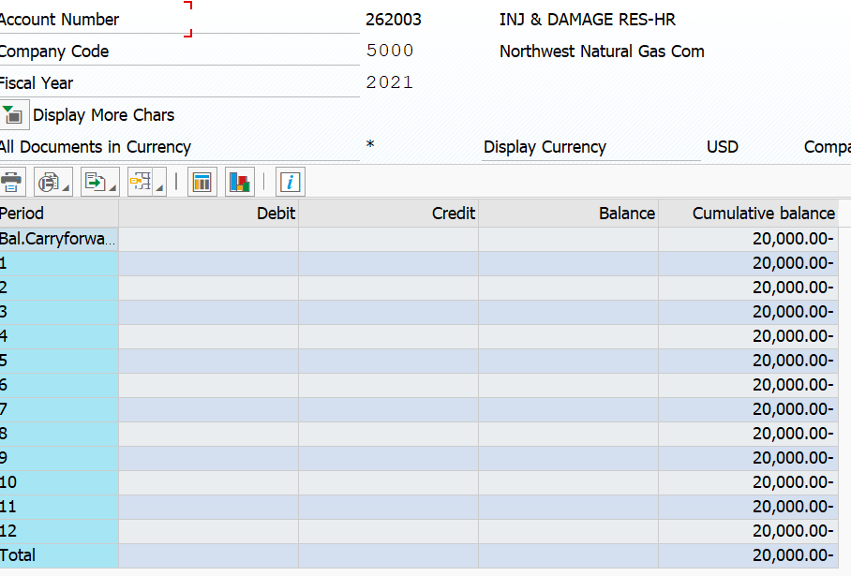
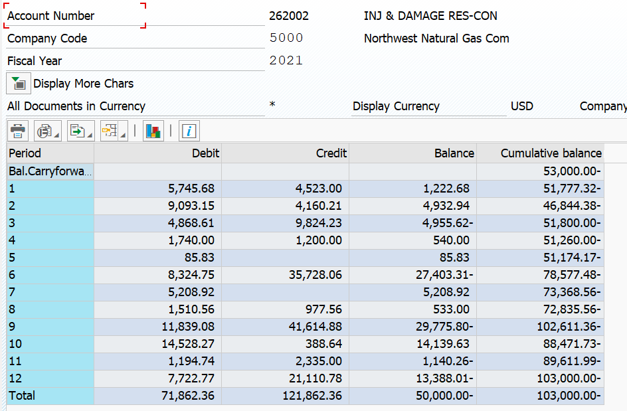

 |  |  |  |  | 71862.36
 |  |  |  |  | 1366.2 | pcard exclude
 |  |  |  |  | 64324.05 | Invoice/Cash
 |  |  |  |  | 3503.27 | Customer bills/Cash
 |  |  |  |  | 2,668.84 | Concur
 |  |  |  |  | 71,862.36 |  | 70,496.16 | payments

 |  |  |  |  | 6,495.21 | Credits related to cash exclude not going to COH
 |  |  |  |  | 23.00 | Immaterial cash app
 |  |  |  |  | 108,277.95 | expense related to claims in the internal order
 |  |  |  |  | 1,366.20 | included noted above exclude nets out
 |  |  |  |  | 1,200.00 | AP see note below
 |  |  |  |  | 4,500.00 | transfer
 |  |  |  |  | 121,862.36
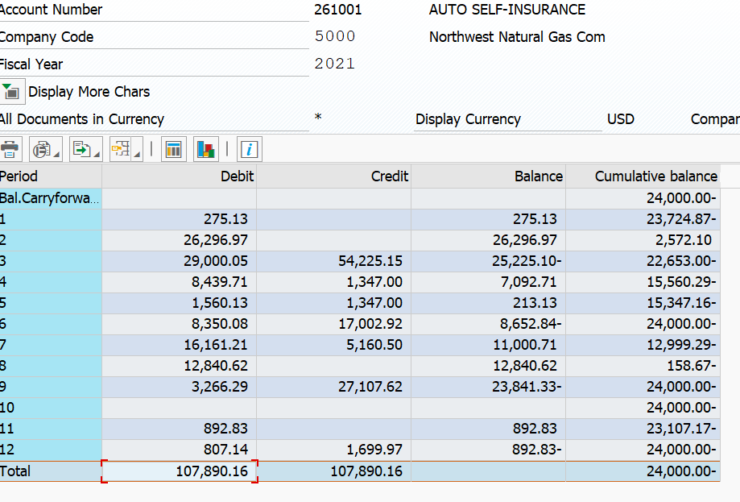
 |  |  |  |  |  |  | 108,277.95 | see screenshot below
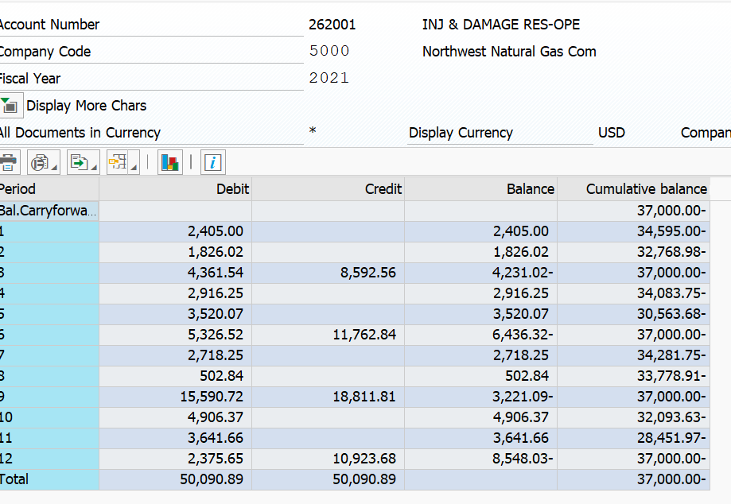
 |  |  |  |  |  |  | 12,218.21
 |  |  |  |  |  | Items not charged to 953 account these items include transfers, accruals, and credits which did not and should not be charged to COH claims.

 | Total of 261001 and 262001 | 150,126.55
 | From SAP | 150,126.55 | 1,347.00
 |  | - | 1,347.00
 |  |  | 5,160.50
 |  | (7,854.50) | 7,854.50 | This portion was not coded to 925-04985 because they were accrued through the AP process. There is an IBNR for these accounts which we true-up on a quarterly basis as such will back this out of the expense as to not double count

B - 262004 JE 20-2 Fortis
