ZO12 Inj & Dam 12ME 12-2021
KOB1 SAP report
12ME December 2021

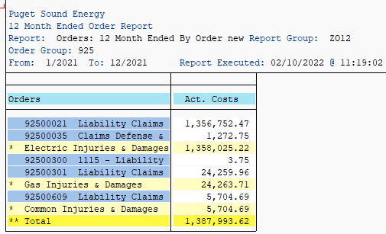
 |  | O&M Split to
Orders | 12 Months | Utility | Total
92500021 Liability Claims - Electric | 1,356,752.47 |  | 1,356,752.47
92500300 1115 - Liability Claims - Gas | 3.75 |  | 3.75
92500301 Liability Claims - Gas | 24,259.96 |  | 24,259.96
92500558 Claims Defense & Cost Recovery Gas | - |  | -
92500035 Claims Defense & Cost Recovery Electr | 1,272.75 |  | 1,272.75
92500609 Liability Claims - Common | 5,704.69 |  | 5,704.69
Total FERC 925 | 1,387,993.62 |  | 1,387,993.62

Worker's Comp Orders (Comp Order) allocated using O&M Utility %
18490424 1412 - Workers Comp Pymts to Employees | 1,193,385.61 | 48.24% | 575,670.03
18490425 1412 - Workers Comp Pmts - W352338 | 8,816.55 | 48.24% | 4,252.96
Total Worker's Comp | 1,202,202.16 |  | 579,923.00

Total | $2,590,195.78 |  | $1,967,916.62

 |  |  | Payments In
 |  |  | Excess of
 |  | Accruals | Accruals
 | Electric Operations Direct | 1,200,000.00 | 158,025.22
 | Gas Operations Direct | - | 24,263.71

 | Common | - | 585,627.69
 | Electric Portion of Common |  | 340,696.44
 | Gas Portion of Common |  | 244,931.24
 | (Alloc using Number of Customers)

 | Total Electric Operations | 1,200,000.00 | 498,721.66
 | Total Gas Operations | - | 269,194.95
 | Total Operations | $1,200,000.00 | $767,916.62
 |  | ck | -

Ord 92500021
KOB1 (Cost Element 62000000 and 69990185)
Order | Name | Cost Element | Cost element name | Document type | Document Header Text | Offsetting acct no. | Posting Date | Val.in rep.cur.
92500021 | CINDY LEAHY BOT-01G | 62000000 | Injuries & Damages | KR |  | 200096 | 2021-01-26 | 10,000.00
92500021 | STEPHANIE MCDONALD SKC-SVC | 62000000 | Injuries & Damages | KR |  | 200096 | 2021-01-27 | 3,091.14
92500021 | 200096 -NON REPORTABLE PAYMENTS | 62000000 | Injuries & Damages | KR |  | 200096 | 2021-02-02 | 4,108.06
92500021 | RAYMOND FUNG FAC-SVC | 62000000 | Injuries & Damages | KR |  | 200096 | 2021-03-12 | 8,250.00
92500021 | CINDY LEAHY BOT-01G | 62000000 | Injuries & Damages | KR |  | 200096 | 2021-03-30 | 3,500.83
92500021 | 146745 -BELLINGHAM INJURY LAW PLLC | 62000000 | Injuries & Damages | KR |  | 146745 | 2021-04-05 | 13,000.00
92500021 | 200096 -NON REPORTABLE PAYMENTS | 62000000 | Injuries & Damages | KR |  | 200096 | 2021-04-08 | 5,796.21
92500021 | 200096 -NON REPORTABLE PAYMENTS | 62000000 | Injuries & Damages | KR |  | 200096 | 2021-04-12 | 2,495.70
92500021 | 200096 -NON REPORTABLE PAYMENTS | 62000000 | Injuries & Damages | KR |  | 200096 | 2021-05-05 | 12,727.78
92500021 | 200096 -NON REPORTABLE PAYMENTS | 62000000 | Injuries & Damages | KR |  | 200096 | 2021-05-10 | 1,228.43
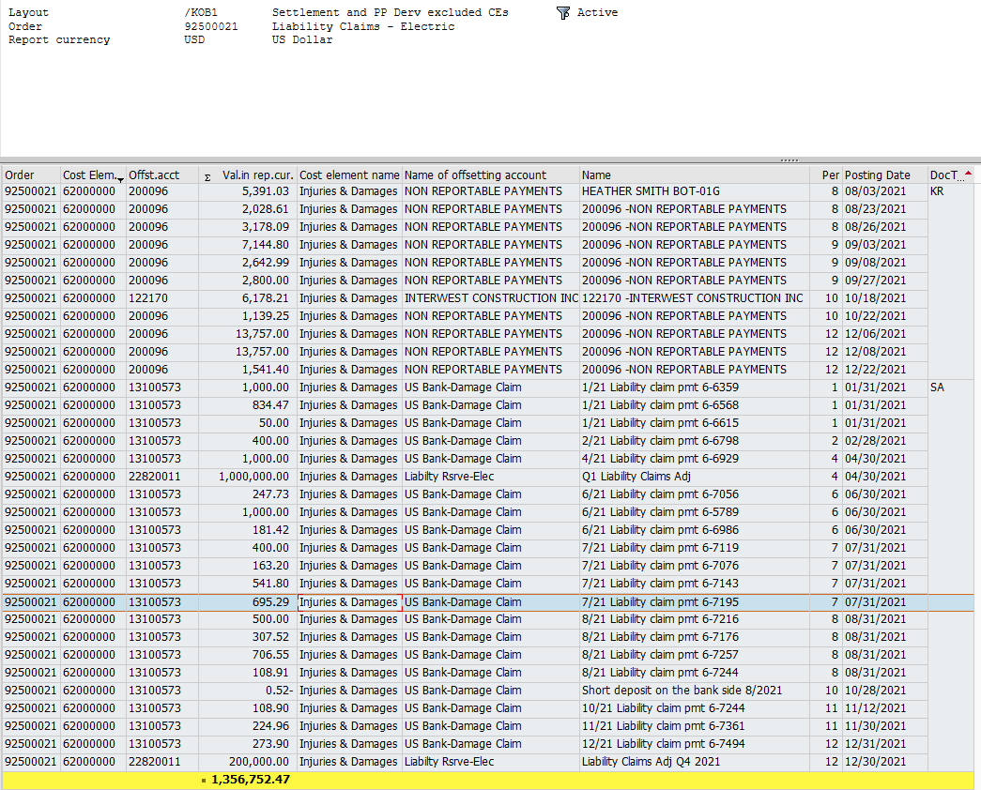
92500021 | CINDY LEAHY BOT-01G | 62000000 | Injuries & Damages | KR |  | 200096 | 2021-06-04 | 4,500.00
92500021 | CINDY LEAHY BOT-01G | 62000000 | Injuries & Damages | KR |  | 200096 | 2021-07-06 | 6,432.65
92500021 | RAYMOND FUND FAC-SVC | 62000000 | Injuries & Damages | KR |  | 200096 | 2021-07-12 | 11,742.44
92500021 | 200096 -NON REPORTABLE PAYMENTS | 62000000 | Injuries & Damages | KR |  | 200096 | 2021-08-03 | 1,576.72
92500021 | HEATHER SMITH BOT-01G | 62000000 | Injuries & Damages | KR |  | 200096 | 2021-08-03 | 5,391.03
92500021 | 200096 -NON REPORTABLE PAYMENTS | 62000000 | Injuries & Damages | KR |  | 200096 | 2021-08-23 | 2,028.61
92500021 | 200096 -NON REPORTABLE PAYMENTS | 62000000 | Injuries & Damages | KR |  | 200096 | 2021-08-26 | 3,178.09
92500021 | 200096 -NON REPORTABLE PAYMENTS | 62000000 | Injuries & Damages | KR |  | 200096 | 2021-09-03 | 7,144.80
92500021 | 200096 -NON REPORTABLE PAYMENTS | 62000000 | Injuries & Damages | KR |  | 200096 | 2021-09-08 | 2,642.99
92500021 | 200096 -NON REPORTABLE PAYMENTS | 62000000 | Injuries & Damages | KR |  | 200096 | 2021-09-27 | 2,800.00
92500021 | 122170 -INTERWEST CONSTRUCTION INC | 62000000 | Injuries & Damages | KR |  | 122170 | 2021-10-18 | 6,178.21
92500021 | 200096 -NON REPORTABLE PAYMENTS | 62000000 | Injuries & Damages | KR |  | 200096 | 2021-10-22 | 1,139.25
92500021 | 200096 -NON REPORTABLE PAYMENTS | 62000000 | Injuries & Damages | KR |  | 200096 | 2021-12-06 | 13,757.00
92500021 | 200096 -NON REPORTABLE PAYMENTS | 62000000 | Injuries & Damages | KR |  | 200096 | 2021-12-08 | 13,757.00
92500021 | 200096 -NON REPORTABLE PAYMENTS | 62000000 | Injuries & Damages | KR |  | 200096 | 2021-12-22 | 1,541.40
92500021 | 1/21 Liability claim pmt 6-6359 | 62000000 | Injuries & Damages | SA |  | 13100573 | 2021-01-31 | 1,000.00
92500021 | 1/21 Liability claim pmt 6-6568 | 62000000 | Injuries & Damages | SA |  | 13100573 | 2021-01-31 | 834.47
92500021 | 1/21 Liability claim pmt 6-6615 | 62000000 | Injuries & Damages | SA |  | 13100573 | 2021-01-31 | 50
92500021 | 2/21 Liability claim pmt 6-6798 | 62000000 | Injuries & Damages | SA |  | 13100573 | 2021-02-28 | 400
92500021 | 4/21 Liability claim pmt 6-6929 | 62000000 | Injuries & Damages | SA |  | 13100573 | 2021-04-30 | 1,000.00
92500021 | Q1 Liability Claims Adj | 62000000 | Injuries & Damages | SA | Liability Claims Adj Q1 | 22820011 | 2021-04-30 | 1,000,000.00
92500021 | 6/21 Liability claim pmt 6-7056 | 62000000 | Injuries & Damages | SA |  | 13100573 | 2021-06-30 | 247.73
92500021 | 6/21 Liability claim pmt 6-5789 | 62000000 | Injuries & Damages | SA |  | 13100573 | 2021-06-30 | 1,000.00
92500021 | 6/21 Liability claim pmt 6-6986 | 62000000 | Injuries & Damages | SA |  | 13100573 | 2021-06-30 | 181.42
92500021 | 7/21 Liability claim pmt 6-7119 | 62000000 | Injuries & Damages | SA |  | 13100573 | 2021-07-31 | 400
92500021 | 7/21 Liability claim pmt 6-7076 | 62000000 | Injuries & Damages | SA |  | 13100573 | 2021-07-31 | 163.2
92500021 | 7/21 Liability claim pmt 6-7143 | 62000000 | Injuries & Damages | SA |  | 13100573 | 2021-07-31 | 541.8
92500021 | 7/21 Liability claim pmt 6-7195 | 62000000 | Injuries & Damages | SA |  | 13100573 | 2021-07-31 | 695.29
92500021 | 8/21 Liability claim pmt 6-7216 | 62000000 | Injuries & Damages | SA |  | 13100573 | 2021-08-31 | 500
92500021 | 8/21 Liability claim pmt 6-7176 | 62000000 | Injuries & Damages | SA |  | 13100573 | 2021-08-31 | 307.52
92500021 | 8/21 Liability claim pmt 6-7257 | 62000000 | Injuries & Damages | SA |  | 13100573 | 2021-08-31 | 706.55
92500021 | 8/21 Liability claim pmt 6-7244 | 62000000 | Injuries & Damages | SA |  | 13100573 | 2021-08-31 | 108.91
92500021 | Short deposit on the bank side 8/2021 | 62000000 | Injuries & Damages | SA |  | 13100573 | 2021-10-28 | -0.52
92500021 | 10/21 Liability claim pmt 6-7244 | 62000000 | Injuries & Damages | SA |  | 13100573 | 2021-11-12 | 108.9
92500021 | 11/21 Liability claim pmt 6-7361 | 62000000 | Injuries & Damages | SA |  | 13100573 | 2021-11-30 | 224.96
92500021 | 12/21 Liability claim pmt 6-7494 | 62000000 | Injuries & Damages | SA |  | 13100573 | 2021-12-31 | 273.9
92500021 | Liability Claims Adj Q4 2021 | 62000000 | Injuries & Damages | SA | Liability Claims Adj Q4 | 22820011 | 2021-12-30 | 200,000.00
 |  |  |  |  |  |  |  | $1,356,752.47

Ord 92500300 KOB1 (Cost Element 62000000 and 69990185)
Order | Name | Cost Element | Cost element name | Document type | Document Header Text | Offsetting acct no. | Posting Date | Val.in rep.cur.
92500300 | 2/21 Damage Claim pmt 186584161 | 62000000 | Injuries & Damages | SA | Liability Claim Pymt | 13100573 | 2021-02-28 | $3.75

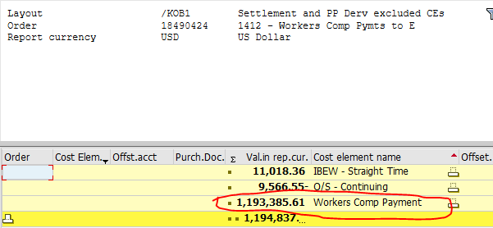
Ord 92500301 KOB1 (Cost Element 62000000 and 69990185)
Order | Name | Cost Element | Cost element name | Document type | Document Header Text | Offsetting acct no. | Posting Date | Val.in rep.cur.
92500301 | NON REPORTABLE PAYMENTS | 62000000 | Injuries & Damages | KR |  | 200096 | 2021-03-24 | 2,000.00
92500301 | ACTIVE CONSTRUCTION INC | 62000000 | Injuries & Damages | KR |  | 106911 | 2021-04-22 | 4,896.90
92500301 | NON REPORTABLE PAYMENTS | 62000000 | Injuries & Damages | KR |  | 200096 | 2021-05-14 | 3,281.64
92500301 | JOHANSEN CONSTRUCTION COMPANY INC | 62000000 | Injuries & Damages | KR |  | 129046 | 2021-08-20 | 3,000.00
92500301 | MICHELS POWER INC | 62000000 | Injuries & Damages | KR |  | 120379 | 2021-10-14 | 10,719.96
92500301 | US Bank-Damage Claim | 62000000 | Injuries & Damages | SA | Liability Claim Pmts | 13100573 | 2021-06-30 | 361.46
92500301 | Liab Reimbrsmnt-Gas | 62000000 | Injuries & Damages | SA | Liability Claims Adj Q2 | 22820022 | 2021-06-30 | 85,000.00
92500301 | Liab Reimbrsmnt-Gas | 62000000 | Injuries & Damages | SA | Liability Claims Adj Q3 | 22820022 | 2021-09-30 | -90,000.00
92500301 | Liab Reimbrsmnt-Gas | 62000000 | Injuries & Damages | SA | Liability Claims Adj Q2 | 22820022 | 2021-06-30 | 5,000.00
 |  |  |  |  |  |  |  | $24,259.96

Ord 18490424 KOB1 (Filter Cost Element Name: Workers Comp Paymt)
Order | Name | Cost Element | Cost element name | Document type | Document Header Text | Offsetting acct no. | Posting Date | Val.in rep.cur.
18490424 | 1412 - Workers Comp Pymts to Employees |  |  |  |  |  |  | $1,193,385.61

Ord 18490425 KOB1 (Filter Cost Element Name: Workers Comp Paymt)
Order | Name | Cost Element | Cost element name | Document type | Document Header Text | Offsetting acct no. | Posting Date | Val.in rep.cur.
18490425 | 1412 - Workers Comp Pymts to Employees |  |  |  |  |  |  | $8,816.55

Ord 92500035 KOB1 (Cost Element 62000000 and 69990185)
Order | Name | Cost Element | Cost element name | Document type | Document Header Text | Offsetting acct no. | Posting Date | Val.in rep.cur.
92500035 | 1/21 Damage claim pmt 186544442 | 62000000 | Injuries & Damages | SA |  | 13100573 | 2021-01-31 | 5
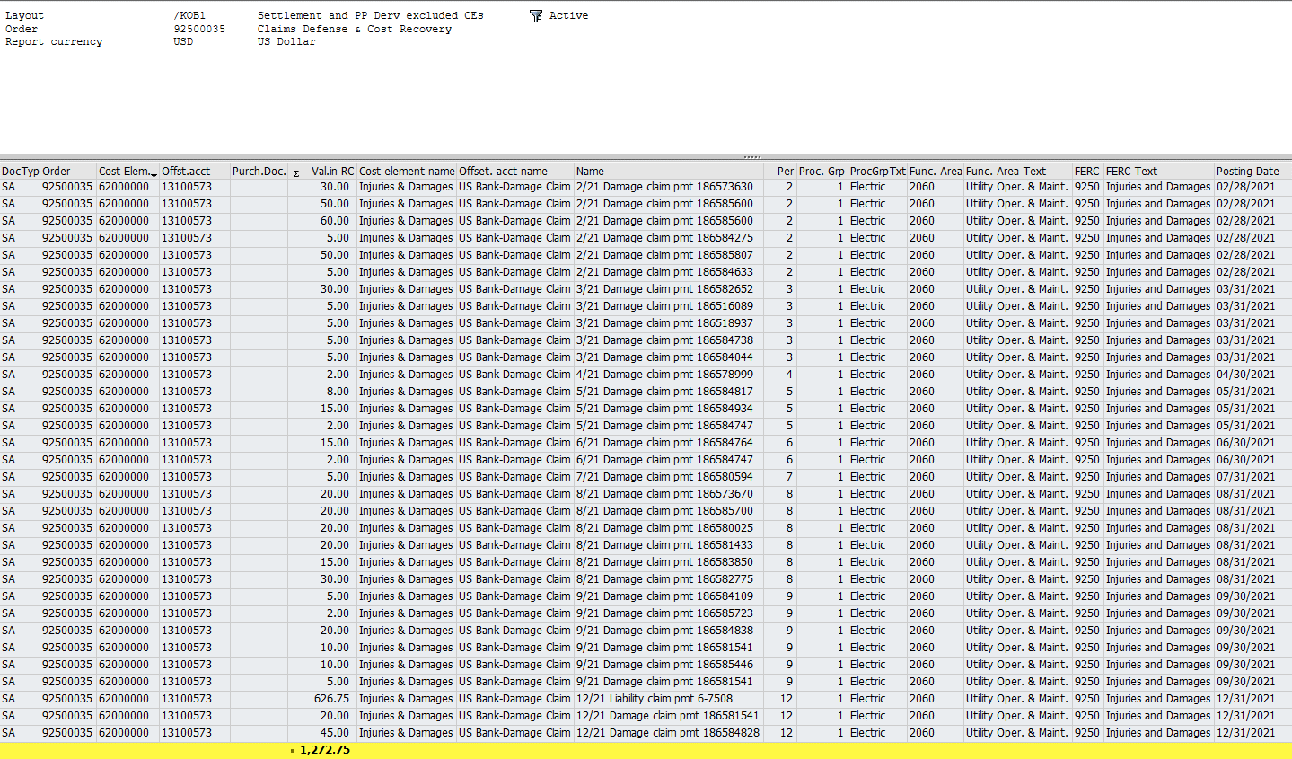
92500035 | 1/21 Damage claim pmt 186544442 | 62000000 | Injuries & Damages | SA |  | 13100573 | 2021-01-31 | 5
92500035 | 1/21 Damage claim pmt 186564529 | 62000000 | Injuries & Damages | SA |  | 13100573 | 2021-01-31 | 50
92500035 | 1/21 Damage claim pmt 186584448 | 62000000 | Injuries & Damages | SA |  | 13100573 | 2021-01-31 | 5
92500035 | 1/21 Damage claim pmt 186584130 | 62000000 | Injuries & Damages | SA |  | 13100573 | 2021-01-31 | 5
92500035 | 1/21 Damage claim pmt 186583713 | 62000000 | Injuries & Damages | SA |  | 13100573 | 2021-01-31 | 5
92500035 | 1/21 Damage claim pmt 186580475 | 62000000 | Injuries & Damages | SA |  | 13100573 | 2021-01-31 | 10
92500035 | 1/21 Damage claim pmt 186584775 | 62000000 | Injuries & Damages | SA |  | 13100573 | 2021-01-31 | 5
92500035 | 1/21 Damage claim pmt 186571926 | 62000000 | Injuries & Damages | SA |  | 13100573 | 2021-01-31 | 5
92500035 | 1/21 Damage claim pmt 186578010 | 62000000 | Injuries & Damages | SA |  | 13100573 | 2021-01-31 | 5
92500035 | 1/21 Damage claim pmt 186584447 | 62000000 | Injuries & Damages | SA |  | 13100573 | 2021-01-31 | 5
92500035 | 1/21 Damage claim pmt 186582415 | 62000000 | Injuries & Damages | SA |  | 13100573 | 2021-01-31 | 5
92500035 | 2/21 Damage claim pmt 186584775 | 62000000 | Injuries & Damages | SA |  | 62000000 | 2021-02-28 | -5
92500035 | 2/21 Damage claim pmt 186573630 | 62000000 | Injuries & Damages | SA |  | 13100573 | 2021-02-28 | 30
92500035 | 2/21 Damage claim pmt 186585600 | 62000000 | Injuries & Damages | SA |  | 13100573 | 2021-02-28 | 50
92500035 | 2/21 Damage claim pmt 186585600 | 62000000 | Injuries & Damages | SA |  | 13100573 | 2021-02-28 | 60
92500035 | 2/21 Damage claim pmt 186584275 | 62000000 | Injuries & Damages | SA |  | 13100573 | 2021-02-28 | 5
92500035 | 2/21 Damage claim pmt 186585807 | 62000000 | Injuries & Damages | SA |  | 13100573 | 2021-02-28 | 50
92500035 | 2/21 Damage claim pmt 186584633 | 62000000 | Injuries & Damages | SA |  | 13100573 | 2021-02-28 | 5
92500035 | 3/21 Damage claim pmt 186582652 | 62000000 | Injuries & Damages | SA |  | 13100573 | 2021-03-31 | 30
92500035 | 3/21 Damage claim pmt 186516089 | 62000000 | Injuries & Damages | SA |  | 13100573 | 2021-03-31 | 5
92500035 | 3/21 Damage claim pmt 186518937 | 62000000 | Injuries & Damages | SA |  | 13100573 | 2021-03-31 | 5
92500035 | 3/21 Damage claim pmt 186584738 | 62000000 | Injuries & Damages | SA |  | 13100573 | 2021-03-31 | 5
92500035 | 3/21 Damage claim pmt 186584044 | 62000000 | Injuries & Damages | SA |  | 13100573 | 2021-03-31 | 5
92500035 | 4/21 Damage claim pmt 186578999 | 62000000 | Injuries & Damages | SA |  | 13100573 | 2021-04-30 | 2
92500035 | 5/21 Damage claim pmt 186584817 | 62000000 | Injuries & Damages | SA |  | 13100573 | 2021-05-31 | 8
92500035 | 5/21 Damage claim pmt 186584934 | 62000000 | Injuries & Damages | SA |  | 13100573 | 2021-05-31 | 15
92500035 | 5/21 Damage claim pmt 186584747 | 62000000 | Injuries & Damages | SA |  | 13100573 | 2021-05-31 | 2
92500035 | 6/21 Damage claim pmt 186584764 | 62000000 | Injuries & Damages | SA |  | 13100573 | 2021-06-30 | 15
92500035 | 6/21 Damage claim pmt 186584747 | 62000000 | Injuries & Damages | SA |  | 13100573 | 2021-06-30 | 2
92500035 | 7/21 Damage claim pmt 186580594 | 62000000 | Injuries & Damages | SA |  | 13100573 | 2021-07-31 | 5
92500035 | 8/21 Damage claim pmt 186573670 | 62000000 | Injuries & Damages | SA |  | 13100573 | 2021-08-31 | 20
92500035 | 8/21 Damage claim pmt 186585700 | 62000000 | Injuries & Damages | SA |  | 13100573 | 2021-08-31 | 20
92500035 | 8/21 Damage claim pmt 186580025 | 62000000 | Injuries & Damages | SA |  | 13100573 | 2021-08-31 | 20
92500035 | 8/21 Damage claim pmt 186581433 | 62000000 | Injuries & Damages | SA |  | 13100573 | 2021-08-31 | 20
92500035 | 8/21 Damage claim pmt 186583850 | 62000000 | Injuries & Damages | SA |  | 13100573 | 2021-08-31 | 15
92500035 | 8/21 Damage claim pmt 186582775 | 62000000 | Injuries & Damages | SA |  | 13100573 | 2021-08-31 | 30
92500035 | 9/21 Damage claim pmt 186584109 | 62000000 | Injuries & Damages | SA |  | 13100573 | 2021-09-30 | 5
92500035 | 9/21 Damage claim pmt 186585723 | 62000000 | Injuries & Damages | SA |  | 13100573 | 2021-09-30 | 2
92500035 | 9/21 Damage claim pmt 186584838 | 62000000 | Injuries & Damages | SA |  | 13100573 | 2021-09-30 | 20
92500035 | 9/21 Damage claim pmt 186581541 | 62000000 | Injuries & Damages | SA |  | 13100573 | 2021-09-30 | 10
92500035 | 9/21 Damage claim pmt 186585446 | 62000000 | Injuries & Damages | SA |  | 13100573 | 2021-09-30 | 10
92500035 | 9/21 Damage claim pmt 186581541 | 62000000 | Injuries & Damages | SA |  | 13100573 | 2021-09-30 | 5
92500035 | 12/21 Liability claim pmt 6-7508 | 62000000 | Injuries & Damages | SA |  | 13100573 | 2021-12-31 | 626.75
92500035 | 12/21 Damage claim pmt 186581541 | 62000000 | Injuries & Damages | SA |  | 13100573 | 2021-12-31 | 20
92500035 | 12/21 Damage claim pmt 186584828 | 62000000 | Injuries & Damages | SA |  | 13100573 | 2021-12-31 | 45
 |  |  |  |  |  |  |  | $1,272.75
Ord 92500609 KOB1 (Cost Element 62000000 and 69990185)
Order | Name | Cost Element | Cost element name | Document type | Document Header Text | Offsetting acct no. | Posting Date | Val.in rep.cur.
92500609 | CINDY LEAHY BOT-01 | 62000000 | Injuries & Damages | KR |  | 200096 | 2021-07-15 | 4,119.25
92500609 | 200096 -NON REPORTABLE PAYMENTS | 62000000 | Injuries & Damages | KR |  | 200096 | 2021-09-03 | 1,585.44
 |  |  |  |  |  |  |  | $5,704.69

