Sheet1
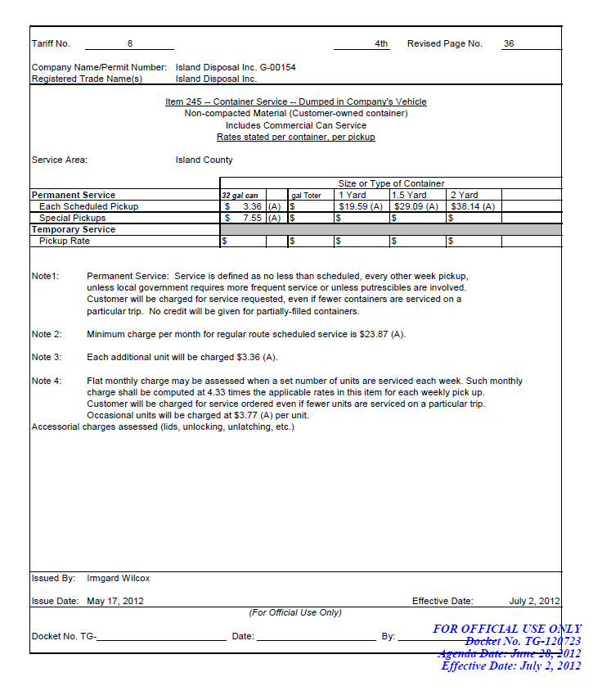
Island Disposal Company, Inc.
New Cart Rates
Effective 7/1/2019

 | Description | Cart Cost Cost | Frieght | Tax | Useful Life | Annual Depreciation | Monthly Depreciation | If billed per Pick-Up
 | 35 Gallon | $34.00 | $3.43 | $3.28 | 7 | $5.82 | $0.48 | $0.11
 | 64 Gallon | $38.50 | $3.43 | $3.68 | 7 | $6.52 | $0.54 | $0.13
 | 96 Gallon | $42.50 | $3.43 | $4.03 | 7 | $7.14 | $0.59 | $0.14

Item No. | Description | Current Equivalent Rate | Proposed Rate | Increase $ | Increase %
100 | 35 Gal Weekly - Resi | $17.35 | $17.83 | $0.48 | 2.79%
100 | 64 Gal Weekly - Resi | $25.12 | $25.66 | $0.54 | 2.16%
100 | 96 Gal Weekly - Resi | $36.29 | $36.88 | $0.59 | 1.64%

100 | 35 Gal EOW - Resi | $13.38 | $13.86 | $0.48 | 3.62%
100 | 64 Gal EOW - Resi | $26.76 | $27.30 | $0.54 | 2.03%
100 | 96 Gal EOW - Resi | $40.14 | $40.73 | $0.59 | 1.48%

100 | 35 Gal Monthly - Resi | $7.20 | $7.68 | $0.48 | 6.73%
100 | 64 Gal Monthly - Resi | $14.40 | $14.94 | $0.54 | 3.77%
100 | 96 Gal Monthly - Resi | $21.60 | $22.19 | $0.59 | 2.75%

100 | 35 Gal On Call | $7.55 | $7.55
100 | 64 Gal On Call | $15.10 | $15.10
100 | 96 Gal On Call | $22.65 | $22.65

105 | 35 Gal MF | $3.36 | $3.47 | $0.11 | 3.33%
105 | 64 Gal MF | $6.72 | $6.85 | $0.13 | 1.87%
105 | 96 Gal MF | $10.08 | $10.22 | $0.14 | 1.36%

205 | Roll Out | $0.54 | $0.54

245 | 35 Gal - Comm | $3.36 | $3.47 | $0.11 | 3.33%
245 | 64 Gal - Comm | $6.72 | $6.85 | $0.13 | 1.87%
245 | 96 Gal - Comm | $10.08 | $10.22 | $0.14 | 1.36%

245 | 35 Gal - Comm Special |  | $7.47 |  |  | Regular Can | $3.36
245 | 64 Gal - Comm Special |  | $10.85 |  |  | Special Can | $7.55
245 | 96 Gal - Comm Special |  | $14.22 |  |  |  | $4.19 | Special Differential

245 | 35 Gal - Comm Minimum |  | $15.03
245 | 64 Gal - Comm Minimum |  | $29.64
245 | 96 Gal - Comm Minimum |  | $44.24

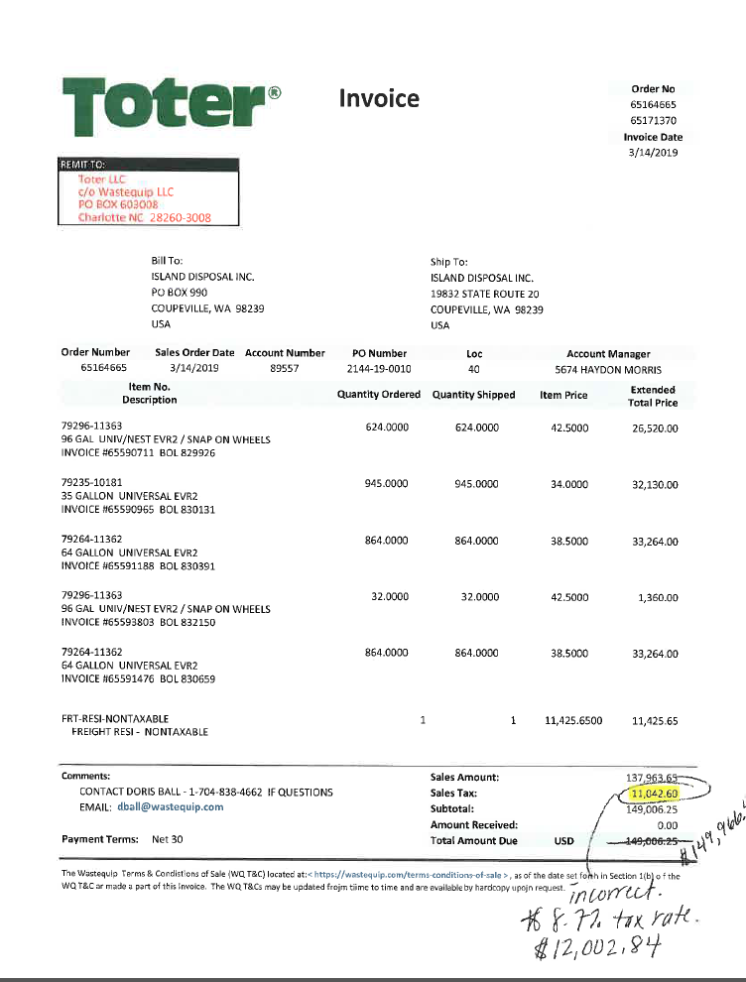
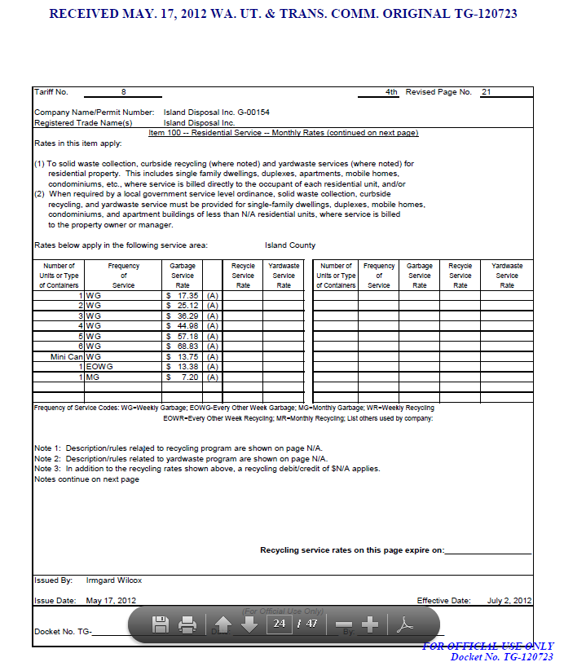

 |  |  |  |  |  |  |  |  | 3329

